E,ν
FEA向け, ヤング率-ポアソン比
 | ポアソン比
0.29 | 29.0
0.30 | 28.3
0.29 | 29.0
0.28 | 29.0
0.28 | 29.7
0.33 | 10.2
0.28 | 29.0
0.27 | 28.5
0.28 | 28.7
0.28 | 28.4
0.33 | 20.9
0.32 | 20.9
0.33 | 19.7
0.31 | 16.9
0.28 | 28.3
0.28 | 29.8
0.29 | 29.4
0.33 | 16.7
0.27 | 18.5
0.33 | 10.3
0.33 | 9.9
0.33 | 10.5
0.31 | 29.1
0.32 | 29.0
0.27 | 18.5
0.32 | 29.0
0.27 | 28.5
0.27 | 28.5
0.35 | 1.0
0.35 | 0.4
0.27 | 28.5
0.27 | 28.5
0.27 | 28.5
0.27 | 28.5
0.27 | 28.5
0.27 | 28.5
0.27 | 28.5
0.27 | 28.5
0.27 | 28.5
0.27 | 28.5
0.27 | 28.5
0.27 | 28.5
0.33 | 10.8
0.33 | 20.9
0.46 | 0.1

SS
FEA向け, 真応力真ひずみ曲線
 | 15-5PH_AMS5659_H900 |  | 15-5PH_AMS5659_H925 |  | 15-5PH_AMS5659_H1025 |  | 15-5PH_AMS5659_H1075 |  | 15-5PH_AMS5659_H1100 |  | 15-5PH_AMS5659_H1150 |  | 17-4PH_AMS5643_H900 |  | 17-4PH_AMS5643_H925 |  | 17-4PH_AMS5643_H1025 |  | 17-4PH_AMS5643_H1075 |  | 17-4PH_AMS5643_H1100 |  | 17-4PH_AMS5643_H1150
0.0000 | 0 | 0.0000 | 0 | 0.0000 | 0 | 0.0000 | 0 | 0.0000 | 0 | 0.0000 | 0 | 0.0000 | 0 | 0.000 | 0 | 0.0000 | 0 | 0.0000 | 0 | 0.0000 | 0 | 0.0000 | 0
0.0039 | 110 | 0.0039 | 110 | 0.0044 | 126 | 0.0037 | 105 | 0.0035 | 100 | 0.0019 | 55 | 0.0037 | 105 | 0.004 | 115 | 0.0044 | 126 | 0.0033 | 95 | 0.0032 | 90 | 0.0025 | 70
0.0041 | 115 | 0.0041 | 115 | 0.0046 | 131 | 0.0039 | 110 | 0.0037 | 105 | 0.0021 | 60 | 0.0039 | 110 | 0.004 | 121 | 0.0046 | 131 | 0.0035 | 100 | 0.0033 | 95 | 0.0026 | 75
0.0042 | 121 | 0.0042 | 121 | 0.0048 | 136 | 0.0041 | 115 | 0.0039 | 110 | 0.0023 | 65 | 0.0041 | 115 | 0.004 | 126 | 0.0048 | 136 | 0.0037 | 105 | 0.0035 | 100 | 0.0028 | 80
0.0044 | 126 | 0.0044 | 126 | 0.0050 | 141 | 0.0042 | 121 | 0.0041 | 115 | 0.0025 | 70 | 0.0042 | 121 | 0.005 | 131 | 0.0050 | 141 | 0.0039 | 110 | 0.0037 | 105 | 0.0030 | 85
0.0046 | 131 | 0.0046 | 131 | 0.0052 | 146 | 0.0045 | 126 | 0.0043 | 121 | 0.0027 | 75 | 0.0044 | 126 | 0.005 | 136 | 0.0052 | 146 | 0.0041 | 115 | 0.0039 | 110 | 0.0032 | 90
0.0048 | 136 | 0.0048 | 136 | 0.0055 | 151 | 0.0047 | 131 | 0.0047 | 126 | 0.0028 | 80 | 0.0046 | 131 | 0.005 | 141 | 0.0055 | 151 | 0.0043 | 121 | 0.0041 | 115 | 0.0034 | 95
0.0050 | 141 | 0.0050 | 141 | 0.0059 | 156 | 0.0051 | 136 | 0.0052 | 131 | 0.0030 | 85 | 0.0048 | 136 | 0.005 | 146 | 0.0058 | 156 | 0.0046 | 126 | 0.0044 | 121 | 0.0036 | 100
0.0052 | 146 | 0.0053 | 146 | 0.0065 | 161 | 0.0058 | 141 | 0.0063 | 136 | 0.0033 | 90 | 0.0050 | 141 | 0.005 | 151 | 0.0065 | 161 | 0.0049 | 131 | 0.0047 | 126 | 0.0039 | 105
0.0055 | 151 | 0.0055 | 151 | 0.0077 | 166 | 0.0069 | 146 | 0.0083 | 141 | 0.0035 | 95 | 0.0052 | 146 | 0.006 | 156 | 0.0076 | 166 | 0.0053 | 136 | 0.0051 | 131 | 0.0042 | 110
0.0057 | 156 | 0.0058 | 156 | 0.0099 | 172 | 0.0091 | 151 | 0.0124 | 147 | 0.0038 | 100 | 0.0055 | 151 | 0.006 | 161 | 0.0096 | 172 | 0.0059 | 141 | 0.0058 | 136 | 0.0047 | 116
0.0060 | 161 | 0.0062 | 161 | 0.0140 | 177 | 0.0133 | 157 | 0.0206 | 153 | 0.0041 | 105 | 0.0057 | 156 | 0.006 | 166 | 0.0134 | 177 | 0.0069 | 146 | 0.0068 | 141 | 0.0053 | 121
0.0064 | 166 | 0.0066 | 166 | 0.0217 | 184 | 0.0214 | 163 | 0.0368 | 161 | 0.0045 | 110 | 0.0060 | 161 | 0.007 | 171 | 0.0205 | 184 | 0.0084 | 151 | 0.0083 | 146 | 0.0063 | 126
0.0069 | 171 | 0.0072 | 171 | 0.0360 | 192 | 0.0366 | 171 | 0.0676 | 171 | 0.0050 | 116 | 0.0064 | 166 | 0.007 | 176 | 0.0336 | 191 | 0.0107 | 157 | 0.0108 | 152 | 0.0077 | 131
0.0075 | 176 | 0.0080 | 176 | 0.0619 | 202 | 0.0645 | 181 | 0.1244 | 187 | 0.0057 | 121 | 0.0068 | 171 | 0.008 | 181 | 0.0575 | 201 | 0.0143 | 162 | 0.0148 | 157 | 0.0099 | 136
0.0083 | 181 | 0.0089 | 182 | 0.1075 | 217 | 0.1142 | 196 | 0.2233 | 213 | 0.0065 | 126 | 0.0072 | 176 | 0.009 | 187 | 0.0997 | 215 | 0.0199 | 168 | 0.0212 | 163 | 0.0132 | 142
0.0093 | 187 | 0.0102 | 187 | 0.1847 | 241 | 0.1986 | 220 | 0.3841 | 257 | 0.0075 | 131 | 0.0078 | 181 | 0.010 | 192 | 0.1714 | 237 | 0.0286 | 175 | 0.0311 | 170 | 0.0182 | 148
0.0107 | 192 | 0.0120 | 192 | 0.3085 | 279 | 0.3338 | 258 | 0.6233 | 336 | 0.0089 | 136 | 0.0085 | 187 | 0.012 | 197 | 0.2871 | 273 | 0.0420 | 182 | 0.0465 | 178 | 0.0255 | 154
0.0124 | 197 | 0.0143 | 198 | 0.4940 | 344 | 0.5351 | 324 | 0.9461 | 476 | 0.0107 | 142 | 0.0094 | 192 | 0.014 | 203 | 0.4622 | 333 | 0.0620 | 192 | 0.0698 | 188 | 0.0363 | 161
0.0148 | 203 | 0.0173 | 203 | 0.7507 | 455 | 0.8101 | 438 | 1.3423 | 727 | 0.0130 | 147 | 0.0104 | 197 | 0.018 | 209 | 0.7071 | 436 | 0.0915 | 203 | 0.1045 | 200 | 0.0518 | 169
0.0179 | 209 | 0.0214 | 209 | 1.0772 | 646 | 1.1548 | 635 | 1.7922 | 1171 | 0.0160 | 152 | 0.0117 | 202 | 0.022 | 215 | 1.0223 | 611 | 0.1341 | 217 | 0.1548 | 216 | 0.0740 | 178
0.0220 | 215 | 0.0267 | 216 | 1.4622 | 971 | 1.5554 | 971 | 2.2749 | 1945 | 0.0199 | 158 | 0.0134 | 208 | 0.028 | 221 | 1.3978 | 910 | 0.1940 | 237 | 0.2258 | 238 | 0.1049 | 189
0.0273 | 221 | 0.0337 | 222 | 1.8891 | 1521 | 1.9940 | 1542 | 2.7738 | 3284 | 0.0248 | 164 | 0.0154 | 213 | 0.036 | 228 | 1.8176 | 1416 | 0.2760 | 264 | 0.3225 | 269 | 0.1473 | 203
0.0343 | 228 | 0.0429 | 230 | 2.3418 | 2444 | 2.4547 | 2503 | 3.2778 | 5568 | 0.0310 | 170 | 0.0180 | 219 | 0.046 | 236 | 2.2655 | 2264 | 0.3843 | 301 | 0.4494 | 313 | 0.2040 | 221
0.0433 | 235 | 0.0547 | 238 | 2.8079 | 3978 | 2.9255 | 4101 | 3.7800 | 9420 | 0.0388 | 177 | 0.0211 | 225 | 0.059 | 244 | 2.7284 | 3674 | 0.5222 | 354 | 0.6092 | 377 | 0.2781 | 244
0.0549 | 243 | 0.0699 | 247 | 3.2787 | 6503 | 3.3986 | 6732 | 4.2766 | 15838 | 0.0486 | 184 | 0.0251 | 231 | 0.077 | 254 | 3.1972 | 5994 | 0.6912 | 429 | 0.8022 | 468 | 0.3722 | 276
0.0697 | 252 | 0.0892 | 257 | 3.7489 | 10618 | 3.8691 | 11017 | 4.7655 | 26412 | 0.0607 | 191 | 0.0299 | 237 | 0.100 | 265 | 3.6661 | 9775 | 0.8903 | 536 | 1.0259 | 600 | 0.4883 | 318
0.0885 | 262 | 0.1135 | 269 | 4.2151 | 17264 | 4.3343 | 17923 | 5.2457 | 43643 | 0.0756 | 200 | 0.0358 | 244 | 0.128 | 279 | 4.1316 | 15880 | 1.1164 | 687 | 1.2760 | 788 | 0.6273 | 374
0.1120 | 274 | 0.1438 | 283 | 4.6756 | 27897 | 4.7926 | 28946 | 5.7169 | 71427 | 0.0937 | 209 | 0.0430 | 251 | 0.165 | 295 | 4.5916 | 25648 | 1.3652 | 901 | 1.5468 | 1057 | 0.7886 | 451
0.1413 | 288 | 0.1813 | 300 | 5.1293 | 44758 | 5.2431 | 46368 | 6.1788 | 115778 | 0.1155 | 219 | 0.0518 | 258 | 0.210 | 315 | 5.0450 | 41137 | 1.6314 | 1201 | 1.8327 | 1438 | 0.9705 | 554
0.1772 | 304 | 0.2269 | 320 | 5.5758 | 71265 | 5.6857 | 73653 | 6.6317 | 185891 | 0.1417 | 230 | 0.0624 | 266 | 0.266 | 339 | 5.4912 | 65488 | 1.9102 | 1621 | 2.1288 | 1975 | 1.1704 | 693
0.2208 | 324 | 0.2818 | 345 | 6.0148 | 112592 | 6.1201 | 116002 | 7.0757 | 295700 | 0.1727 | 244 | 0.0752 | 275 | 0.332 | 370 | 5.9301 | 103453 | 2.1973 | 2205 | 2.4307 | 2728 | 1.3852 | 879
0.2732 | 348 | 0.3468 | 375 | 6.4464 | 176508 | 6.5465 | 181173 | 7.5110 | 466148 | 0.2092 | 259 | 0.0906 | 285 | 0.412 | 408 | 6.3616 | 162169 | 2.4891 | 3013 | 2.7354 | 3777 | 1.6113 | 1127
0.3352 | 378 | 0.4228 | 412 | 6.8706 | 274596 | 6.9651 | 280638 | 7.9380 | 728456 | 0.2515 | 276 | 0.1088 | 295 | 0.505 | 456 | 6.7858 | 252276 | 2.7830 | 4123 | 3.0404 | 5228 | 1.8458 | 1457
0.4075 | 413 | 0.5101 | 458 | 7.2876 | 424002 | 7.3760 | 431240 | 8.3570 | 1128803 | 0.3002 | 297 | 0.1303 | 308 | 0.611 | 516 | 7.2028 | 389524 | 3.0769 | 5639 | 3.3441 | 7225 | 2.0858 | 1892
0.4907 | 457 | 0.6091 | 515 | 7.6977 | 649931 | 7.7795 | 657526 | 8.7681 | 1734981 | 0.3556 | 321 | 0.1556 | 321 | 0.731 | 592 | 7.6128 | 597070 | 3.3693 | 7701 | 3.6452 | 9956 | 2.3290 | 2464
0.5850 | 512 | 0.7195 | 585 | 8.1009 | 989196 | 8.1758 | 995029 | 9.1717 | 2645803 | 0.4180 | 349 | 0.1851 | 337 | 0.863 | 687 | 8.0160 | 908729 | 3.6594 | 10486 | 3.9431 | 13667 | 2.5737 | 3213
0.6903 | 578 | 0.8408 | 672 | #N/A | #N/A | 8.5651 | 1494835 | 9.5681 | 4004289 | 0.4875 | 383 | 0.2192 | 355 | 1.008 | 808 | #N/A | #N/A | 3.9464 | 14230 | 4.2371 | 18685 | 2.8185 | 4188
0.8062 | 661 | 0.9723 | 780 | #N/A | #N/A | 8.9476 | 2229917 | 9.9575 | 6016066 | 0.5640 | 422 | 0.2584 | 376 | 1.162 | 959 | #N/A | #N/A | 4.2298 | 19236 | 4.5269 | 25430 | 3.0621 | 5450
0.9321 | 762 | 1.1129 | 913 | #N/A | #N/A | 9.3236 | 3303873 | 10.3401 | 8974870 | 0.6475 | 468 | 0.3030 | 399 | #N/A | #N/A | #N/A | #N/A | 4.5093 | 25895 | 4.8125 | 34450 | 3.3040 | 7077
#N/A | #N/A | #N/A | #N/A | #N/A | #N/A | 9.6934 | 4862882 | 10.7161 | 13297688 | 0.7375 | 523 | 0.3534 | 427 | #N/A | #N/A | #N/A | #N/A | 4.7849 | 34709 | 5.0937 | 46450 | 3.5435 | 9165
#N/A | #N/A | #N/A | #N/A | #N/A | #N/A | #N/A | #N/A | 11.0859 | 19572920 | 0.8338 | 587 | #N/A | #N/A | #N/A | #N/A | #N/A | #N/A | 5.0564 | 46320 | 5.3704 | 62336 | 3.7801 | 11832
#N/A | #N/A | #N/A | #N/A | #N/A | #N/A | #N/A | #N/A | #N/A | #N/A | 0.9357 | 663 | #N/A | #N/A | #N/A | #N/A | #N/A | #N/A | 5.3238 | 61546 | 5.6428 | 83264 | 4.0138 | 15223
#N/A | #N/A | #N/A | #N/A | #N/A | #N/A | #N/A | #N/A | #N/A | #N/A | 1.0428 | 752 | #N/A | #N/A | #N/A | #N/A | #N/A | #N/A | #N/A | #N/A | 5.9109 | 110707 | 4.2442 | 19516
#N/A | #N/A | #N/A | #N/A | #N/A | #N/A | #N/A | #N/A | #N/A | #N/A | 1.1545 | 857 | #N/A | #N/A | #N/A | #N/A | #N/A | #N/A | #N/A | #N/A | #N/A | #N/A | 4.4713 | 24929
#N/A | #N/A | #N/A | #N/A | #N/A | #N/A | #N/A | #N/A | #N/A | #N/A | 1.2700 | 979 | #N/A | #N/A | #N/A | #N/A | #N/A | #N/A | #N/A | #N/A | #N/A | #N/A | 4.6951 | 31728
#N/A | #N/A | #N/A | #N/A | #N/A | #N/A | #N/A | #N/A | #N/A | #N/A | 1.3888 | 1123 | #N/A | #N/A | #N/A | #N/A | #N/A | #N/A | #N/A | #N/A | #N/A | #N/A | 4.9155 | 40233
#N/A | #N/A | #N/A | #N/A | #N/A | #N/A | #N/A | #N/A | #N/A | #N/A | 1.5104 | 1291 | #N/A | #N/A | #N/A | #N/A | #N/A | #N/A | #N/A | #N/A | #N/A | #N/A | 5.1325 | 50832
#N/A | #N/A | #N/A | #N/A | #N/A | #N/A | #N/A | #N/A | #N/A | #N/A | 1.6341 | 1486 | #N/A | #N/A | #N/A | #N/A | #N/A | #N/A | #N/A | #N/A | #N/A | #N/A | #N/A | #N/A
#N/A | #N/A | #N/A | #N/A | #N/A | #N/A | #N/A | #N/A | #N/A | #N/A | 1.7595 | 1714 | #N/A | #N/A | #N/A | #N/A | #N/A | #N/A | #N/A | #N/A | #N/A | #N/A | #N/A | #N/A
...

15-5PH_H900
SS curve, small range
15-5PH_AMS5659_H900
 | parameter |  | R-O line_H900_eng_total strain |  |  | R-O line_H900_true_total strain |  |  |  |  |  | R-O line_H900_true_plastic strain |  |  | table data for fea |  | fea line_H900_total strain
 | E | 28,500 | εeng | σeng | Eeng | εtrue | σtrue | Etrue | εtrue | εelastic | εplastic | εfea | σfea | Efea | εfea | σfea | εfea | σfea | Efea
 | σty | 170 | [-] | [KSI] | [KSI] | [-] | [KSI] | [KSI] | [-] | [-] | [-] | [-] | [KSI] | [KSI] | [-] | [MPa] | [-] | [KSI] | [KSI]
 | K | 0.095% | 0.0000 | 0 | #N/A | 0.0000 | 0 | #N/A | 0.0000 | 0.0000 | 0.0000 | 0.0000 | 110 | #N/A | 0.0000000 | 761.353 | 0.0000 | 0 | #N/A
 | n | 13 | 0.0002 | 5 | 28,500 | 0.0002 | 5 | 28,508 | 0.0002 | 0.0002 | (0.0000) | 0.0000 | 115 | 10,215,704 | 0.0000005 | 796.101 | 0.0039 | 110 | 28,500
 |  |  | 0.0004 | 10 | 28,500 | 0.0004 | 10 | 28,523 | 0.0004 | 0.0004 | (0.0000) | 0.0000 | 121 | 2,339,414 | 0.0000026 | 830.863 | 0.0041 | 115 | 28,421
 | F0.70 line |  | 0.0005 | 15 | 28,500 | 0.0005 | 15 | 28,538 | 0.0005 | 0.0005 | (0.0000) | 0.0000 | 126 | 1,038,054 | 0.0000075 | 865.640 | 0.0042 | 121 | 28,157
 | σ | ε | 0.0007 | 20 | 28,500 | 0.0007 | 20 | 28,553 | 0.0007 | 0.0007 | (0.0000) | 0.0000 | 131 | 552,091 | 0.0000166 | 900.433 | 0.0044 | 126 | 27,738
 | 0 | 0.00000 | 0.0009 | 25 | 28,500 | 0.0009 | 25 | 28,568 | 0.0009 | 0.0009 | (0.0000) | 0.0000 | 136 | 320,157 | 0.0000324 | 935.246 | 0.0046 | 131 | 27,101
 | 999 | 0.05008 | 0.0011 | 30 | 28,500 | 0.0011 | 30 | 28,583 | 0.0011 | 0.0011 | (0.0000) | 0.0001 | 141 | 195,486 | 0.0000583 | 970.082 | 0.0048 | 136 | 26,170
 |  |  | 0.0012 | 35 | 28,500 | 0.0012 | 35 | 28,598 | 0.0012 | 0.0012 | (0.0000) | 0.0001 | 146 | 123,633 | 0.0000992 | 1004.947 | 0.0050 | 141 | 24,874
 | F0.85 line |  | 0.0014 | 40 | 28,500 | 0.0014 | 40 | 28,613 | 0.0014 | 0.0014 | (0.0000) | 0.0002 | 151 | 80,272 | 0.0001622 | 1039.850 | 0.0052 | 146 | 23,161
 | σ | ε | 0.0016 | 45 | 28,500 | 0.0016 | 45 | 28,628 | 0.0016 | 0.0016 | (0.0000) | 0.0003 | 156 | 53,229 | 0.0002575 | 1074.805 | 0.0055 | 151 | 21,033
 | 0 | 0.00000 | 0.0018 | 50 | 28,500 | 0.0018 | 50 | 28,643 | 0.0018 | 0.0018 | (0.0000) | 0.0004 | 161 | 35,931 | 0.0003989 | 1109.831 | 0.0057 | 156 | 18,562
 | 999 | 0.04124 | 0.0019 | 55 | 28,500 | 0.0019 | 55 | 28,658 | 0.0019 | 0.0019 | (0.0000) | 0.0006 | 166 | 24,639 | 0.0006056 | 1144.955 | 0.0060 | 161 | 15,894
 |  |  | 0.0021 | 60 | 28,500 | 0.0021 | 60 | 28,673 | 0.0021 | 0.0021 | (0.0000) | 0.0009 | 171 | 17,139 | 0.0009040 | 1180.214 | 0.0064 | 166 | 13,214
 | formula n(ref.) |  | 0.0023 | 65 | 28,500 | 0.0023 | 65 | 28,687 | 0.0023 | 0.0023 | (0.0000) | 0.0013 | 176 | 12,085 | 0.0013294 | 1215.663 | 0.0069 | 171 | 10,703
 | F0.70 | 192 | 0.0025 | 70 | 28,499 | 0.0025 | 70 | 28,702 | 0.0025 | 0.0025 | (0.0000) | 0.0019 | 181 | 8,633 | 0.0019294 | 1251.374 | 0.0075 | 176 | 8,486
 | F0.85 | 174 | 0.0026 | 75 | 28,498 | 0.0026 | 75 | 28,716 | 0.0026 | 0.0026 | (0.0000) | 0.0028 | 187 | 6,248 | 0.0027668 | 1287.448 | 0.0083 | 181 | 6,626
 | n | 16 | 0.0028 | 80 | 28,495 | 0.0028 | 80 | 28,728 | 0.0028 | 0.0028 | (0.0000) | 0.0039 | 192 | 4,583 | 0.0039244 | 1324.022 | 0.0093 | 187 | 5,125
 |  |  | 0.0030 | 85 | 28,490 | 0.0030 | 85 | 28,738 | 0.0030 | 0.0030 | (0.0000) | 0.0055 | 197 | 3,408 | 0.0055099 | 1361.279 | 0.0107 | 192 | 3,948
 | ROW# | 27 | 0.0032 | 90 | 28,479 | 0.0032 | 90 | 28,742 | 0.0032 | 0.0032 | (0.0000) | 0.0077 | 203 | 2,573 | 0.0076625 | 1399.464 | 0.0124 | 197 | 3,044
 |  |  | 0.0033 | 95 | 28,460 | 0.0033 | 95 | 28,738 | 0.0033 | 0.0033 | (0.0000) | 0.0106 | 209 | 1,974 | 0.0105604 | 1438.902 | 0.0148 | 203 | 2,360
 |  |  | 0.0035 | 100 | 28,424 | 0.0035 | 100 | 28,717 | 0.0035 | 0.0035 | (0.0000) | 0.0144 | 215 | 1,541 | 0.0144293 | 1480.021 | 0.0179 | 209 | 1,846
 |  |  | 0.0037 | 105 | 28,363 | 0.0037 | 105 | 28,670 | 0.0037 | 0.0037 | (0.0000) | 0.0196 | 221 | 1,227 | 0.0195528 | 1523.379 | 0.0220 | 215 | 1,462
SS curve, large range
 |  |  | 0.0039 | 110 | 28,258 | 0.0039 | 110 | 28,580 | 0.0039 | 0.0039 | (0.0000) | 0.0263 | 228 | 998 | 0.0262825 | 1569.702 | 0.0273 | 221 | 1,177
 |  |  | 0.0040 | 115 | 28,085 | 0.0040 | 115 | 28,421 | 0.0040 | 0.0041 | (0.0000) | 0.0350 | 235 | 831 | 0.0350495 | 1619.927 | 0.0343 | 228 | 965
 |  |  | 0.0042 | 120 | 27,809 | 0.0042 | 121 | 28,157 | 0.0042 | 0.0042 | (0.0000) | 0.0464 | 243 | 709 | 0.0463746 | 1675.257 | 0.0433 | 235 | 807
 |  |  | 0.0044 | 125 | 27,379 | 0.0044 | 126 | 27,738 | 0.0044 | 0.0044 | (0.0000) | 0.0609 | 252 | 620 | 0.0608770 | 1737.228 | 0.0549 | 243 | 691
 |  |  | 0.0046 | 130 | 26,732 | 0.0046 | 131 | 27,101 | 0.0046 | 0.0046 | (0.0000) | 0.0793 | 262 | 556 | 0.0792783 | 1807.789 | 0.0697 | 252 | 607
 |  |  | 0.0048 | 135 | 25,795 | 0.0048 | 136 | 26,170 | 0.0048 | 0.0048 | 0.0000 | 0.1024 | 274 | 512 | 0.1024002 | 1889.403 | 0.0885 | 262 | 546
 |  |  | 0.0050 | 140 | 24,496 | 0.0050 | 141 | 24,874 | 0.0050 | 0.0049 | 0.0000 | 0.1312 | 288 | 483 | 0.1311528 | 1985.168 | 0.1120 | 274 | 503
 |  |  | 0.0052 | 145 | 22,785 | 0.0052 | 146 | 23,161 | 0.0052 | 0.0051 | 0.0001 | 0.1665 | 304 | 467 | 0.1665089 | 2098.959 | 0.1413 | 288 | 475
 |  |  | 0.0054 | 150 | 20,663 | 0.0054 | 151 | 21,033 | 0.0054 | 0.0053 | 0.0001 | 0.2095 | 324 | 461 | 0.2094654 | 2235.604 | 0.1772 | 304 | 459
 |  |  | 0.0057 | 155 | 18,204 | 0.0057 | 156 | 18,562 | 0.0057 | 0.0055 | 0.0002 | 0.2610 | 348 | 466 | 0.2609873 | 2401.092 | 0.2208 | 324 | 454
 |  |  | 0.0060 | 160 | 15,552 | 0.0060 | 161 | 15,894 | 0.0060 | 0.0056 | 0.0004 | 0.3219 | 378 | 480 | 0.3219413 | 2602.823 | 0.2732 | 348 | 458
 |  |  | 0.0064 | 165 | 12,890 | 0.0064 | 166 | 13,214 | 0.0064 | 0.0058 | 0.0006 | 0.3930 | 413 | 504 | 0.3930218 | 2849.899 | 0.3352 | 378 | 472
 |  |  | 0.0069 | 170 | 10,395 | 0.0069 | 171 | 10,703 | 0.0069 | 0.0060 | 0.0009 | 0.4747 | 457 | 539 | 0.4746812 | 3153.479 | 0.4075 | 413 | 495
 |  |  | 0.0075 | 175 | 8,194 | 0.0075 | 176 | 8,486 | 0.0075 | 0.0062 | 0.0013 | 0.5671 | 512 | 587 | 0.5670752 | 3527.191 | 0.4907 | 457 | 529
 |  |  | 0.0083 | 180 | 6,346 | 0.0083 | 181 | 6,626 | 0.0083 | 0.0064 | 0.0019 | 0.6700 | 578 | 649 | 0.6700321 | 3987.616 | 0.5850 | 512 | 575
 |  |  | 0.0093 | 185 | 4,854 | 0.0093 | 187 | 5,125 | 0.0093 | 0.0066 | 0.0027 | 0.7831 | 661 | 728 | 0.7830529 | 4554.863 | 0.6903 | 578 | 634
 |  |  | 0.0107 | 190 | 3,684 | 0.0106 | 192 | 3,948 | 0.0106 | 0.0067 | 0.0039 | 0.9053 | 762 | 828 | 0.9053409 | 5253.238 | 0.8062 | 661 | 710
 |  |  | 0.0125 | 195 | 2,784 | 0.0124 | 197 | 3,044 | 0.0124 | 0.0069 | 0.0055 | #N/A | #N/A | #N/A | #N/A | #N/A | 0.9321 | 762 | 805
 |  |  | 0.0149 | 200 | 2,102 | 0.0148 | 203 | 2,360 | 0.0148 | 0.0071 | 0.0076 | #N/A | #N/A | #N/A | #N/A | #N/A | #N/A | #N/A | #N/A
 |  |  | 0.0180 | 205 | 1,588 | 0.0179 | 209 | 1,846 | 0.0179 | 0.0073 | 0.0105 | #N/A | #N/A | #N/A | #N/A | #N/A | #N/A | #N/A | #N/A
 |  |  | 0.0222 | 210 | 1,202 | 0.0219 | 215 | 1,462 | 0.0219 | 0.0075 | 0.0144 | #N/A | #N/A | #N/A | #N/A | #N/A | #N/A | #N/A | #N/A
 |  |  | 0.0277 | 215 | 913 | 0.0273 | 221 | 1,177 | 0.0273 | 0.0078 | 0.0195 | #N/A | #N/A | #N/A | #N/A | #N/A | #N/A | #N/A | #N/A
 |  |  | 0.0348 | 220 | 696 | 0.0343 | 228 | 965 | 0.0343 | 0.0080 | 0.0263 | #N/A | #N/A | #N/A | #N/A | #N/A | #N/A | #N/A | #N/A
 |  |  | 0.0442 | 225 | 533 | 0.0433 | 235 | 807 | 0.0433 | 0.0082 | 0.0350 | #N/A | #N/A | #N/A | #N/A | #N/A | #N/A | #N/A | #N/A
 |  |  | 0.0564 | 230 | 410 | 0.0549 | 243 | 691 | 0.0549 | 0.0085 | 0.0464 | #N/A | #N/A | #N/A | #N/A | #N/A | #N/A | #N/A | #N/A
 |  |  | 0.0722 | 235 | 317 | 0.0697 | 252 | 607 | 0.0697 | 0.0088 | 0.0609 | #N/A | #N/A | #N/A | #N/A | #N/A | #N/A | #N/A | #N/A
 |  |  | 0.0925 | 240 | 246 | 0.0885 | 262 | 546 | 0.0885 | 0.0092 | 0.0793 | #N/A | #N/A | #N/A | #N/A | #N/A | #N/A | #N/A | #N/A
 |  |  | 0.1185 | 245 | 192 | 0.1120 | 274 | 503 | 0.1120 | 0.0096 | 0.1024 | #N/A | #N/A | #N/A | #N/A | #N/A | #N/A | #N/A | #N/A
 |  |  | 0.1517 | 250 | 151 | 0.1412 | 288 | 475 | 0.1412 | 0.0101 | 0.1311 | #N/A | #N/A | #N/A | #N/A | #N/A | #N/A | #N/A | #N/A
 |  |  | 0.1938 | 255 | 119 | 0.1772 | 304 | 459 | 0.1772 | 0.0107 | 0.1665 | #N/A | #N/A | #N/A | #N/A | #N/A | #N/A | #N/A | #N/A
 |  |  | 0.2471 | 260 | 94 | 0.2208 | 324 | 454 | 0.2208 | 0.0114 | 0.2094 | #N/A | #N/A | #N/A | #N/A | #N/A | #N/A | #N/A | #N/A
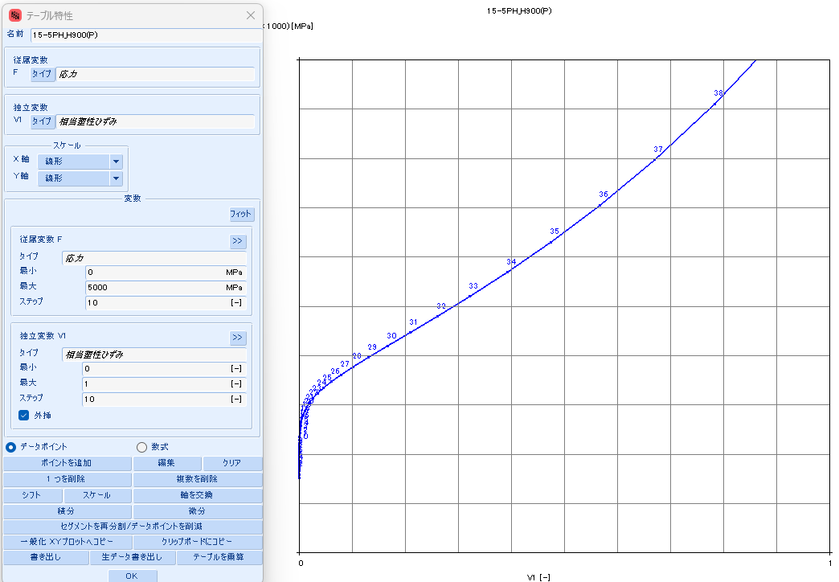
 |  |  | 0.3141 | 265 | 75 | 0.2732 | 348 | 458 | 0.2732 | 0.0122 | 0.2610 | #N/A | #N/A | #N/A | #N/A | #N/A | #N/A | #N/A | #N/A
 |  |  | 0.3982 | 270 | 60 | 0.3352 | 378 | 472 | 0.3352 | 0.0132 | 0.3219 | #N/A | #N/A | #N/A | #N/A | #N/A | #N/A | #N/A | #N/A
 |  |  | 0.5031 | 275 | 48 | 0.4075 | 413 | 495 | 0.4075 | 0.0145 | 0.3930 | #N/A | #N/A | #N/A | #N/A | #N/A | #N/A | #N/A | #N/A
 |  |  | 0.6335 | 280 | 38 | 0.4907 | 457 | 529 | 0.4907 | 0.0160 | 0.4747 | #N/A | #N/A | #N/A | #N/A | #N/A | #N/A | #N/A | #N/A
 |  |  | 0.7950 | 285 | 31 | 0.5850 | 512 | 575 | 0.5850 | 0.0180 | 0.5671 | #N/A | #N/A | #N/A | #N/A | #N/A | #N/A | #N/A | #N/A
 |  |  | 0.9943 | 290 | 25 | 0.6903 | 578 | 634 | 0.6903 | 0.0203 | 0.6700 | #N/A | #N/A | #N/A | #N/A | #N/A | #N/A | #N/A | #N/A
 |  |  | 1.2394 | 295 | 20 | 0.8062 | 661 | 710 | 0.8062 | 0.0232 | 0.7830 | #N/A | #N/A | #N/A | #N/A | #N/A | #N/A | #N/A | #N/A
 |  |  | 1.5397 | 300 | 17 | 0.9321 | 762 | 805 | 0.9321 | 0.0267 | 0.9053 | #N/A | #N/A | #N/A | #N/A | #N/A | #N/A | #N/A | #N/A

15-5PH_H925
SS curve, small range
15-5PH_AMS5659_H925
 | parameter |  | R-O line_H925_eng_total strain |  |  | R-O line_H925_true_total strain |  |  |  |  |  | R-O line_H925_true_plastic strain |  |  | table data for fea |  | fea line_H925_total strain
 | E | 28,500 | εeng | σeng | Eeng | εtrue | σtrue | Etrue | εtrue | εelastic | εplastic | εfea | σfea | Efea | εfea | σfea | εfea | σfea | Efea
 | σty | 155 | [-] | [KSI] | [KSI] | [-] | [KSI] | [KSI] | [-] | [-] | [-] | [-] | [KSI] | [KSI] | [-] | [MPa] | [-] | [KSI] | [KSI]
 | K | 0.038% | 0.0000 | 0 | #N/A | 0.0000 | 0 | #N/A | 0.0000 | 0.0000 | 0.0000 | 0.0000 | 110 | #N/A | 0.0000000 | 761.354 | 0.0000 | 0 | #N/A
 | n | 13 | 0.0002 | 5 | 28,500 | 0.0002 | 5 | 28,508 | 0.0002 | 0.0002 | (0.0000) | 0.0000 | 115 | 3,764,695 | 0.0000013 | 796.103 | 0.0039 | 110 | 28,500
 |  |  | 0.0004 | 10 | 28,500 | 0.0004 | 10 | 28,523 | 0.0004 | 0.0004 | (0.0000) | 0.0000 | 121 | 1,409,206 | 0.0000049 | 830.866 | 0.0041 | 115 | 28,286
 | F0.70 line |  | 0.0005 | 15 | 28,500 | 0.0005 | 15 | 28,538 | 0.0005 | 0.0005 | (0.0000) | 0.0000 | 126 | 700,385 | 0.0000121 | 865.645 | 0.0042 | 121 | 27,935
 | σ | ε | 0.0007 | 20 | 28,500 | 0.0007 | 20 | 28,553 | 0.0007 | 0.0007 | (0.0000) | 0.0000 | 131 | 390,531 | 0.0000250 | 900.442 | 0.0044 | 126 | 27,386
 | 0 | 0.00000 | 0.0009 | 25 | 28,500 | 0.0009 | 25 | 28,568 | 0.0009 | 0.0009 | (0.0000) | 0.0000 | 136 | 232,012 | 0.0000468 | 935.260 | 0.0046 | 131 | 26,562
 | 999 | 0.05008 | 0.0011 | 30 | 28,500 | 0.0011 | 30 | 28,583 | 0.0011 | 0.0011 | (0.0000) | 0.0001 | 141 | 143,628 | 0.0000820 | 970.106 | 0.0048 | 136 | 25,382
 |  |  | 0.0012 | 35 | 28,500 | 0.0012 | 35 | 28,598 | 0.0012 | 0.0012 | (0.0000) | 0.0001 | 146 | 91,601 | 0.0001372 | 1004.986 | 0.0050 | 141 | 23,781
 | F0.85 line |  | 0.0014 | 40 | 28,500 | 0.0014 | 40 | 28,613 | 0.0014 | 0.0014 | (0.0000) | 0.0002 | 151 | 59,799 | 0.0002219 | 1039.914 | 0.0053 | 146 | 21,737
 | σ | ε | 0.0016 | 45 | 28,500 | 0.0016 | 45 | 28,628 | 0.0016 | 0.0016 | (0.0000) | 0.0003 | 156 | 39,801 | 0.0003495 | 1074.906 | 0.0055 | 151 | 19,301
 | 0 | 0.00000 | 0.0018 | 50 | 28,500 | 0.0018 | 50 | 28,643 | 0.0018 | 0.0018 | (0.0000) | 0.0005 | 161 | 26,942 | 0.0005383 | 1109.988 | 0.0058 | 156 | 16,608
 | 999 | 0.04124 | 0.0019 | 55 | 28,500 | 0.0019 | 55 | 28,658 | 0.0019 | 0.0019 | (0.0000) | 0.0008 | 166 | 18,518 | 0.0008141 | 1145.196 | 0.0062 | 161 | 13,850
 |  |  | 0.0021 | 60 | 28,500 | 0.0021 | 60 | 28,673 | 0.0021 | 0.0021 | (0.0000) | 0.0012 | 171 | 12,911 | 0.0012116 | 1180.581 | 0.0066 | 166 | 11,225
 | formula n(ref.) |  | 0.0023 | 65 | 28,500 | 0.0023 | 65 | 28,687 | 0.0023 | 0.0023 | (0.0000) | 0.0018 | 176 | 9,125 | 0.0017779 | 1216.213 | 0.0072 | 171 | 8,885
 | F0.70 | 192 | 0.0025 | 70 | 28,499 | 0.0025 | 70 | 28,702 | 0.0025 | 0.0025 | (0.0000) | 0.0026 | 182 | 6,538 | 0.0025760 | 1252.190 | 0.0080 | 176 | 6,912
 | F0.85 | 174 | 0.0026 | 75 | 28,497 | 0.0026 | 75 | 28,715 | 0.0026 | 0.0026 | (0.0000) | 0.0037 | 187 | 4,749 | 0.0036893 | 1288.645 | 0.0089 | 182 | 5,318
 | n | 16 | 0.0028 | 80 | 28,494 | 0.0028 | 80 | 28,726 | 0.0028 | 0.0028 | (0.0000) | 0.0052 | 192 | 3,500 | 0.0052273 | 1325.761 | 0.0102 | 187 | 4,071
 |  |  | 0.0030 | 85 | 28,486 | 0.0030 | 85 | 28,734 | 0.0030 | 0.0030 | (0.0000) | 0.0073 | 198 | 2,619 | 0.0073325 | 1363.781 | 0.0120 | 192 | 3,117
 | ROW# | 27 | 0.0032 | 90 | 28,472 | 0.0032 | 90 | 28,735 | 0.0032 | 0.0032 | (0.0000) | 0.0102 | 203 | 1,993 | 0.0101886 | 1403.030 | 0.0143 | 198 | 2,399
 |  |  | 0.0033 | 95 | 28,446 | 0.0033 | 95 | 28,724 | 0.0033 | 0.0033 | (0.0000) | 0.0140 | 209 | 1,545 | 0.0140299 | 1443.942 | 0.0173 | 203 | 1,863
 |  |  | 0.0035 | 100 | 28,400 | 0.0035 | 100 | 28,692 | 0.0035 | 0.0035 | (0.0000) | 0.0192 | 216 | 1,221 | 0.0191523 | 1487.083 | 0.0214 | 209 | 1,465
 |  |  | 0.0037 | 105 | 28,318 | 0.0037 | 105 | 28,625 | 0.0037 | 0.0037 | (0.0000) | 0.0259 | 222 | 987 | 0.0259253 | 1533.196 | 0.0267 | 216 | 1,171
SS curve, large range
 |  |  | 0.0039 | 110 | 28,179 | 0.0039 | 110 | 28,500 | 0.0039 | 0.0039 | (0.0000) | 0.0348 | 230 | 818 | 0.0348041 | 1583.246 | 0.0337 | 222 | 954
 |  |  | 0.0040 | 115 | 27,951 | 0.0040 | 115 | 28,286 | 0.0040 | 0.0041 | (0.0000) | 0.0463 | 238 | 694 | 0.0463414 | 1638.479 | 0.0429 | 230 | 795
 |  |  | 0.0042 | 120 | 27,589 | 0.0042 | 121 | 27,935 | 0.0042 | 0.0042 | (0.0000) | 0.0612 | 247 | 605 | 0.0611971 | 1700.494 | 0.0547 | 238 | 678
 |  |  | 0.0044 | 125 | 27,029 | 0.0044 | 126 | 27,386 | 0.0044 | 0.0044 | (0.0000) | 0.0801 | 257 | 542 | 0.0801428 | 1771.331 | 0.0699 | 247 | 593
 |  |  | 0.0046 | 130 | 26,197 | 0.0046 | 131 | 26,562 | 0.0046 | 0.0046 | 0.0000 | 0.1041 | 269 | 499 | 0.1040595 | 1853.582 | 0.0892 | 257 | 532
 |  |  | 0.0048 | 135 | 25,013 | 0.0048 | 136 | 25,382 | 0.0048 | 0.0048 | 0.0000 | 0.1339 | 283 | 471 | 0.1339235 | 1950.521 | 0.1135 | 269 | 490
 |  |  | 0.0050 | 140 | 23,413 | 0.0050 | 141 | 23,781 | 0.0050 | 0.0049 | 0.0001 | 0.1708 | 300 | 456 | 0.1707777 | 2066.264 | 0.1438 | 283 | 463
 |  |  | 0.0052 | 145 | 21,374 | 0.0052 | 146 | 21,737 | 0.0052 | 0.0051 | 0.0001 | 0.2157 | 320 | 451 | 0.2156863 | 2205.964 | 0.1813 | 300 | 448
 |  |  | 0.0055 | 150 | 18,948 | 0.0055 | 151 | 19,301 | 0.0055 | 0.0053 | 0.0002 | 0.2697 | 345 | 457 | 0.2696719 | 2376.037 | 0.2269 | 320 | 444
 |  |  | 0.0058 | 155 | 16,270 | 0.0058 | 156 | 16,608 | 0.0058 | 0.0055 | 0.0003 | 0.3336 | 375 | 473 | 0.3336395 | 2584.443 | 0.2818 | 345 | 450
 |  |  | 0.0062 | 160 | 13,528 | 0.0062 | 161 | 13,850 | 0.0062 | 0.0056 | 0.0005 | 0.4083 | 412 | 498 | 0.4082940 | 2841.018 | 0.3468 | 375 | 465
 |  |  | 0.0066 | 165 | 10,921 | 0.0066 | 166 | 11,225 | 0.0066 | 0.0058 | 0.0008 | 0.4941 | 458 | 536 | 0.4940651 | 3157.862 | 0.4228 | 412 | 490
 |  |  | 0.0072 | 170 | 8,597 | 0.0072 | 171 | 8,885 | 0.0072 | 0.0060 | 0.0012 | 0.5910 | 515 | 586 | 0.5910497 | 3549.806 | 0.5101 | 458 | 526
 |  |  | 0.0080 | 175 | 6,637 | 0.0079 | 176 | 6,912 | 0.0079 | 0.0062 | 0.0018 | 0.6990 | 585 | 652 | 0.6989853 | 4034.963 | 0.6091 | 515 | 574
 |  |  | 0.0090 | 180 | 5,053 | 0.0089 | 182 | 5,318 | 0.0089 | 0.0064 | 0.0026 | 0.8173 | 672 | 736 | 0.8172578 | 4635.374 | 0.7195 | 585 | 637
 |  |  | 0.0103 | 185 | 3,813 | 0.0102 | 187 | 4,071 | 0.0102 | 0.0066 | 0.0037 | 0.9449 | 780 | 843 | 0.9449417 | 5377.767 | 0.8408 | 672 | 718
 |  |  | 0.0120 | 190 | 2,863 | 0.0120 | 192 | 3,117 | 0.0120 | 0.0067 | 0.0052 | 1.0809 | 913 | 978 | 1.0808643 | 6294.448 | 0.9723 | 780 | 819
 |  |  | 0.0144 | 195 | 2,147 | 0.0143 | 198 | 2,399 | 0.0143 | 0.0069 | 0.0073 | #N/A | #N/A | #N/A | #N/A | #N/A | 1.1129 | 913 | 946
 |  |  | 0.0175 | 200 | 1,611 | 0.0173 | 203 | 1,863 | 0.0173 | 0.0071 | 0.0102 | #N/A | #N/A | #N/A | #N/A | #N/A | #N/A | #N/A | #N/A
 |  |  | 0.0216 | 205 | 1,211 | 0.0214 | 209 | 1,465 | 0.0214 | 0.0073 | 0.0140 | #N/A | #N/A | #N/A | #N/A | #N/A | #N/A | #N/A | #N/A
 |  |  | 0.0271 | 210 | 914 | 0.0267 | 216 | 1,171 | 0.0267 | 0.0076 | 0.0191 | #N/A | #N/A | #N/A | #N/A | #N/A | #N/A | #N/A | #N/A
 |  |  | 0.0343 | 215 | 692 | 0.0337 | 222 | 954 | 0.0337 | 0.0078 | 0.0259 | #N/A | #N/A | #N/A | #N/A | #N/A | #N/A | #N/A | #N/A
 |  |  | 0.0438 | 220 | 527 | 0.0428 | 230 | 795 | 0.0428 | 0.0081 | 0.0348 | #N/A | #N/A | #N/A | #N/A | #N/A | #N/A | #N/A | #N/A
 |  |  | 0.0562 | 225 | 403 | 0.0547 | 238 | 678 | 0.0547 | 0.0083 | 0.0463 | #N/A | #N/A | #N/A | #N/A | #N/A | #N/A | #N/A | #N/A
 |  |  | 0.0723 | 230 | 310 | 0.0698 | 247 | 593 | 0.0698 | 0.0087 | 0.0612 | #N/A | #N/A | #N/A | #N/A | #N/A | #N/A | #N/A | #N/A
 |  |  | 0.0932 | 235 | 239 | 0.0891 | 257 | 532 | 0.0891 | 0.0090 | 0.0801 | #N/A | #N/A | #N/A | #N/A | #N/A | #N/A | #N/A | #N/A
 |  |  | 0.1202 | 240 | 186 | 0.1135 | 269 | 490 | 0.1135 | 0.0094 | 0.1040 | #N/A | #N/A | #N/A | #N/A | #N/A | #N/A | #N/A | #N/A
 |  |  | 0.1547 | 245 | 145 | 0.1438 | 283 | 463 | 0.1438 | 0.0099 | 0.1339 | #N/A | #N/A | #N/A | #N/A | #N/A | #N/A | #N/A | #N/A
 |  |  | 0.1987 | 250 | 113 | 0.1813 | 300 | 448 | 0.1813 | 0.0105 | 0.1708 | #N/A | #N/A | #N/A | #N/A | #N/A | #N/A | #N/A | #N/A
 |  |  | 0.2547 | 255 | 89 | 0.2269 | 320 | 444 | 0.2269 | 0.0112 | 0.2157 | #N/A | #N/A | #N/A | #N/A | #N/A | #N/A | #N/A | #N/A
 |  |  | 0.3254 | 260 | 71 | 0.2817 | 345 | 450 | 0.2817 | 0.0121 | 0.2697 | #N/A | #N/A | #N/A | #N/A | #N/A | #N/A | #N/A | #N/A
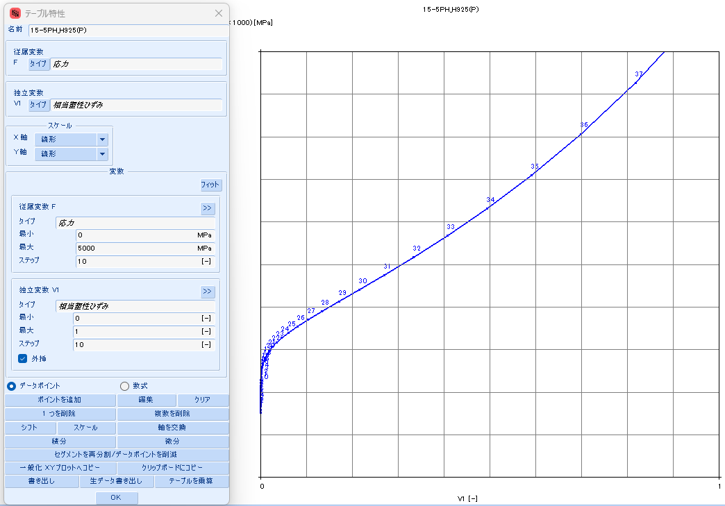
 |  |  | 0.4145 | 265 | 56 | 0.3468 | 375 | 465 | 0.3468 | 0.0132 | 0.3336 | #N/A | #N/A | #N/A | #N/A | #N/A | #N/A | #N/A | #N/A
 |  |  | 0.5261 | 270 | 45 | 0.4227 | 412 | 490 | 0.4227 | 0.0145 | 0.4083 | #N/A | #N/A | #N/A | #N/A | #N/A | #N/A | #N/A | #N/A
 |  |  | 0.6655 | 275 | 36 | 0.5101 | 458 | 526 | 0.5101 | 0.0161 | 0.4940 | #N/A | #N/A | #N/A | #N/A | #N/A | #N/A | #N/A | #N/A
 |  |  | 0.8388 | 280 | 29 | 0.6091 | 515 | 574 | 0.6091 | 0.0181 | 0.5910 | #N/A | #N/A | #N/A | #N/A | #N/A | #N/A | #N/A | #N/A
 |  |  | 1.0534 | 285 | 23 | 0.7195 | 585 | 637 | 0.7195 | 0.0205 | 0.6990 | #N/A | #N/A | #N/A | #N/A | #N/A | #N/A | #N/A | #N/A
 |  |  | 1.3183 | 290 | 19 | 0.8408 | 672 | 718 | 0.8408 | 0.0236 | 0.8172 | #N/A | #N/A | #N/A | #N/A | #N/A | #N/A | #N/A | #N/A
 |  |  | 1.6440 | 295 | 15 | 0.9723 | 780 | 819 | 0.9723 | 0.0274 | 0.9449 | #N/A | #N/A | #N/A | #N/A | #N/A | #N/A | #N/A | #N/A
 |  |  | 2.0431 | 300 | 13 | 1.1129 | 913 | 946 | 1.1129 | 0.0320 | 1.0808 | #N/A | #N/A | #N/A | #N/A | #N/A | #N/A | #N/A | #N/A

15-5PH_H1025
SS curve, small range
15-5PH_AMS5659_H1025
 | parameter |  | R-O line_H1025_eng_total strain |  |  | R-O line_H1025_true_total strain |  |  |  |  |  | R-O line_H1025_true_plastic strain |  |  | table data for fea |  | fea line_H1025_total strain
 | E | 28,500 | εeng | σeng | Eeng | εtrue | σtrue | Etrue | εtrue | εelastic | εplastic | εfea | σfea | Efea | εfea | σfea | εfea | σfea | Efea
 | σty | 152 | [-] | [KSI] | [KSI] | [-] | [KSI] | [KSI] | [-] | [-] | [-] | [-] | [KSI] | [KSI] | [-] | [MPa] | [-] | [KSI] | [KSI]
 | K | 0.027% | 0.0000 | 0 | #N/A | 0.0000 | 0 | #N/A | 0.0000 | 0.0000 | 0.0000 | 0.0000 | 126 | #N/A | 0.0000000 | 865.627 | 0.0000 | 0 | #N/A
 | n | 24 | 0.0002 | 5 | 28,500 | 0.0002 | 5 | 28,508 | 0.0002 | 0.0002 | (0.0000) | 0.0000 | 131 | 3,416,895 | 0.0000015 | 900.413 | 0.0044 | 126 | 28,500
 |  |  | 0.0004 | 10 | 28,500 | 0.0004 | 10 | 28,523 | 0.0004 | 0.0004 | (0.0000) | 0.0000 | 136 | 741,964 | 0.0000083 | 935.216 | 0.0046 | 131 | 28,264
 | F0.70 line |  | 0.0005 | 15 | 28,500 | 0.0005 | 15 | 28,538 | 0.0005 | 0.0005 | (0.0000) | 0.0000 | 141 | 264,660 | 0.0000274 | 970.044 | 0.0048 | 136 | 27,446
 | σ | ε | 0.0007 | 20 | 28,500 | 0.0007 | 20 | 28,553 | 0.0007 | 0.0007 | (0.0000) | 0.0001 | 146 | 108,934 | 0.0000738 | 1004.914 | 0.0050 | 141 | 25,729
 | 0 | 0.00000 | 0.0009 | 25 | 28,500 | 0.0009 | 25 | 28,568 | 0.0009 | 0.0009 | (0.0000) | 0.0002 | 151 | 48,055 | 0.0001793 | 1039.860 | 0.0052 | 146 | 22,590
 | 999 | 0.05008 | 0.0011 | 30 | 28,500 | 0.0011 | 30 | 28,583 | 0.0011 | 0.0011 | (0.0000) | 0.0004 | 156 | 22,171 | 0.0004089 | 1074.961 | 0.0055 | 151 | 17,890
 |  |  | 0.0012 | 35 | 28,500 | 0.0012 | 35 | 28,598 | 0.0012 | 0.0012 | (0.0000) | 0.0009 | 161 | 10,608 | 0.0008931 | 1110.375 | 0.0059 | 156 | 12,470
 | F0.85 line |  | 0.0014 | 40 | 28,500 | 0.0014 | 40 | 28,613 | 0.0014 | 0.0014 | (0.0000) | 0.0019 | 166 | 5,259 | 0.0018872 | 1146.423 | 0.0065 | 161 | 7,731
 | σ | ε | 0.0016 | 45 | 28,500 | 0.0016 | 45 | 28,628 | 0.0016 | 0.0016 | (0.0000) | 0.0039 | 172 | 2,716 | 0.0038800 | 1183.744 | 0.0077 | 166 | 4,440
 | 0 | 0.00000 | 0.0018 | 50 | 28,500 | 0.0018 | 50 | 28,643 | 0.0018 | 0.0018 | (0.0000) | 0.0078 | 177 | 1,479 | 0.0077855 | 1223.577 | 0.0099 | 172 | 2,480
 | 999 | 0.04124 | 0.0019 | 55 | 28,500 | 0.0019 | 55 | 28,658 | 0.0019 | 0.0019 | (0.0000) | 0.0153 | 184 | 866 | 0.0152699 | 1268.279 | 0.0140 | 177 | 1,406
 |  |  | 0.0021 | 60 | 28,500 | 0.0021 | 60 | 28,673 | 0.0021 | 0.0021 | (0.0000) | 0.0293 | 192 | 559 | 0.0292800 | 1322.263 | 0.0217 | 184 | 841
 | formula n(ref.) |  | 0.0023 | 65 | 28,500 | 0.0023 | 65 | 28,688 | 0.0023 | 0.0023 | (0.0000) | 0.0548 | 202 | 405 | 0.0548204 | 1393.637 | 0.0360 | 192 | 548
 | F0.70 | 192 | 0.0025 | 70 | 28,500 | 0.0025 | 70 | 28,703 | 0.0025 | 0.0025 | (0.0000) | 0.0999 | 217 | 333 | 0.0999061 | 1497.062 | 0.0619 | 202 | 400
 | F0.85 | 174 | 0.0026 | 75 | 28,500 | 0.0026 | 75 | 28,718 | 0.0026 | 0.0026 | (0.0000) | 0.1763 | 241 | 307 | 0.1762616 | 1658.643 | 0.1075 | 217 | 329
 | n | 16 | 0.0028 | 80 | 28,500 | 0.0028 | 80 | 28,733 | 0.0028 | 0.0028 | (0.0000) | 0.2987 | 279 | 315 | 0.2987196 | 1924.184 | 0.1847 | 241 | 304
 |  |  | 0.0030 | 85 | 28,500 | 0.0030 | 85 | 28,748 | 0.0030 | 0.0030 | (0.0000) | 0.4820 | 344 | 355 | 0.4819630 | 2372.932 | 0.3085 | 279 | 311
 | ROW# | 30 | 0.0032 | 90 | 28,500 | 0.0032 | 90 | 28,763 | 0.0032 | 0.0032 | (0.0000) | 0.7347 | 455 | 440 | 0.7346862 | 3140.195 | 0.4940 | 344 | 351
 |  |  | 0.0033 | 95 | 28,500 | 0.0033 | 95 | 28,778 | 0.0033 | 0.0033 | (0.0000) | 1.0545 | 646 | 596 | 1.0545462 | 4454.081 | 0.7507 | 455 | 434
 |  |  | 0.0035 | 100 | 28,499 | 0.0035 | 100 | 28,792 | 0.0035 | 0.0035 | (0.0000) | 1.4281 | 971 | 870 | 1.4281433 | 6694.542 | 1.0772 | 646 | 584
 |  |  | 0.0037 | 105 | 28,496 | 0.0037 | 105 | 28,804 | 0.0037 | 0.0037 | (0.0000) | 1.8357 | 1521 | 1,350 | 1.8357244 | 10487.179 | 1.4622 | 971 | 844
SS curve, large range
 |  |  | 0.0039 | 110 | 28,487 | 0.0039 | 110 | 28,811 | 0.0039 | 0.0039 | (0.0000) | 2.2561 | 2444 | 2,196 | 2.2560771 | 16850.780 | 1.8891 | 1521 | 1,289
 |  |  | 0.0040 | 115 | 28,464 | 0.0040 | 115 | 28,803 | 0.0040 | 0.0041 | (0.0000) | 2.6683 | 3978 | 3,721 | 2.6683323 | 27427.016 | 2.3418 | 2444 | 2,039
 |  |  | 0.0042 | 120 | 28,404 | 0.0042 | 121 | 28,757 | 0.0042 | 0.0042 | (0.0000) | 3.0506 | 6503 | 6,605 | 3.0505781 | 44834.677 | 2.8079 | 3978 | 3,291
 |  |  | 0.0044 | 125 | 28,251 | 0.0044 | 126 | 28,618 | 0.0044 | 0.0044 | (0.0000) | 3.3763 | 10618 | 12,634 | 3.3763308 | 73210.989 | 3.2787 | 6503 | 5,362
 |  |  | 0.0046 | 130 | 27,886 | 0.0046 | 131 | 28,264 | 0.0046 | 0.0046 | (0.0000) | 3.6094 | 17264 | 28,515 | 3.6093886 | 119031.580 | 3.7489 | 10618 | 8,754
 |  |  | 0.0048 | 135 | 27,060 | 0.0047 | 136 | 27,446 | 0.0047 | 0.0048 | (0.0000) | 3.6968 | 27897 | 121,673 | 3.6967770 | 192342.123 | 4.2151 | 17264 | 14,254
 |  |  | 0.0049 | 140 | 25,345 | 0.0049 | 141 | 25,729 | 0.0049 | 0.0049 | 0.0000 | 3.5589 | 44758 | (122,262) | 3.5588700 | 308593.453 | 4.6756 | 27897 | 23,091
 |  |  | 0.0052 | 145 | 22,221 | 0.0052 | 146 | 22,590 | 0.0052 | 0.0051 | 0.0000 | 3.0752 | 71265 | (54,809) | 3.0752399 | 491354.667 | 5.1293 | 44758 | 37,163
 |  |  | 0.0055 | 150 | 17,554 | 0.0054 | 151 | 17,890 | 0.0054 | 0.0053 | 0.0002 | 2.0642 | 112592 | (40,875) | 2.0641863 | 776294.398 | 5.5758 | 71265 | 59,374
 |  |  | 0.0059 | 155 | 12,178 | 0.0059 | 156 | 12,470 | 0.0059 | 0.0055 | 0.0004 | 0.2531 | 176508 | (35,291) | 0.2530915 | 1216981.148 | 6.0148 | 112592 | 94,135
 |  |  | 0.0065 | 160 | 7,479 | 0.0065 | 161 | 7,731 | 0.0065 | 0.0057 | 0.0009 | (2.7644) | 274596 | (32,507) | (2.7643628) | 1893275.444 | 6.4464 | 176508 | 148,099
 |  |  | 0.0077 | 165 | 4,216 | 0.0077 | 166 | 4,440 | 0.0077 | 0.0058 | 0.0019 | (7.5896) | 424002 | (30,963) | (7.5896198) | 2923391.099 | 6.8706 | 274596 | 231,212
 |  |  | 0.0099 | 170 | 2,271 | 0.0099 | 172 | 2,480 | 0.0099 | 0.0060 | 0.0039 | (15.1069) | 649931 | (30,055) | (15.1069245) | 4481118.372 | 7.2876 | 424002 | 358,249
 |  |  | 0.0141 | 175 | 1,203 | 0.0140 | 177 | 1,406 | 0.0140 | 0.0062 | 0.0078 | (26.6077) | 989196 | (29,499) | (26.6077235) | 6820265.687 | 7.6977 | 649931 | 551,001
 |  |  | 0.0219 | 180 | 637 | 0.0217 | 184 | 841 | 0.0217 | 0.0065 | 0.0152 | #N/A | #N/A | #N/A | #N/A | #N/A | 8.1009 | 989196 | 841,391
 |  |  | 0.0366 | 185 | 340 | 0.0360 | 192 | 548 | 0.0360 | 0.0067 | 0.0293 | #N/A | #N/A | #N/A | #N/A | #N/A | #N/A | #N/A | #N/A
 |  |  | 0.0638 | 190 | 184 | 0.0619 | 202 | 400 | 0.0619 | 0.0071 | 0.0548 | #N/A | #N/A | #N/A | #N/A | #N/A | #N/A | #N/A | #N/A
 |  |  | 0.1135 | 195 | 101 | 0.1075 | 217 | 329 | 0.1075 | 0.0076 | 0.0999 | #N/A | #N/A | #N/A | #N/A | #N/A | #N/A | #N/A | #N/A
 |  |  | 0.2028 | 200 | 56 | 0.1847 | 241 | 304 | 0.1847 | 0.0084 | 0.1762 | #N/A | #N/A | #N/A | #N/A | #N/A | #N/A | #N/A | #N/A
 |  |  | 0.3614 | 205 | 32 | 0.3085 | 279 | 311 | 0.3085 | 0.0098 | 0.2987 | #N/A | #N/A | #N/A | #N/A | #N/A | #N/A | #N/A | #N/A
 |  |  | 0.6389 | 210 | 18 | 0.4940 | 344 | 351 | 0.4940 | 0.0121 | 0.4819 | #N/A | #N/A | #N/A | #N/A | #N/A | #N/A | #N/A | #N/A
 |  |  | 1.1184 | 215 | 10 | 0.7506 | 455 | 434 | 0.7506 | 0.0160 | 0.7347 | #N/A | #N/A | #N/A | #N/A | #N/A | #N/A | #N/A | #N/A
 |  |  | 1.9364 | 220 | 6 | 1.0772 | 646 | 584 | 1.0772 | 0.0227 | 1.0545 | #N/A | #N/A | #N/A | #N/A | #N/A | #N/A | #N/A | #N/A
 |  |  | 3.3154 | 225 | 4 | 1.4622 | 971 | 844 | 1.4622 | 0.0341 | 1.4281 | #N/A | #N/A | #N/A | #N/A | #N/A | #N/A | #N/A | #N/A
 |  |  | 5.6132 | 230 | 2 | 1.8891 | 1521 | 1,289 | 1.8891 | 0.0534 | 1.8357 | #N/A | #N/A | #N/A | #N/A | #N/A | #N/A | #N/A | #N/A
 |  |  | 9.4000 | 235 | 1 | 2.3418 | 2444 | 2,039 | 2.3418 | 0.0858 | 2.2561 | #N/A | #N/A | #N/A | #N/A | #N/A | #N/A | #N/A | #N/A
 |  |  | 15.5748 | 240 | 1 | 2.8079 | 3978 | 3,291 | 2.8079 | 0.1396 | 2.6683 | #N/A | #N/A | #N/A | #N/A | #N/A | #N/A | #N/A | #N/A
 |  |  | 25.5417 | 245 | 1 | 3.2787 | 6503 | 5,362 | 3.2787 | 0.2282 | 3.0506 | #N/A | #N/A | #N/A | #N/A | #N/A | #N/A | #N/A | #N/A
 |  |  | 41.4734 | 250 | 0 | 3.7489 | 10618 | 8,754 | 3.7489 | 0.3726 | 3.3763 | #N/A | #N/A | #N/A | #N/A | #N/A | #N/A | #N/A | #N/A
 |  |  | 66.7022 | 255 | 0 | 4.2151 | 17264 | 14,254 | 4.2151 | 0.6058 | 3.6094 | #N/A | #N/A | #N/A | #N/A | #N/A | #N/A | #N/A | #N/A
 |  |  | 106.2956 | 260 | 0 | 4.6756 | 27897 | 23,091 | 4.6756 | 0.9788 | 3.6968 | #N/A | #N/A | #N/A | #N/A | #N/A | #N/A | #N/A | #N/A
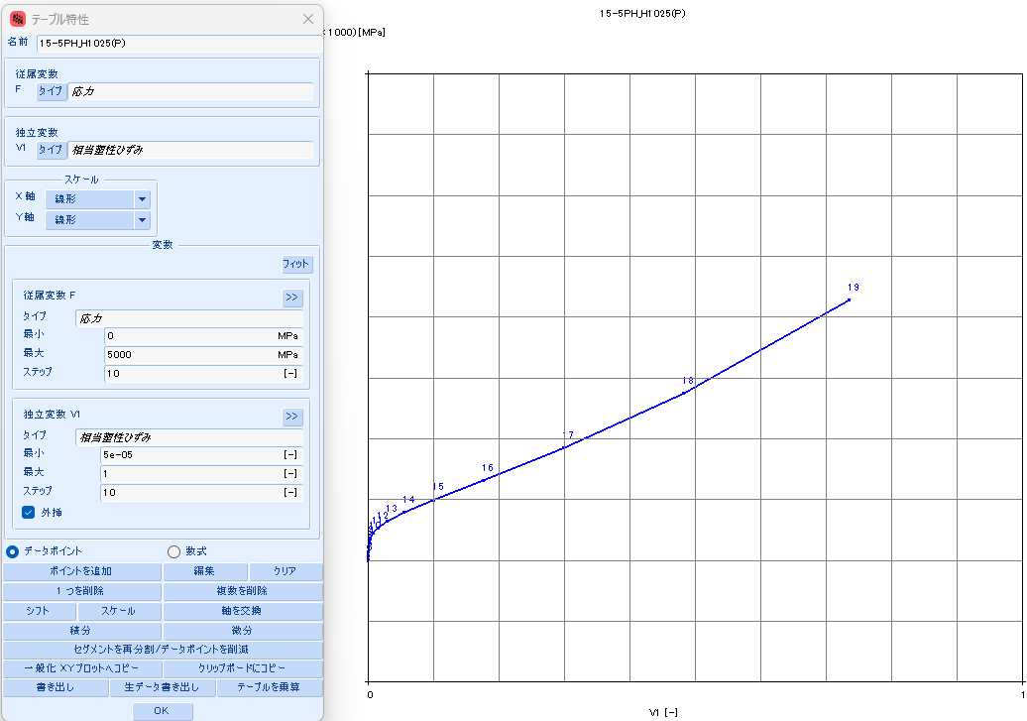
 |  |  | 167.8969 | 265 | 0 | 5.1293 | 44758 | 37,163 | 5.1293 | 1.5704 | 3.5588 | #N/A | #N/A | #N/A | #N/A | #N/A | #N/A | #N/A | #N/A
 |  |  | 262.9442 | 270 | 0 | 5.5757 | 71265 | 59,374 | 5.5757 | 2.5005 | 3.0752 | #N/A | #N/A | #N/A | #N/A | #N/A | #N/A | #N/A | #N/A
 |  |  | 408.4252 | 275 | 0 | 6.0148 | 112592 | 94,135 | 6.0148 | 3.9506 | 2.0642 | #N/A | #N/A | #N/A | #N/A | #N/A | #N/A | #N/A | #N/A
 |  |  | 629.3862 | 280 | 0 | 6.4463 | 176508 | 148,099 | 6.4463 | 6.1933 | 0.2531 | #N/A | #N/A | #N/A | #N/A | #N/A | #N/A | #N/A | #N/A
 |  |  | 962.4957 | 285 | 0 | 6.8706 | 274596 | 231,212 | 6.8706 | 9.6350 | (2.7644) | #N/A | #N/A | #N/A | #N/A | #N/A | #N/A | #N/A | #N/A
 |  |  | 1461.0754 | 290 | 0 | 7.2876 | 424002 | 358,249 | 7.2876 | 14.8773 | (7.5896) | #N/A | #N/A | #N/A | #N/A | #N/A | #N/A | #N/A | #N/A
 |  |  | 2202.1560 | 295 | 0 | 7.6976 | 649931 | 551,001 | 7.6976 | 22.8046 | (15.1070) | #N/A | #N/A | #N/A | #N/A | #N/A | #N/A | #N/A | #N/A
 |  |  | 3296.3184 | 300 | 0 | 8.1009 | 989196 | 841,391 | 8.1009 | 34.7086 | (26.6077) | #N/A | #N/A | #N/A | #N/A | #N/A | #N/A | #N/A | #N/A

15-5PH_H1075
SS curve, small range
15-5PH_AMS5659_H1075
 | parameter |  | R-O line_H1075_eng_total strain |  |  | R-O line_H1075_true_total strain |  |  |  |  |  | R-O line_H1075_true_plastic strain |  |  | table data for fea |  | fea line_H1075_total strain
 | E | 28,500 | εeng | σeng | Eeng | εtrue | σtrue | Etrue | εtrue | εelastic | εplastic | εfea | σfea | Efea | εfea | σfea | εfea | σfea | Efea
 | σty | 125 | [-] | [KSI] | [KSI] | [-] | [KSI] | [KSI] | [-] | [-] | [-] | [-] | [KSI] | [KSI] | [-] | [MPa] | [-] | [KSI] | [KSI]
 | K | 0.007% | 0.0000 | 0 | #N/A | 0.0000 | 0 | #N/A | 0.0000 | 0.0000 | 0.0000 | 0.0000 | 105 | #N/A | 0.0000000 | 726.618 | 0.0000 | 0 | #N/A
 | n | 22 | 0.0002 | 5 | 28,500 | 0.0002 | 5 | 28,508 | 0.0002 | 0.0002 | (0.0000) | 0.0000 | 110 | 7,306,001 | 0.0000007 | 761.354 | 0.0037 | 105 | 28,500
 |  |  | 0.0004 | 10 | 28,500 | 0.0004 | 10 | 28,523 | 0.0004 | 0.0004 | (0.0000) | 0.0000 | 115 | 1,040,816 | 0.0000055 | 796.106 | 0.0039 | 110 | 28,389
 | F0.70 line |  | 0.0005 | 15 | 28,500 | 0.0005 | 15 | 28,538 | 0.0005 | 0.0005 | (0.0000) | 0.0000 | 121 | 335,823 | 0.0000206 | 830.878 | 0.0041 | 115 | 27,740
 | σ | ε | 0.0007 | 20 | 28,500 | 0.0007 | 20 | 28,553 | 0.0007 | 0.0007 | (0.0000) | 0.0001 | 126 | 129,939 | 0.0000594 | 865.685 | 0.0042 | 121 | 26,271
 | 0 | 0.00000 | 0.0009 | 25 | 28,500 | 0.0009 | 25 | 28,568 | 0.0009 | 0.0009 | (0.0000) | 0.0002 | 131 | 54,597 | 0.0001520 | 900.556 | 0.0045 | 126 | 23,373
 | 999 | 0.05008 | 0.0011 | 30 | 28,500 | 0.0011 | 30 | 28,583 | 0.0011 | 0.0011 | (0.0000) | 0.0004 | 136 | 24,164 | 0.0003621 | 935.556 | 0.0047 | 131 | 18,725
 |  |  | 0.0012 | 35 | 28,500 | 0.0012 | 35 | 28,598 | 0.0012 | 0.0012 | (0.0000) | 0.0008 | 141 | 11,146 | 0.0008211 | 970.826 | 0.0051 | 136 | 13,077
 | F0.85 line |  | 0.0014 | 40 | 28,500 | 0.0014 | 40 | 28,613 | 0.0014 | 0.0014 | (0.0000) | 0.0018 | 146 | 5,348 | 0.0017928 | 1006.659 | 0.0058 | 141 | 8,013
 | σ | ε | 0.0016 | 45 | 28,500 | 0.0016 | 45 | 28,628 | 0.0016 | 0.0016 | (0.0000) | 0.0038 | 151 | 2,681 | 0.0037938 | 1043.654 | 0.0069 | 146 | 4,503
 | 0 | 0.00000 | 0.0018 | 50 | 28,500 | 0.0018 | 50 | 28,643 | 0.0018 | 0.0018 | (0.0000) | 0.0078 | 157 | 1,422 | 0.0078073 | 1082.996 | 0.0091 | 151 | 2,451
 | 999 | 0.04124 | 0.0019 | 55 | 28,500 | 0.0019 | 55 | 28,658 | 0.0019 | 0.0019 | (0.0000) | 0.0157 | 163 | 813 | 0.0156528 | 1126.989 | 0.0133 | 157 | 1,354
 |  |  | 0.0021 | 60 | 28,500 | 0.0021 | 60 | 28,673 | 0.0021 | 0.0021 | (0.0000) | 0.0306 | 171 | 515 | 0.0305838 | 1180.009 | 0.0214 | 163 | 791
 | formula n(ref.) |  | 0.0023 | 65 | 28,500 | 0.0023 | 65 | 28,688 | 0.0023 | 0.0023 | (0.0000) | 0.0582 | 181 | 369 | 0.0581626 | 1250.209 | 0.0366 | 171 | 506
 | F0.70 | 192 | 0.0025 | 70 | 28,500 | 0.0025 | 70 | 28,703 | 0.0025 | 0.0025 | (0.0000) | 0.1073 | 196 | 302 | 0.1072975 | 1352.499 | 0.0645 | 181 | 364
 | F0.85 | 174 | 0.0026 | 75 | 28,500 | 0.0026 | 75 | 28,718 | 0.0026 | 0.0026 | (0.0000) | 0.1909 | 220 | 280 | 0.1908847 | 1513.662 | 0.1142 | 196 | 299
 | n | 16 | 0.0028 | 80 | 28,500 | 0.0028 | 80 | 28,732 | 0.0028 | 0.0028 | (0.0000) | 0.3248 | 258 | 290 | 0.3247837 | 1781.028 | 0.1986 | 220 | 277
 |  |  | 0.0030 | 85 | 28,498 | 0.0030 | 85 | 28,746 | 0.0030 | 0.0030 | (0.0000) | 0.5237 | 324 | 332 | 0.5237053 | 2236.922 | 0.3338 | 258 | 287
 | ROW# | 26 | 0.0032 | 90 | 28,494 | 0.0032 | 90 | 28,757 | 0.0032 | 0.0032 | (0.0000) | 0.7947 | 438 | 420 | 0.7946940 | 3022.434 | 0.5351 | 324 | 329
 |  |  | 0.0033 | 95 | 28,481 | 0.0033 | 95 | 28,759 | 0.0033 | 0.0033 | (0.0000) | 1.1326 | 635 | 581 | 1.1325568 | 4375.984 | 0.8101 | 438 | 414
 |  |  | 0.0035 | 100 | 28,443 | 0.0035 | 100 | 28,736 | 0.0035 | 0.0035 | (0.0000) | 1.5213 | 971 | 865 | 1.5213083 | 6695.111 | 1.1548 | 635 | 569
 |  |  | 0.0037 | 105 | 28,339 | 0.0037 | 105 | 28,647 | 0.0037 | 0.0037 | (0.0000) | 1.9399 | 1542 | 1,365 | 1.9398711 | 10634.300 | 1.5554 | 971 | 840
SS curve, large range
 |  |  | 0.0039 | 110 | 28,069 | 0.0039 | 110 | 28,389 | 0.0039 | 0.0039 | (0.0000) | 2.3668 | 2503 | 2,250 | 2.3668290 | 17258.103 | 1.9940 | 1542 | 1,303
 |  |  | 0.0040 | 115 | 27,410 | 0.0040 | 115 | 27,740 | 0.0040 | 0.0041 | (0.0000) | 2.7816 | 4101 | 3,854 | 2.7815682 | 28278.235 | 2.4547 | 2503 | 2,085
 |  |  | 0.0042 | 120 | 25,937 | 0.0042 | 121 | 26,271 | 0.0042 | 0.0042 | 0.0000 | 3.1624 | 6732 | 6,909 | 3.1623583 | 46416.912 | 2.9255 | 4101 | 3,395
 |  |  | 0.0045 | 125 | 23,050 | 0.0044 | 126 | 23,373 | 0.0044 | 0.0044 | 0.0000 | 3.4826 | 11017 | 13,381 | 3.4825619 | 75958.208 | 3.3986 | 6732 | 5,561
 |  |  | 0.0047 | 130 | 18,428 | 0.0047 | 131 | 18,725 | 0.0047 | 0.0046 | 0.0001 | 3.7054 | 17923 | 30,993 | 3.7054025 | 123576.871 | 3.8691 | 11017 | 9,106
 |  |  | 0.0051 | 135 | 12,817 | 0.0051 | 136 | 13,077 | 0.0051 | 0.0048 | 0.0003 | 3.7769 | 28946 | 154,124 | 3.7769183 | 199573.085 | 4.3343 | 17923 | 14,847
 |  |  | 0.0058 | 140 | 7,789 | 0.0057 | 141 | 8,013 | 0.0057 | 0.0049 | 0.0008 | 3.6162 | 46368 | (108,388) | 3.6161781 | 319696.216 | 4.7926 | 28946 | 24,052
 |  |  | 0.0069 | 145 | 4,305 | 0.0069 | 146 | 4,503 | 0.0069 | 0.0051 | 0.0018 | 3.1014 | 73653 | (53,000) | 3.1013728 | 507816.400 | 5.2431 | 46368 | 38,667
 |  |  | 0.0091 | 150 | 2,266 | 0.0091 | 151 | 2,451 | 0.0091 | 0.0053 | 0.0038 | 2.0499 | 116002 | (40,275) | 2.0498673 | 799807.275 | 5.6857 | 73653 | 61,654
 |  |  | 0.0134 | 155 | 1,173 | 0.0133 | 157 | 1,354 | 0.0133 | 0.0055 | 0.0078 | 0.1896 | 181173 | (35,033) | 0.1895892 | 1249146.294 | 6.1201 | 116002 | 97,479
 |  |  | 0.0216 | 160 | 609 | 0.0214 | 163 | 791 | 0.0214 | 0.0057 | 0.0156 | (2.8818) | 280638 | (32,384) | (2.8818473) | 1934933.805 | 6.5465 | 181173 | 152,831
 |  |  | 0.0372 | 165 | 320 | 0.0366 | 171 | 506 | 0.0366 | 0.0060 | 0.0306 | (7.7552) | 431240 | (30,903) | (7.7552068) | 2973295.395 | 6.9651 | 280638 | 237,634
 |  |  | 0.0666 | 170 | 170 | 0.0645 | 181 | 364 | 0.0645 | 0.0064 | 0.0581 | (15.2916) | 657526 | (30,026) | (15.2916110) | 4533486.152 | 7.3760 | 431240 | 366,511
 |  |  | 0.1209 | 175 | 92 | 0.1142 | 196 | 299 | 0.1142 | 0.0069 | 0.1073 | (26.7376) | 995029 | (29,487) | (26.7375547) | 6860488.745 | 7.7795 | 657526 | 560,849
 |  |  | 0.2197 | 180 | 51 | 0.1986 | 220 | 277 | 0.1986 | 0.0077 | 0.1909 | (43.8853) | 1494835 | (29,147) | (43.8852846) | 10306526.508 | 8.1758 | 995029 | 851,702
 |  |  | 0.3963 | 185 | 28 | 0.3338 | 258 | 287 | 0.3338 | 0.0091 | 0.3248 | (69.2951) | 2229917 | (28,929) | (69.2951005) | 15374744.850 | 8.5651 | 1494835 | 1,283,860
 |  |  | 0.7076 | 190 | 16 | 0.5351 | 324 | 329 | 0.5351 | 0.0114 | 0.5237 | (106.6017) | 3303873 | (28,787) | (106.6017077) | 22779409.175 | 8.9476 | 2229917 | 1,921,498
 |  |  | 1.2480 | 195 | 9 | 0.8101 | 438 | 414 | 0.8101 | 0.0154 | 0.7947 | (160.9340) | 4862882 | (28,694) | (160.9340433) | 33528400.927 | 9.3236 | 3303873 | 2,855,988
 |  |  | 2.1734 | 200 | 5 | 1.1548 | 635 | 569 | 1.1548 | 0.0223 | 1.1325 | #N/A | #N/A | #N/A | #N/A | #N/A | 9.6934 | 4862882 | 4,216,629
 |  |  | 3.7368 | 205 | 3 | 1.5554 | 971 | 840 | 1.5554 | 0.0341 | 1.5213 | #N/A | #N/A | #N/A | #N/A | #N/A | #N/A | #N/A | #N/A
 |  |  | 6.3446 | 210 | 2 | 1.9940 | 1542 | 1,303 | 1.9940 | 0.0541 | 1.9399 | #N/A | #N/A | #N/A | #N/A | #N/A | #N/A | #N/A | #N/A
 |  |  | 10.6422 | 215 | 1 | 2.4546 | 2503 | 2,085 | 2.4546 | 0.0878 | 2.3668 | #N/A | #N/A | #N/A | #N/A | #N/A | #N/A | #N/A | #N/A
 |  |  | 17.6428 | 220 | 1 | 2.9255 | 4101 | 3,395 | 2.9255 | 0.1439 | 2.7815 | #N/A | #N/A | #N/A | #N/A | #N/A | #N/A | #N/A | #N/A
 |  |  | 28.9209 | 225 | 0 | 3.3986 | 6732 | 5,561 | 3.3986 | 0.2362 | 3.1623 | #N/A | #N/A | #N/A | #N/A | #N/A | #N/A | #N/A | #N/A
 |  |  | 46.8991 | 230 | 0 | 3.8691 | 11017 | 9,106 | 3.8691 | 0.3866 | 3.4825 | #N/A | #N/A | #N/A | #N/A | #N/A | #N/A | #N/A | #N/A
 |  |  | 75.2694 | 235 | 0 | 4.3343 | 17923 | 14,847 | 4.3343 | 0.6289 | 3.7054 | #N/A | #N/A | #N/A | #N/A | #N/A | #N/A | #N/A | #N/A
 |  |  | 119.6067 | 240 | 0 | 4.7925 | 28946 | 24,052 | 4.7925 | 1.0156 | 3.7769 | #N/A | #N/A | #N/A | #N/A | #N/A | #N/A | #N/A | #N/A
 |  |  | 188.2571 | 245 | 0 | 5.2431 | 46368 | 38,667 | 5.2431 | 1.6269 | 3.6162 | #N/A | #N/A | #N/A | #N/A | #N/A | #N/A | #N/A | #N/A
 |  |  | 293.6101 | 250 | 0 | 5.6857 | 73653 | 61,654 | 5.6857 | 2.5843 | 3.1014 | #N/A | #N/A | #N/A | #N/A | #N/A | #N/A | #N/A | #N/A
 |  |  | 453.9106 | 255 | 0 | 6.1201 | 116002 | 97,479 | 6.1201 | 4.0703 | 2.0498 | #N/A | #N/A | #N/A | #N/A | #N/A | #N/A | #N/A | #N/A
 |  |  | 695.8203 | 260 | 0 | 6.5465 | 181173 | 152,831 | 6.5465 | 6.3570 | 0.1896 | #N/A | #N/A | #N/A | #N/A | #N/A | #N/A | #N/A | #N/A
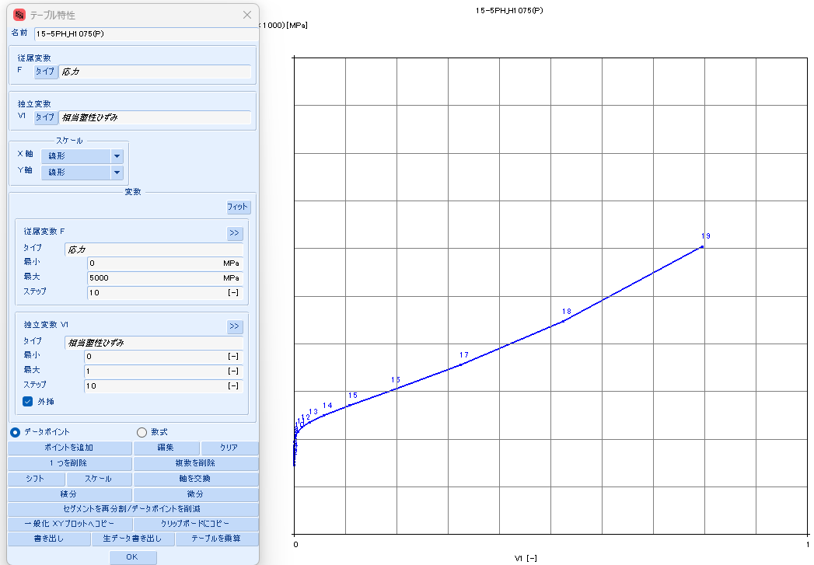
 |  |  | 1058.0125 | 265 | 0 | 6.9651 | 280638 | 237,634 | 6.9651 | 9.8470 | (2.8819) | #N/A | #N/A | #N/A | #N/A | #N/A | #N/A | #N/A | #N/A
 |  |  | 1596.1847 | 270 | 0 | 7.3760 | 431240 | 366,511 | 7.3760 | 15.1312 | (7.7552) | #N/A | #N/A | #N/A | #N/A | #N/A | #N/A | #N/A | #N/A
 |  |  | 2390.0048 | 275 | 0 | 7.7795 | 657526 | 560,849 | 7.7795 | 23.0711 | (15.2916) | #N/A | #N/A | #N/A | #N/A | #N/A | #N/A | #N/A | #N/A
 |  |  | 3552.6763 | 280 | 0 | 8.1757 | 995029 | 851,702 | 8.1757 | 34.9133 | (26.7376) | #N/A | #N/A | #N/A | #N/A | #N/A | #N/A | #N/A | #N/A
 |  |  | 5244.0340 | 285 | 0 | 8.5650 | 1494835 | 1,283,860 | 8.5650 | 52.4503 | (43.8853) | #N/A | #N/A | #N/A | #N/A | #N/A | #N/A | #N/A | #N/A
 |  |  | 7688.3701 | 290 | 0 | 8.9476 | 2229917 | 1,921,498 | 8.9476 | 78.2427 | (69.2951) | #N/A | #N/A | #N/A | #N/A | #N/A | #N/A | #N/A | #N/A
 |  |  | 11198.5684 | 295 | 0 | 9.3236 | 3303873 | 2,855,988 | 9.3236 | 115.9254 | (106.6017) | #N/A | #N/A | #N/A | #N/A | #N/A | #N/A | #N/A | #N/A
 |  |  | 16208.6050 | 300 | 0 | 9.6934 | 4862882 | 4,216,629 | 9.6934 | 170.6274 | (160.9341) | #N/A | #N/A | #N/A | #N/A | #N/A | #N/A | #N/A | #N/A

15-5PH_H1100
SS curve, small range
15-5PH_AMS5659_H1100
 | parameter |  | R-O line_H1100_eng_total strain |  |  | R-O line_H1100_true_total strain |  |  |  |  |  | R-O line_H1100_true_plastic strain |  |  | table data for fea |  | fea line_H1100_total strain
 | E | 28,500 | εeng | σeng | Eeng | εtrue | σtrue | Etrue | εtrue | εelastic | εplastic | εfea | σfea | Efea | εfea | σfea | εfea | σfea | Efea
 | σty | 115 | [-] | [KSI] | [KSI] | [-] | [KSI] | [KSI] | [-] | [-] | [-] | [-] | [KSI] | [KSI] | [-] | [MPa] | [-] | [KSI] | [KSI]
 | K | 0.005% | 0.0000 | 0 | #N/A | 0.0000 | 0 | #N/A | 0.0000 | 0.0000 | 0.0000 | 0.0000 | 100 | #N/A | 0.0000000 | 691.897 | 0.0000 | 0 | #N/A
 | n | 22 | 0.0002 | 5 | 28,500 | 0.0002 | 5 | 28,508 | 0.0002 | 0.0002 | (0.0000) | 0.0000 | 105 | 2,419,184 | 0.0000021 | 726.621 | 0.0035 | 100 | 28,500
 |  |  | 0.0004 | 10 | 28,500 | 0.0004 | 10 | 28,523 | 0.0004 | 0.0004 | (0.0000) | 0.0000 | 110 | 574,328 | 0.0000109 | 761.364 | 0.0037 | 105 | 28,168
 | F0.70 line |  | 0.0005 | 15 | 28,500 | 0.0005 | 15 | 28,538 | 0.0005 | 0.0005 | (0.0000) | 0.0000 | 115 | 195,696 | 0.0000366 | 796.132 | 0.0039 | 110 | 27,153
 | σ | ε | 0.0007 | 20 | 28,500 | 0.0007 | 20 | 28,553 | 0.0007 | 0.0007 | (0.0000) | 0.0001 | 121 | 75,370 | 0.0001036 | 830.950 | 0.0041 | 115 | 24,877
 | 0 | 0.00000 | 0.0009 | 25 | 28,500 | 0.0009 | 25 | 28,568 | 0.0009 | 0.0009 | (0.0000) | 0.0003 | 126 | 31,034 | 0.0002668 | 865.868 | 0.0043 | 121 | 20,680
 | 999 | 0.05008 | 0.0011 | 30 | 28,500 | 0.0011 | 30 | 28,583 | 0.0011 | 0.0011 | (0.0000) | 0.0006 | 131 | 13,417 | 0.0006467 | 901.006 | 0.0047 | 126 | 14,856
 |  |  | 0.0012 | 35 | 28,500 | 0.0012 | 35 | 28,598 | 0.0012 | 0.0012 | (0.0000) | 0.0015 | 136 | 6,062 | 0.0014989 | 936.627 | 0.0052 | 131 | 9,122
 | F0.85 line |  | 0.0014 | 40 | 28,500 | 0.0014 | 40 | 28,613 | 0.0014 | 0.0014 | (0.0000) | 0.0034 | 141 | 2,873 | 0.0033505 | 973.299 | 0.0063 | 136 | 4,999
 | σ | ε | 0.0016 | 45 | 28,500 | 0.0016 | 45 | 28,628 | 0.0016 | 0.0016 | (0.0000) | 0.0073 | 147 | 1,445 | 0.0072542 | 1012.203 | 0.0083 | 141 | 2,610
 | 0 | 0.00000 | 0.0018 | 50 | 28,500 | 0.0018 | 50 | 28,643 | 0.0018 | 0.0018 | (0.0000) | 0.0152 | 153 | 790 | 0.0152480 | 1055.744 | 0.0124 | 147 | 1,376
 | 999 | 0.04124 | 0.0019 | 55 | 28,500 | 0.0019 | 55 | 28,658 | 0.0019 | 0.0019 | (0.0000) | 0.0311 | 161 | 484 | 0.0311295 | 1108.699 | 0.0206 | 153 | 769
 |  |  | 0.0021 | 60 | 28,500 | 0.0021 | 60 | 28,673 | 0.0021 | 0.0021 | (0.0000) | 0.0616 | 171 | 341 | 0.0616279 | 1180.335 | 0.0368 | 161 | 476
 | formula n(ref.) |  | 0.0023 | 65 | 28,500 | 0.0023 | 65 | 28,688 | 0.0023 | 0.0023 | (0.0000) | 0.1178 | 187 | 279 | 0.1178091 | 1288.271 | 0.0676 | 171 | 337
 | F0.70 | 192 | 0.0025 | 70 | 28,500 | 0.0025 | 70 | 28,703 | 0.0025 | 0.0025 | (0.0000) | 0.2158 | 213 | 262 | 0.2158306 | 1465.324 | 0.1244 | 187 | 276
 | F0.85 | 174 | 0.0026 | 75 | 28,500 | 0.0026 | 75 | 28,717 | 0.0026 | 0.0026 | (0.0000) | 0.3750 | 257 | 279 | 0.3750376 | 1771.504 | 0.2233 | 213 | 260
 | n | 16 | 0.0028 | 80 | 28,498 | 0.0028 | 80 | 28,731 | 0.0028 | 0.0028 | (0.0000) | 0.6115 | 336 | 333 | 0.6115212 | 2314.624 | 0.3841 | 257 | 276
 |  |  | 0.0030 | 85 | 28,493 | 0.0030 | 85 | 28,741 | 0.0030 | 0.0030 | (0.0000) | 0.9294 | 476 | 443 | 0.9293594 | 3285.187 | 0.6233 | 336 | 329
 | ROW# | 25 | 0.0032 | 90 | 28,476 | 0.0032 | 90 | 28,739 | 0.0032 | 0.0032 | (0.0000) | 1.3168 | 727 | 647 | 1.3168138 | 5014.568 | 0.9461 | 476 | 436
 |  |  | 0.0033 | 95 | 28,424 | 0.0033 | 95 | 28,702 | 0.0033 | 0.0033 | (0.0000) | 1.7512 | 1171 | 1,020 | 1.7511756 | 8070.676 | 1.3423 | 727 | 633
 |  |  | 0.0035 | 100 | 28,273 | 0.0035 | 100 | 28,565 | 0.0035 | 0.0035 | (0.0000) | 2.2067 | 1945 | 1,701 | 2.2066706 | 13413.186 | 1.7922 | 1171 | 985
 |  |  | 0.0037 | 105 | 27,864 | 0.0037 | 105 | 28,168 | 0.0037 | 0.0037 | (0.0000) | 2.6586 | 3284 | 2,962 | 2.6585904 | 22642.254 | 2.2749 | 1945 | 1,605
SS curve, large range
 |  |  | 0.0039 | 110 | 26,841 | 0.0039 | 110 | 27,153 | 0.0039 | 0.0039 | (0.0000) | 3.0824 | 5568 | 5,390 | 3.0823789 | 38392.280 | 2.7738 | 3284 | 2,683
 |  |  | 0.0041 | 115 | 24,568 | 0.0041 | 115 | 24,877 | 0.0041 | 0.0041 | 0.0000 | 3.4494 | 9420 | 10,493 | 3.4494384 | 64948.251 | 3.2778 | 5568 | 4,533
 |  |  | 0.0043 | 120 | 20,390 | 0.0043 | 121 | 20,680 | 0.0043 | 0.0042 | 0.0001 | 3.7208 | 15838 | 23,648 | 3.7208405 | 109200.075 | 3.7800 | 9420 | 7,669
 |  |  | 0.0047 | 125 | 14,602 | 0.0047 | 126 | 14,856 | 0.0047 | 0.0044 | 0.0003 | 3.8388 | 26412 | 89,676 | 3.8387532 | 182105.089 | 4.2766 | 15838 | 12,924
 |  |  | 0.0052 | 130 | 8,906 | 0.0052 | 131 | 9,122 | 0.0052 | 0.0046 | 0.0006 | 3.7144 | 43643 | (138,567) | 3.7144031 | 300907.339 | 4.7655 | 26412 | 21,627
 |  |  | 0.0063 | 135 | 4,810 | 0.0062 | 136 | 4,999 | 0.0062 | 0.0048 | 0.0015 | 3.2106 | 71427 | (55,154) | 3.2106464 | 492473.701 | 5.2457 | 43643 | 35,880
 |  |  | 0.0083 | 140 | 2,435 | 0.0083 | 141 | 2,610 | 0.0083 | 0.0050 | 0.0033 | 2.1164 | 115778 | (40,532) | 2.1164119 | 798263.975 | 5.7169 | 71427 | 58,974
 |  |  | 0.0125 | 145 | 1,206 | 0.0124 | 147 | 1,376 | 0.0124 | 0.0052 | 0.0072 | 0.1092 | 185891 | (34,930) | 0.1091916 | 1281671.760 | 6.1788 | 115778 | 96,010
 |  |  | 0.0208 | 150 | 599 | 0.0206 | 153 | 769 | 0.0206 | 0.0054 | 0.0152 | (3.2998) | 295700 | (32,212) | (3.2997707) | 2038777.974 | 6.6317 | 185891 | 154,821
 |  |  | 0.0374 | 155 | 301 | 0.0368 | 161 | 476 | 0.0368 | 0.0056 | 0.0311 | (8.8451) | 466148 | (30,738) | (8.8450630) | 3213979.454 | 7.0757 | 295700 | 247,327
 |  |  | 0.0700 | 160 | 154 | 0.0676 | 171 | 337 | 0.0676 | 0.0060 | 0.0616 | (17.6219) | 728456 | (29,887) | (17.6218511) | 5022531.082 | 7.5110 | 466148 | 391,515
 |  |  | 0.1324 | 165 | 80 | 0.1243 | 187 | 276 | 0.1243 | 0.0066 | 0.1178 | (31.2502) | 1128803 | (29,376) | (31.2501579) | 7782823.759 | 7.9380 | 728456 | 614,296
 |  |  | 0.2502 | 170 | 42 | 0.2233 | 213 | 260 | 0.2233 | 0.0075 | 0.2158 | (52.1084) | 1734981 | (29,062) | (52.1084400) | 11962280.619 | 8.3570 | 1128803 | 955,624
 |  |  | 0.4682 | 175 | 23 | 0.3840 | 257 | 276 | 0.3840 | 0.0090 | 0.3750 | (83.6635) | 2645803 | (28,865) | (83.6634746) | 18242179.098 | 8.7681 | 1734981 | 1,474,360
 |  |  | 0.8650 | 180 | 13 | 0.6233 | 336 | 329 | 0.6233 | 0.0118 | 0.6115 | (130.9333) | 4004289 | (28,739) | (130.9332651) | 27608611.641 | 9.1717 | 2645803 | 2,256,583
 |  |  | 1.5755 | 185 | 7 | 0.9461 | 476 | 436 | 0.9461 | 0.0167 | 0.9293 | (201.1326) | 6016066 | (28,658) | (201.1325610) | 41479330.664 | 9.5681 | 4004289 | 3,427,293
 |  |  | 2.8279 | 190 | 4 | 1.3423 | 727 | 633 | 1.3423 | 0.0255 | 1.3168 | (304.5676) | 8974870 | (28,605) | (304.5676356) | 61879572.861 | 9.9575 | 6016066 | 5,166,776
 |  |  | 5.0028 | 195 | 2 | 1.7922 | 1171 | 985 | 1.7922 | 0.0411 | 1.7512 | (455.8694) | 13297688 | (28,571) | (455.8693901) | 91684364.961 | 10.3401 | 8974870 | 7,733,350
 |  |  | 8.7271 | 200 | 1 | 2.2749 | 1945 | 1,605 | 2.2749 | 0.0683 | 2.2067 | (675.6832) | 19572920 | (28,548) | (675.6832159) | 134950582.857 | 10.7161 | 13297688 | 11,494,799
 |  |  | 15.0194 | 205 | 1 | 2.7738 | 3284 | 2,683 | 2.7738 | 0.1152 | 2.6586 | #N/A | #N/A | #N/A | #N/A | #N/A | 11.0859 | 19572920 | 16,971,568
 |  |  | 25.5158 | 210 | 0 | 3.2777 | 5568 | 4,533 | 3.2777 | 0.1954 | 3.0824 | #N/A | #N/A | #N/A | #N/A | #N/A | #N/A | #N/A | #N/A
 |  |  | 42.8137 | 215 | 0 | 3.7799 | 9420 | 7,669 | 3.7799 | 0.3305 | 3.4494 | #N/A | #N/A | #N/A | #N/A | #N/A | #N/A | #N/A | #N/A
 |  |  | 70.9915 | 220 | 0 | 4.2765 | 15838 | 12,924 | 4.2765 | 0.5557 | 3.7208 | #N/A | #N/A | #N/A | #N/A | #N/A | #N/A | #N/A | #N/A
 |  |  | 116.3871 | 225 | 0 | 4.7655 | 26412 | 21,627 | 4.7655 | 0.9267 | 3.8387 | #N/A | #N/A | #N/A | #N/A | #N/A | #N/A | #N/A | #N/A
 |  |  | 188.7518 | 230 | 0 | 5.2457 | 43643 | 35,880 | 5.2457 | 1.5313 | 3.7144 | #N/A | #N/A | #N/A | #N/A | #N/A | #N/A | #N/A | #N/A
 |  |  | 302.9457 | 235 | 0 | 5.7168 | 71427 | 58,974 | 5.7168 | 2.5062 | 3.2106 | #N/A | #N/A | #N/A | #N/A | #N/A | #N/A | #N/A | #N/A
 |  |  | 481.4098 | 240 | 0 | 6.1788 | 115778 | 96,010 | 6.1788 | 4.0624 | 2.1164 | #N/A | #N/A | #N/A | #N/A | #N/A | #N/A | #N/A | #N/A
 |  |  | 757.7375 | 245 | 0 | 6.6317 | 185891 | 154,821 | 6.6317 | 6.5225 | 0.1092 | #N/A | #N/A | #N/A | #N/A | #N/A | #N/A | #N/A | #N/A
 |  |  | 1181.7985 | 250 | 0 | 7.0756 | 295700 | 247,327 | 7.0756 | 10.3754 | (3.2998) | #N/A | #N/A | #N/A | #N/A | #N/A | #N/A | #N/A | #N/A
 |  |  | 1827.0319 | 255 | 0 | 7.5110 | 466148 | 391,515 | 7.5110 | 16.3561 | (8.8451) | #N/A | #N/A | #N/A | #N/A | #N/A | #N/A | #N/A | #N/A
 |  |  | 2800.7548 | 260 | 0 | 7.9380 | 728456 | 614,296 | 7.9380 | 25.5599 | (17.6219) | #N/A | #N/A | #N/A | #N/A | #N/A | #N/A | #N/A | #N/A
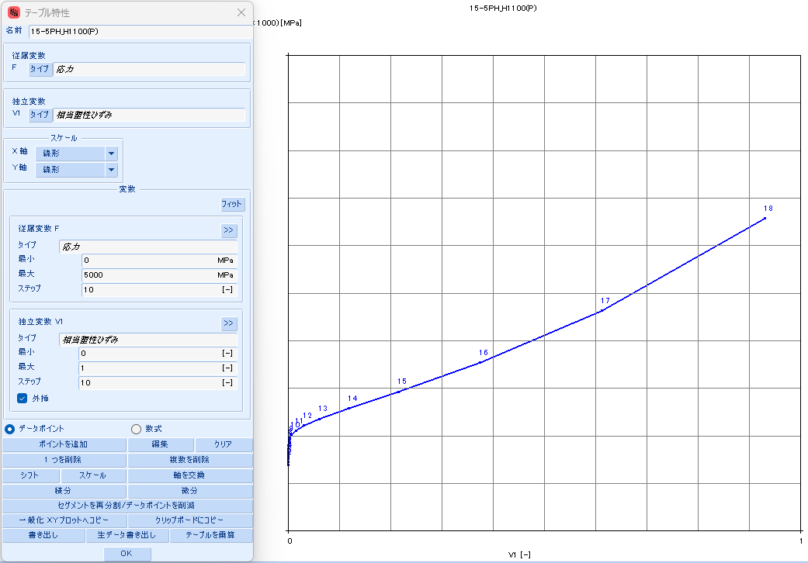
 |  |  | 4258.6329 | 265 | 0 | 8.3569 | 1128803 | 955,624 | 8.3569 | 39.6071 | (31.2502) | #N/A | #N/A | #N/A | #N/A | #N/A | #N/A | #N/A | #N/A
 |  |  | 6424.8572 | 270 | 0 | 8.7681 | 1734981 | 1,474,360 | 8.7681 | 60.8765 | (52.1085) | #N/A | #N/A | #N/A | #N/A | #N/A | #N/A | #N/A | #N/A
 |  |  | 9620.1031 | 275 | 0 | 9.1717 | 2645803 | 2,256,583 | 9.1717 | 92.8352 | (83.6635) | #N/A | #N/A | #N/A | #N/A | #N/A | #N/A | #N/A | #N/A
 |  |  | 14300.0322 | 280 | 0 | 9.5681 | 4004289 | 3,427,293 | 9.5681 | 140.5014 | (130.9333) | #N/A | #N/A | #N/A | #N/A | #N/A | #N/A | #N/A | #N/A
 |  |  | 21108.0032 | 285 | 0 | 9.9575 | 6016066 | 5,166,776 | 9.9575 | 211.0900 | (201.1326) | #N/A | #N/A | #N/A | #N/A | #N/A | #N/A | #N/A | #N/A
 |  |  | 30946.8267 | 290 | 0 | 10.3401 | 8974870 | 7,733,350 | 10.3401 | 314.9077 | (304.5677) | #N/A | #N/A | #N/A | #N/A | #N/A | #N/A | #N/A | #N/A
 |  |  | 45075.9073 | 295 | 0 | 10.7161 | 13297688 | 11,494,799 | 10.7161 | 466.5855 | (455.8694) | #N/A | #N/A | #N/A | #N/A | #N/A | #N/A | #N/A | #N/A
 |  |  | 65242.0652 | 300 | 0 | 11.0859 | 19572920 | 16,971,568 | 11.0859 | 686.7691 | (675.6832) | #N/A | #N/A | #N/A | #N/A | #N/A | #N/A | #N/A | #N/A

15-5PH_H1150
SS curve, small range
15-5PH_AMS5659_H1150
 | parameter |  | R-O line_H1150_eng_total strain |  |  | R-O line_H1150_true_total strain |  |  |  |  |  | R-O line_H1150_true_plastic strain |  |  | table data for fea |  | fea line_H1150_total strain
 | E | 28,500 | εeng | σeng | Eeng | εtrue | σtrue | Etrue | εtrue | εelastic | εplastic | εfea | σfea | Efea | εfea | σfea | εfea | σfea | Efea
 | σty | 105 | [-] | [KSI] | [KSI] | [-] | [KSI] | [KSI] | [-] | [-] | [-] | [-] | [KSI] | [KSI] | [-] | [MPa] | [-] | [KSI] | [KSI]
 | K | 0.044% | 0.0000 | 0 | #N/A | 0.0000 | 0 | #N/A | 0.0000 | 0.0000 | 0.0000 | 0.0000 | 55 | #N/A | 0.0000000 | 379.944 | 0.0000 | 0 | #N/A
 | n | 9 | 0.0002 | 5 | 28,500 | 0.0002 | 5 | 28,508 | 0.0002 | 0.0002 | (0.0000) | 0.0000 | 60 | 10,373,231 | 0.0000005 | 414.558 | 0.0019 | 55 | 28,500
 |  |  | 0.0004 | 10 | 28,500 | 0.0004 | 10 | 28,523 | 0.0004 | 0.0004 | (0.0000) | 0.0000 | 65 | 2,717,541 | 0.0000023 | 449.184 | 0.0021 | 60 | 28,422
 | F0.70 line |  | 0.0005 | 15 | 28,500 | 0.0005 | 15 | 28,538 | 0.0005 | 0.0005 | (0.0000) | 0.0000 | 70 | 1,169,500 | 0.0000066 | 483.824 | 0.0023 | 65 | 28,204
 | σ | ε | 0.0007 | 20 | 28,500 | 0.0007 | 20 | 28,552 | 0.0007 | 0.0007 | (0.0000) | 0.0000 | 75 | 594,327 | 0.0000151 | 518.479 | 0.0025 | 70 | 27,822
 | 0 | 0.00000 | 0.0009 | 25 | 28,500 | 0.0009 | 25 | 28,567 | 0.0009 | 0.0009 | (0.0000) | 0.0000 | 80 | 329,966 | 0.0000303 | 553.150 | 0.0027 | 75 | 27,196
 | 999 | 0.05008 | 0.0011 | 30 | 28,499 | 0.0011 | 30 | 28,582 | 0.0011 | 0.0011 | (0.0000) | 0.0001 | 85 | 194,088 | 0.0000562 | 587.841 | 0.0028 | 80 | 26,234
 |  |  | 0.0012 | 35 | 28,497 | 0.0012 | 35 | 28,595 | 0.0012 | 0.0012 | (0.0000) | 0.0001 | 90 | 119,114 | 0.0000985 | 622.556 | 0.0030 | 85 | 24,851
 | F0.85 line |  | 0.0014 | 40 | 28,492 | 0.0014 | 40 | 28,604 | 0.0014 | 0.0014 | (0.0000) | 0.0002 | 95 | 75,601 | 0.0001652 | 657.303 | 0.0033 | 90 | 22,997
 | σ | ε | 0.0016 | 45 | 28,477 | 0.0016 | 45 | 28,605 | 0.0016 | 0.0016 | (0.0000) | 0.0003 | 100 | 49,345 | 0.0002674 | 692.091 | 0.0035 | 95 | 20,697
 | 0 | 0.00000 | 0.0018 | 50 | 28,445 | 0.0018 | 50 | 28,587 | 0.0018 | 0.0018 | (0.0000) | 0.0004 | 105 | 32,993 | 0.0004206 | 726.936 | 0.0038 | 100 | 18,066
 | 999 | 0.04124 | 0.0019 | 55 | 28,378 | 0.0019 | 55 | 28,536 | 0.0019 | 0.0019 | (0.0000) | 0.0006 | 110 | 22,536 | 0.0006454 | 761.858 | 0.0041 | 105 | 15,291
 |  |  | 0.0021 | 60 | 28,250 | 0.0021 | 60 | 28,422 | 0.0021 | 0.0021 | (0.0000) | 0.0010 | 116 | 15,693 | 0.0009691 | 796.888 | 0.0045 | 110 | 12,585
 | formula n(ref.) |  | 0.0023 | 65 | 28,018 | 0.0023 | 65 | 28,204 | 0.0023 | 0.0023 | (0.0000) | 0.0014 | 121 | 11,123 | 0.0014278 | 832.066 | 0.0050 | 116 | 10,120
 | F0.70 | 192 | 0.0025 | 70 | 27,623 | 0.0025 | 70 | 27,822 | 0.0025 | 0.0025 | 0.0000 | 0.0021 | 126 | 8,016 | 0.0020679 | 867.446 | 0.0057 | 121 | 8,001
 | F0.85 | 174 | 0.0027 | 75 | 26,985 | 0.0026 | 75 | 27,196 | 0.0026 | 0.0026 | 0.0000 | 0.0029 | 131 | 5,870 | 0.0029490 | 903.103 | 0.0065 | 126 | 6,257
 | n | 16 | 0.0028 | 80 | 26,013 | 0.0028 | 80 | 26,234 | 0.0028 | 0.0028 | 0.0000 | 0.0041 | 136 | 4,365 | 0.0041462 | 939.134 | 0.0075 | 131 | 4,867
 |  |  | 0.0030 | 85 | 24,623 | 0.0030 | 85 | 24,851 | 0.0030 | 0.0030 | 0.0001 | 0.0058 | 142 | 3,296 | 0.0057538 | 975.665 | 0.0089 | 136 | 3,785
 | ROW# | 16 | 0.0033 | 90 | 22,766 | 0.0033 | 90 | 22,997 | 0.0033 | 0.0032 | 0.0001 | 0.0079 | 147 | 2,527 | 0.0078885 | 1012.861 | 0.0107 | 142 | 2,954
 |  |  | 0.0035 | 95 | 20,466 | 0.0035 | 95 | 20,697 | 0.0035 | 0.0033 | 0.0002 | 0.0107 | 152 | 1,969 | 0.0106935 | 1050.934 | 0.0130 | 147 | 2,321
 |  |  | 0.0038 | 100 | 17,837 | 0.0038 | 100 | 18,066 | 0.0038 | 0.0035 | 0.0003 | 0.0143 | 158 | 1,559 | 0.0143425 | 1090.153 | 0.0160 | 152 | 1,841
 |  |  | 0.0041 | 105 | 15,069 | 0.0041 | 105 | 15,291 | 0.0041 | 0.0037 | 0.0004 | 0.0190 | 164 | 1,256 | 0.0190442 | 1130.856 | 0.0199 | 158 | 1,478
SS curve, large range
 |  |  | 0.0045 | 110 | 12,370 | 0.0045 | 110 | 12,585 | 0.0045 | 0.0039 | 0.0006 | 0.0250 | 170 | 1,030 | 0.0250461 | 1173.470 | 0.0248 | 164 | 1,203
 |  |  | 0.0050 | 115 | 9,912 | 0.0050 | 116 | 10,120 | 0.0050 | 0.0041 | 0.0010 | 0.0326 | 177 | 861 | 0.0326389 | 1218.524 | 0.0310 | 170 | 994
 |  |  | 0.0057 | 120 | 7,799 | 0.0057 | 121 | 8,001 | 0.0057 | 0.0042 | 0.0014 | 0.0422 | 184 | 734 | 0.0421589 | 1266.672 | 0.0388 | 177 | 835
 |  |  | 0.0065 | 125 | 6,059 | 0.0065 | 126 | 6,257 | 0.0065 | 0.0044 | 0.0021 | 0.0540 | 191 | 638 | 0.0539894 | 1318.717 | 0.0486 | 184 | 715
 |  |  | 0.0076 | 130 | 4,673 | 0.0075 | 131 | 4,867 | 0.0075 | 0.0046 | 0.0029 | 0.0686 | 200 | 567 | 0.0685608 | 1375.641 | 0.0607 | 191 | 624
 |  |  | 0.0090 | 135 | 3,592 | 0.0089 | 136 | 3,785 | 0.0089 | 0.0048 | 0.0041 | 0.0863 | 209 | 514 | 0.0863463 | 1438.634 | 0.0756 | 200 | 556
 |  |  | 0.0108 | 140 | 2,761 | 0.0107 | 142 | 2,954 | 0.0107 | 0.0050 | 0.0057 | 0.1079 | 219 | 475 | 0.1078553 | 1509.136 | 0.0937 | 209 | 505
 |  |  | 0.0131 | 145 | 2,126 | 0.0130 | 147 | 2,321 | 0.0130 | 0.0052 | 0.0079 | 0.1336 | 230 | 449 | 0.1336220 | 1588.877 | 0.1155 | 219 | 468
 |  |  | 0.0162 | 150 | 1,643 | 0.0160 | 152 | 1,841 | 0.0160 | 0.0053 | 0.0107 | 0.1642 | 244 | 432 | 0.1641889 | 1679.927 | 0.1417 | 230 | 442
 |  |  | 0.0201 | 155 | 1,276 | 0.0199 | 158 | 1,478 | 0.0199 | 0.0055 | 0.0143 | 0.2001 | 259 | 424 | 0.2000867 | 1784.751 | 0.1727 | 244 | 426
 |  |  | 0.0251 | 160 | 996 | 0.0248 | 164 | 1,203 | 0.0248 | 0.0058 | 0.0190 | 0.2418 | 276 | 422 | 0.2418091 | 1906.274 | 0.2092 | 259 | 417
 |  |  | 0.0315 | 165 | 782 | 0.0310 | 170 | 994 | 0.0310 | 0.0060 | 0.0250 | 0.2898 | 297 | 428 | 0.2897865 | 2047.948 | 0.2515 | 276 | 416
 |  |  | 0.0396 | 170 | 617 | 0.0388 | 177 | 835 | 0.0388 | 0.0062 | 0.0326 | 0.3444 | 321 | 441 | 0.3443587 | 2213.838 | 0.3002 | 297 | 422
 |  |  | 0.0498 | 175 | 490 | 0.0486 | 184 | 715 | 0.0486 | 0.0064 | 0.0422 | 0.4058 | 349 | 460 | 0.4057507 | 2408.707 | 0.3556 | 321 | 434
 |  |  | 0.0626 | 180 | 391 | 0.0607 | 191 | 624 | 0.0607 | 0.0067 | 0.0540 | 0.4741 | 383 | 487 | 0.4740539 | 2638.121 | 0.4180 | 349 | 453
 |  |  | 0.0785 | 185 | 314 | 0.0756 | 200 | 556 | 0.0756 | 0.0070 | 0.0686 | 0.5492 | 422 | 522 | 0.5492151 | 2908.560 | 0.4875 | 383 | 479
 |  |  | 0.0982 | 190 | 254 | 0.0937 | 209 | 505 | 0.0937 | 0.0073 | 0.0863 | 0.6310 | 468 | 565 | 0.6310351 | 3227.541 | 0.5640 | 422 | 512
 |  |  | 0.1225 | 195 | 206 | 0.1155 | 219 | 468 | 0.1155 | 0.0077 | 0.1079 | 0.7192 | 523 | 619 | 0.7191762 | 3603.765 | 0.6475 | 468 | 554
 |  |  | 0.1522 | 200 | 168 | 0.1417 | 230 | 442 | 0.1417 | 0.0081 | 0.1336 | 0.8132 | 587 | 684 | 0.8131787 | 4047.264 | 0.7375 | 523 | 606
 |  |  | 0.1885 | 205 | 138 | 0.1727 | 244 | 426 | 0.1727 | 0.0085 | 0.1642 | 0.9125 | 663 | 763 | 0.9124827 | 4569.580 | 0.8338 | 587 | 668
 |  |  | 0.2326 | 210 | 113 | 0.2092 | 259 | 417 | 0.2092 | 0.0091 | 0.2001 | 1.0165 | 752 | 857 | 1.0164540 | 5183.950 | 0.9357 | 663 | 743
 |  |  | 0.2860 | 215 | 94 | 0.2515 | 276 | 416 | 0.2515 | 0.0097 | 0.2418 | 1.1244 | 857 | 969 | 1.1244096 | 5905.518 | 1.0428 | 752 | 832
 |  |  | 0.3501 | 220 | 78 | 0.3002 | 297 | 422 | 0.3002 | 0.0104 | 0.2898 | 1.2356 | 979 | 1,103 | 1.2356422 | 6751.566 | 1.1545 | 857 | 938
 |  |  | 0.4271 | 225 | 65 | 0.3556 | 321 | 434 | 0.3556 | 0.0113 | 0.3444 | 1.3494 | 1123 | 1,262 | 1.3494398 | 7741.765 | 1.2700 | 979 | 1,062
 |  |  | 0.5189 | 230 | 54 | 0.4180 | 349 | 453 | 0.4180 | 0.0123 | 0.4057 | 1.4651 | 1291 | 1,450 | 1.4651018 | 8898.455 | 1.3888 | 1123 | 1,209
 |  |  | 0.6282 | 235 | 46 | 0.4875 | 383 | 479 | 0.4875 | 0.0134 | 0.4740 | 1.5820 | 1486 | 1,674 | 1.5819500 | 10246.951 | 1.5104 | 1291 | 1,380
 |  |  | 0.7577 | 240 | 39 | 0.5640 | 422 | 512 | 0.5640 | 0.0148 | 0.5492 | 1.6993 | 1714 | 1,939 | 1.6993348 | 11815.872 | 1.6341 | 1486 | 1,581
 |  |  | 0.9107 | 245 | 33 | 0.6475 | 468 | 554 | 0.6475 | 0.0164 | 0.6310 | 1.8166 | 1978 | 2,252 | 1.8166374 | 13637.507 | 1.7595 | 1714 | 1,815
 |  |  | 1.0907 | 250 | 28 | 0.7375 | 523 | 606 | 0.7375 | 0.0183 | 0.7192 | #N/A | #N/A | #N/A | #N/A | #N/A | 1.8860 | 1978 | 2,087
 |  |  | 1.3020 | 255 | 24 | 0.8338 | 587 | 668 | 0.8338 | 0.0206 | 0.8132 | #N/A | #N/A | #N/A | #N/A | #N/A | #N/A | #N/A | #N/A
 |  |  | 1.5491 | 260 | 20 | 0.9357 | 663 | 743 | 0.9357 | 0.0233 | 0.9125 | #N/A | #N/A | #N/A | #N/A | #N/A | #N/A | #N/A | #N/A
 |  |  | 1.8372 | 265 | 17 | 1.0428 | 752 | 832 | 1.0428 | 0.0264 | 1.0164 | #N/A | #N/A | #N/A | #N/A | #N/A | #N/A | #N/A | #N/A
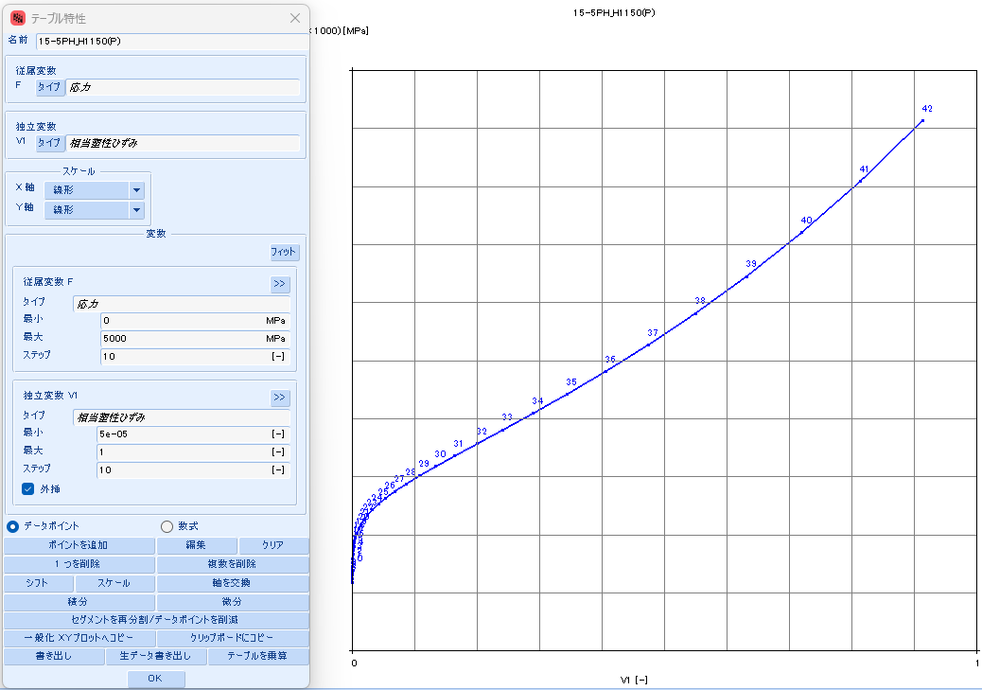
 |  |  | 2.1723 | 270 | 15 | 1.1545 | 857 | 938 | 1.1545 | 0.0301 | 1.1244 | #N/A | #N/A | #N/A | #N/A | #N/A | #N/A | #N/A | #N/A
 |  |  | 2.5608 | 275 | 13 | 1.2700 | 979 | 1,062 | 1.2700 | 0.0344 | 1.2356 | #N/A | #N/A | #N/A | #N/A | #N/A | #N/A | #N/A | #N/A
 |  |  | 3.0102 | 280 | 11 | 1.3888 | 1123 | 1,209 | 1.3888 | 0.0394 | 1.3494 | #N/A | #N/A | #N/A | #N/A | #N/A | #N/A | #N/A | #N/A
 |  |  | 3.5285 | 285 | 10 | 1.5104 | 1291 | 1,380 | 1.5104 | 0.0453 | 1.4651 | #N/A | #N/A | #N/A | #N/A | #N/A | #N/A | #N/A | #N/A
 |  |  | 4.1248 | 290 | 8 | 1.6341 | 1486 | 1,581 | 1.6341 | 0.0521 | 1.5819 | #N/A | #N/A | #N/A | #N/A | #N/A | #N/A | #N/A | #N/A
 |  |  | 4.8093 | 295 | 7 | 1.7595 | 1714 | 1,815 | 1.7595 | 0.0601 | 1.6993 | #N/A | #N/A | #N/A | #N/A | #N/A | #N/A | #N/A | #N/A
 |  |  | 5.5932 | 300 | 6 | 1.8860 | 1978 | 2,087 | 1.8860 | 0.0694 | 1.8166 | #N/A | #N/A | #N/A | #N/A | #N/A | #N/A | #N/A | #N/A

17-4PH
 | 17-4PH_AMS5643_H900 |  | 17-4PH_AMS5643_H925 |  | 17-4PH_AMS5643_H1025 |  | 17-4PH_AMS5643_H1075 |  | 17-4PH_AMS5643_H1100 |  | 17-4PH_AMS5643_H1150
0.0000 | 0 | 0.000 | 0 | 0.0000 | 0 | 0.0000 | 0 | 0.0000 | 0 | 0.0000 | 0
0.0037 | 105 | 0.004 | 115 | 0.0044 | 126 | 0.0033 | 95 | 0.0032 | 90 | 0.0025 | 70
0.0039 | 110 | 0.004 | 121 | 0.0046 | 131 | 0.0035 | 100 | 0.0033 | 95 | 0.0026 | 75
0.0041 | 115 | 0.004 | 126 | 0.0048 | 136 | 0.0037 | 105 | 0.0035 | 100 | 0.0028 | 80
0.0042 | 121 | 0.005 | 131 | 0.0050 | 141 | 0.0039 | 110 | 0.0037 | 105 | 0.0030 | 85
0.0044 | 126 | 0.005 | 136 | 0.0052 | 146 | 0.0041 | 115 | 0.0039 | 110 | 0.0032 | 90
0.0046 | 131 | 0.005 | 141 | 0.0055 | 151 | 0.0043 | 121 | 0.0041 | 115 | 0.0034 | 95
0.0048 | 136 | 0.005 | 146 | 0.0058 | 156 | 0.0046 | 126 | 0.0044 | 121 | 0.0036 | 100
0.0050 | 141 | 0.005 | 151 | 0.0065 | 161 | 0.0049 | 131 | 0.0047 | 126 | 0.0039 | 105
0.0052 | 146 | 0.006 | 156 | 0.0076 | 166 | 0.0053 | 136 | 0.0051 | 131 | 0.0042 | 110
0.0055 | 151 | 0.006 | 161 | 0.0096 | 172 | 0.0059 | 141 | 0.0058 | 136 | 0.0047 | 116
0.0057 | 156 | 0.006 | 166 | 0.0134 | 177 | 0.0069 | 146 | 0.0068 | 141 | 0.0053 | 121
0.0060 | 161 | 0.007 | 171 | 0.0205 | 184 | 0.0084 | 151 | 0.0083 | 146 | 0.0063 | 126
0.0064 | 166 | 0.007 | 176 | 0.0336 | 191 | 0.0107 | 157 | 0.0108 | 152 | 0.0077 | 131
0.0068 | 171 | 0.008 | 181 | 0.0575 | 201 | 0.0143 | 162 | 0.0148 | 157 | 0.0099 | 136
0.0072 | 176 | 0.009 | 187 | 0.0997 | 215 | 0.0199 | 168 | 0.0212 | 163 | 0.0132 | 142
0.0078 | 181 | 0.010 | 192 | 0.1714 | 237 | 0.0286 | 175 | 0.0311 | 170 | 0.0182 | 148
0.0085 | 187 | 0.012 | 197 | 0.2871 | 273 | 0.0420 | 182 | 0.0465 | 178 | 0.0255 | 154
0.0094 | 192 | 0.014 | 203 | 0.4622 | 333 | 0.0620 | 192 | 0.0698 | 188 | 0.0363 | 161
0.0104 | 197 | 0.018 | 209 | 0.7071 | 436 | 0.0915 | 203 | 0.1045 | 200 | 0.0518 | 169
0.0117 | 202 | 0.022 | 215 | 1.0223 | 611 | 0.1341 | 217 | 0.1548 | 216 | 0.0740 | 178
0.0134 | 208 | 0.028 | 221 | 1.3978 | 910 | 0.1940 | 237 | 0.2258 | 238 | 0.1049 | 189
0.0154 | 213 | 0.036 | 228 | 1.8176 | 1416 | 0.2760 | 264 | 0.3225 | 269 | 0.1473 | 203
0.0180 | 219 | 0.046 | 236 | 2.2655 | 2264 | 0.3843 | 301 | 0.4494 | 313 | 0.2040 | 221
0.0211 | 225 | 0.059 | 244 | 2.7284 | 3674 | 0.5222 | 354 | 0.6092 | 377 | 0.2781 | 244
0.0251 | 231 | 0.077 | 254 | 3.1972 | 5994 | 0.6912 | 429 | 0.8022 | 468 | 0.3722 | 276
0.0299 | 237 | 0.100 | 265 | 3.6661 | 9775 | 0.8903 | 536 | 1.0259 | 600 | 0.4883 | 318
0.0358 | 244 | 0.128 | 279 | 4.1316 | 15880 | 1.1164 | 687 | 1.2760 | 788 | 0.6273 | 374
0.0430 | 251 | 0.165 | 295 | 4.5916 | 25648 | 1.3652 | 901 | 1.5468 | 1057 | 0.7886 | 451
0.0518 | 258 | 0.210 | 315 | 5.0450 | 41137 | 1.6314 | 1201 | 1.8327 | 1438 | 0.9705 | 554
0.0624 | 266 | 0.266 | 339 | 5.4912 | 65488 | 1.9102 | 1621 | 2.1288 | 1975 | 1.1704 | 693
0.0752 | 275 | 0.332 | 370 | 5.9301 | 103453 | 2.1973 | 2205 | 2.4307 | 2728 | 1.3852 | 879
0.0906 | 285 | 0.412 | 408 | 6.3616 | 162169 | 2.4891 | 3013 | 2.7354 | 3777 | 1.6113 | 1127
0.1088 | 295 | 0.505 | 456 | 6.7858 | 252276 | 2.7830 | 4123 | 3.0404 | 5228 | 1.8458 | 1457
0.1303 | 308 | 0.611 | 516 | 7.2028 | 389524 | 3.0769 | 5639 | 3.3441 | 7225 | 2.0858 | 1892
0.1556 | 321 | 0.731 | 592 | 7.6128 | 597070 | 3.3693 | 7701 | 3.6452 | 9956 | 2.3290 | 2464
0.1851 | 337 | 0.863 | 687 | 8.0160 | 908729 | 3.6594 | 10486 | 3.9431 | 13667 | 2.5737 | 3213
0.2192 | 355 | 1.008 | 808 | #N/A | #N/A | 3.9464 | 14230 | 4.2371 | 18685 | 2.8185 | 4188
0.2584 | 376 | 1.162 | 959 | #N/A | #N/A | 4.2298 | 19236 | 4.5269 | 25430 | 3.0621 | 5450
0.3030 | 399 | #N/A | #N/A | #N/A | #N/A | 4.5093 | 25895 | 4.8125 | 34450 | 3.3040 | 7077
0.3534 | 427 | #N/A | #N/A | #N/A | #N/A | 4.7849 | 34709 | 5.0937 | 46450 | 3.5435 | 9165
#N/A | #N/A | #N/A | #N/A | #N/A | #N/A | 5.0564 | 46320 | 5.3704 | 62336 | 3.7801 | 11832
#N/A | #N/A | #N/A | #N/A | #N/A | #N/A | 5.3238 | 61546 | 5.6428 | 83264 | 4.0138 | 15223
#N/A | #N/A | #N/A | #N/A | #N/A | #N/A | #N/A | #N/A | 5.9109 | 110707 | 4.2442 | 19516
#N/A | #N/A | #N/A | #N/A | #N/A | #N/A | #N/A | #N/A | #N/A | #N/A | 4.4713 | 24929
#N/A | #N/A | #N/A | #N/A | #N/A | #N/A | #N/A | #N/A | #N/A | #N/A | 4.6951 | 31728
#N/A | #N/A | #N/A | #N/A | #N/A | #N/A | #N/A | #N/A | #N/A | #N/A | 4.9155 | 40233
#N/A | #N/A | #N/A | #N/A | #N/A | #N/A | #N/A | #N/A | #N/A | #N/A | 5.1325 | 50832
#N/A | #N/A | #N/A | #N/A | #N/A | #N/A | #N/A | #N/A | #N/A | #N/A | #N/A | #N/A
#N/A | #N/A | #N/A | #N/A | #N/A | #N/A | #N/A | #N/A | #N/A | #N/A | #N/A | #N/A
...

17-4PH_H900
SS curve, small range
17-4PH_AMS5643_H900
 | parameter |  | R-O line_H900_eng_total strain |  |  | R-O line_H900_true_total strain |  |  |  |  |  | R-O line_H900_true_plastic strain |  |  | table data for fea |  | fea line_H900_total strain
 | E | 28,500 | εeng | σeng | Eeng | εtrue | σtrue | Etrue | εtrue | εelastic | εplastic | εfea | σfea | Efea | εfea | σfea | εfea | σfea | Efea
 | σty | 175 | [-] | [KSI] | [KSI] | [-] | [KSI] | [KSI] | [-] | [-] | [-] | [-] | [KSI] | [KSI] | [-] | [MPa] | [-] | [KSI] | [KSI]
 | K | 0.110% | 0.0000 | 0 | #N/A | 0.0000 | 0 | #N/A | 0.0000 | 0.0000 | 0.0000 | 0.0000 | 105 | #N/A | 0.0000000 | 726.620 | 0.0000 | 0 | #N/A
 | n | 11 | 0.0002 | 5 | 28,500 | 0.0002 | 5 | 28,508 | 0.0002 | 0.0002 | (0.0000) | 0.0000 | 110 | 7,612,938 | 0.0000007 | 761.356 | 0.0037 | 105 | 28,500
 |  |  | 0.0004 | 10 | 28,500 | 0.0004 | 10 | 28,523 | 0.0004 | 0.0004 | (0.0000) | 0.0000 | 115 | 2,414,636 | 0.0000027 | 796.105 | 0.0039 | 110 | 28,394
 | F0.70 line |  | 0.0005 | 15 | 28,500 | 0.0005 | 15 | 28,538 | 0.0005 | 0.0005 | (0.0000) | 0.0000 | 121 | 1,184,704 | 0.0000070 | 830.869 | 0.0041 | 115 | 28,168
 | σ | ε | 0.0007 | 20 | 28,500 | 0.0007 | 20 | 28,553 | 0.0007 | 0.0007 | (0.0000) | 0.0000 | 126 | 674,790 | 0.0000145 | 865.648 | 0.0042 | 121 | 27,830
 | 0 | 0.00000 | 0.0009 | 25 | 28,500 | 0.0009 | 25 | 28,568 | 0.0009 | 0.0009 | (0.0000) | 0.0000 | 131 | 415,066 | 0.0000266 | 900.445 | 0.0044 | 126 | 27,345
 | 999 | 0.05008 | 0.0011 | 30 | 28,500 | 0.0011 | 30 | 28,583 | 0.0011 | 0.0011 | (0.0000) | 0.0000 | 136 | 267,795 | 0.0000455 | 935.261 | 0.0046 | 131 | 26,669
 |  |  | 0.0012 | 35 | 28,500 | 0.0012 | 35 | 28,598 | 0.0012 | 0.0012 | (0.0000) | 0.0001 | 141 | 178,618 | 0.0000738 | 970.099 | 0.0048 | 136 | 25,759
 | F0.85 line |  | 0.0014 | 40 | 28,500 | 0.0014 | 40 | 28,613 | 0.0014 | 0.0014 | (0.0000) | 0.0001 | 146 | 122,160 | 0.0001152 | 1004.966 | 0.0050 | 141 | 24,578
 | σ | ε | 0.0016 | 45 | 28,500 | 0.0016 | 45 | 28,628 | 0.0016 | 0.0016 | (0.0000) | 0.0002 | 151 | 85,237 | 0.0001746 | 1039.866 | 0.0052 | 146 | 23,109
 | 0 | 0.00000 | 0.0018 | 50 | 28,500 | 0.0018 | 50 | 28,643 | 0.0018 | 0.0018 | (0.0000) | 0.0003 | 156 | 60,477 | 0.0002584 | 1074.809 | 0.0055 | 151 | 21,359
 | 999 | 0.04124 | 0.0019 | 55 | 28,500 | 0.0019 | 55 | 28,657 | 0.0019 | 0.0019 | (0.0000) | 0.0004 | 161 | 43,535 | 0.0003750 | 1109.808 | 0.0057 | 156 | 19,371
 |  |  | 0.0021 | 60 | 28,499 | 0.0021 | 60 | 28,672 | 0.0021 | 0.0021 | (0.0000) | 0.0005 | 166 | 31,745 | 0.0005352 | 1144.877 | 0.0060 | 161 | 17,224
 | formula n(ref.) |  | 0.0023 | 65 | 28,498 | 0.0023 | 65 | 28,686 | 0.0023 | 0.0023 | (0.0000) | 0.0008 | 171 | 23,422 | 0.0007529 | 1180.038 | 0.0064 | 166 | 15,018
 | F0.70 | 192 | 0.0025 | 70 | 28,496 | 0.0025 | 70 | 28,699 | 0.0025 | 0.0025 | (0.0000) | 0.0010 | 176 | 17,470 | 0.0010458 | 1215.319 | 0.0068 | 171 | 12,856
 | F0.85 | 174 | 0.0026 | 75 | 28,491 | 0.0026 | 75 | 28,709 | 0.0026 | 0.0026 | (0.0000) | 0.0014 | 181 | 13,166 | 0.0014362 | 1250.756 | 0.0072 | 176 | 10,831
 | n | 16 | 0.0028 | 80 | 28,483 | 0.0028 | 80 | 28,716 | 0.0028 | 0.0028 | (0.0000) | 0.0020 | 187 | 10,021 | 0.0019521 | 1286.396 | 0.0078 | 181 | 9,006
 |  |  | 0.0030 | 85 | 28,469 | 0.0030 | 85 | 28,717 | 0.0030 | 0.0030 | (0.0000) | 0.0026 | 192 | 7,702 | 0.0026281 | 1322.298 | 0.0085 | 187 | 7,414
 | ROW# | 26 | 0.0032 | 90 | 28,445 | 0.0032 | 90 | 28,707 | 0.0032 | 0.0032 | (0.0000) | 0.0035 | 197 | 5,977 | 0.0035076 | 1358.540 | 0.0094 | 192 | 6,063
 |  |  | 0.0033 | 95 | 28,404 | 0.0033 | 95 | 28,681 | 0.0033 | 0.0033 | (0.0000) | 0.0046 | 202 | 4,684 | 0.0046432 | 1395.218 | 0.0104 | 197 | 4,941
 |  |  | 0.0035 | 100 | 28,337 | 0.0035 | 100 | 28,630 | 0.0035 | 0.0035 | (0.0000) | 0.0061 | 208 | 3,708 | 0.0060997 | 1432.455 | 0.0117 | 202 | 4,023
 |  |  | 0.0037 | 105 | 28,233 | 0.0037 | 105 | 28,540 | 0.0037 | 0.0037 | (0.0000) | 0.0080 | 213 | 2,966 | 0.0079554 | 1470.402 | 0.0134 | 208 | 3,281
SS curve, large range
 |  |  | 0.0039 | 110 | 28,073 | 0.0039 | 110 | 28,394 | 0.0039 | 0.0039 | (0.0000) | 0.0103 | 219 | 2,398 | 0.0103048 | 1509.251 | 0.0154 | 213 | 2,686
 |  |  | 0.0040 | 115 | 27,834 | 0.0040 | 115 | 28,168 | 0.0040 | 0.0041 | (0.0000) | 0.0133 | 225 | 1,962 | 0.0132608 | 1549.237 | 0.0180 | 219 | 2,212
 |  |  | 0.0042 | 120 | 27,485 | 0.0042 | 121 | 27,830 | 0.0042 | 0.0042 | (0.0000) | 0.0170 | 231 | 1,625 | 0.0169577 | 1590.650 | 0.0211 | 225 | 1,836
 |  |  | 0.0044 | 125 | 26,988 | 0.0044 | 126 | 27,345 | 0.0044 | 0.0044 | (0.0000) | 0.0216 | 237 | 1,363 | 0.0215539 | 1633.848 | 0.0251 | 231 | 1,537
 |  |  | 0.0046 | 130 | 26,303 | 0.0046 | 131 | 26,669 | 0.0046 | 0.0046 | 0.0000 | 0.0272 | 244 | 1,160 | 0.0272346 | 1679.265 | 0.0299 | 237 | 1,301
 |  |  | 0.0048 | 135 | 25,386 | 0.0048 | 136 | 25,759 | 0.0048 | 0.0048 | 0.0000 | 0.0342 | 251 | 1,001 | 0.0342147 | 1727.430 | 0.0358 | 244 | 1,114
 |  |  | 0.0050 | 140 | 24,202 | 0.0050 | 141 | 24,578 | 0.0050 | 0.0049 | 0.0001 | 0.0427 | 258 | 877 | 0.0427409 | 1778.984 | 0.0430 | 251 | 967
 |  |  | 0.0052 | 145 | 22,732 | 0.0052 | 146 | 23,109 | 0.0052 | 0.0051 | 0.0001 | 0.0531 | 266 | 781 | 0.0530932 | 1834.700 | 0.0518 | 258 | 851
 |  |  | 0.0055 | 150 | 20,985 | 0.0055 | 151 | 21,359 | 0.0055 | 0.0053 | 0.0002 | 0.0656 | 275 | 706 | 0.0655862 | 1895.506 | 0.0624 | 266 | 760
 |  |  | 0.0057 | 155 | 19,005 | 0.0057 | 156 | 19,371 | 0.0057 | 0.0055 | 0.0002 | 0.0806 | 285 | 649 | 0.0805676 | 1962.514 | 0.0752 | 275 | 689
 |  |  | 0.0060 | 160 | 16,867 | 0.0060 | 161 | 17,224 | 0.0060 | 0.0056 | 0.0004 | 0.0984 | 295 | 606 | 0.0984161 | 2037.050 | 0.0906 | 285 | 634
 |  |  | 0.0064 | 165 | 14,672 | 0.0063 | 166 | 15,018 | 0.0063 | 0.0058 | 0.0005 | 0.1195 | 308 | 574 | 0.1195366 | 2120.689 | 0.1088 | 295 | 593
 |  |  | 0.0068 | 170 | 12,523 | 0.0067 | 171 | 12,856 | 0.0067 | 0.0060 | 0.0007 | 0.1444 | 321 | 553 | 0.1443522 | 2215.298 | 0.1303 | 308 | 563
 |  |  | 0.0072 | 175 | 10,509 | 0.0072 | 176 | 10,831 | 0.0072 | 0.0062 | 0.0010 | 0.1733 | 337 | 540 | 0.1732940 | 2323.085 | 0.1556 | 321 | 542
 |  |  | 0.0078 | 180 | 8,695 | 0.0078 | 181 | 9,006 | 0.0078 | 0.0064 | 0.0014 | 0.2068 | 355 | 535 | 0.2067877 | 2446.646 | 0.1851 | 337 | 530
 |  |  | 0.0085 | 185 | 7,113 | 0.0085 | 187 | 7,414 | 0.0085 | 0.0065 | 0.0019 | 0.2452 | 376 | 537 | 0.2452373 | 2589.032 | 0.2192 | 355 | 525
 |  |  | 0.0094 | 190 | 5,770 | 0.0093 | 192 | 6,063 | 0.0093 | 0.0067 | 0.0026 | 0.2890 | 399 | 546 | 0.2890075 | 2753.815 | 0.2584 | 376 | 527
 |  |  | 0.0105 | 195 | 4,654 | 0.0104 | 197 | 4,941 | 0.0104 | 0.0069 | 0.0035 | 0.3384 | 427 | 562 | 0.3384046 | 2945.166 | 0.3030 | 399 | 536
 |  |  | 0.0118 | 200 | 3,740 | 0.0117 | 202 | 4,023 | 0.0117 | 0.0071 | 0.0046 | #N/A | #N/A | #N/A | #N/A | #N/A | 0.3534 | 427 | 551
 |  |  | 0.0135 | 205 | 3,000 | 0.0134 | 208 | 3,281 | 0.0134 | 0.0073 | 0.0061 | #N/A | #N/A | #N/A | #N/A | #N/A | #N/A | #N/A | #N/A
 |  |  | 0.0155 | 210 | 2,406 | 0.0154 | 213 | 2,686 | 0.0154 | 0.0075 | 0.0079 | #N/A | #N/A | #N/A | #N/A | #N/A | #N/A | #N/A | #N/A
 |  |  | 0.0181 | 215 | 1,931 | 0.0180 | 219 | 2,212 | 0.0180 | 0.0077 | 0.0103 | #N/A | #N/A | #N/A | #N/A | #N/A | #N/A | #N/A | #N/A
 |  |  | 0.0214 | 220 | 1,552 | 0.0211 | 225 | 1,836 | 0.0211 | 0.0079 | 0.0132 | #N/A | #N/A | #N/A | #N/A | #N/A | #N/A | #N/A | #N/A
 |  |  | 0.0254 | 225 | 1,250 | 0.0250 | 231 | 1,537 | 0.0250 | 0.0081 | 0.0169 | #N/A | #N/A | #N/A | #N/A | #N/A | #N/A | #N/A | #N/A
 |  |  | 0.0303 | 230 | 1,010 | 0.0299 | 237 | 1,301 | 0.0299 | 0.0083 | 0.0215 | #N/A | #N/A | #N/A | #N/A | #N/A | #N/A | #N/A | #N/A
 |  |  | 0.0364 | 235 | 818 | 0.0358 | 244 | 1,114 | 0.0358 | 0.0085 | 0.0272 | #N/A | #N/A | #N/A | #N/A | #N/A | #N/A | #N/A | #N/A
 |  |  | 0.0439 | 240 | 665 | 0.0430 | 251 | 967 | 0.0430 | 0.0088 | 0.0342 | #N/A | #N/A | #N/A | #N/A | #N/A | #N/A | #N/A | #N/A
 |  |  | 0.0531 | 245 | 543 | 0.0518 | 258 | 851 | 0.0518 | 0.0091 | 0.0427 | #N/A | #N/A | #N/A | #N/A | #N/A | #N/A | #N/A | #N/A
 |  |  | 0.0644 | 250 | 444 | 0.0624 | 266 | 760 | 0.0624 | 0.0093 | 0.0531 | #N/A | #N/A | #N/A | #N/A | #N/A | #N/A | #N/A | #N/A
 |  |  | 0.0781 | 255 | 365 | 0.0752 | 275 | 689 | 0.0752 | 0.0096 | 0.0656 | #N/A | #N/A | #N/A | #N/A | #N/A | #N/A | #N/A | #N/A
 |  |  | 0.0948 | 260 | 300 | 0.0905 | 285 | 634 | 0.0905 | 0.0100 | 0.0806 | #N/A | #N/A | #N/A | #N/A | #N/A | #N/A | #N/A | #N/A
 |  |  | 0.1149 | 265 | 248 | 0.1088 | 295 | 593 | 0.1088 | 0.0104 | 0.0984 | #N/A | #N/A | #N/A | #N/A | #N/A | #N/A | #N/A | #N/A
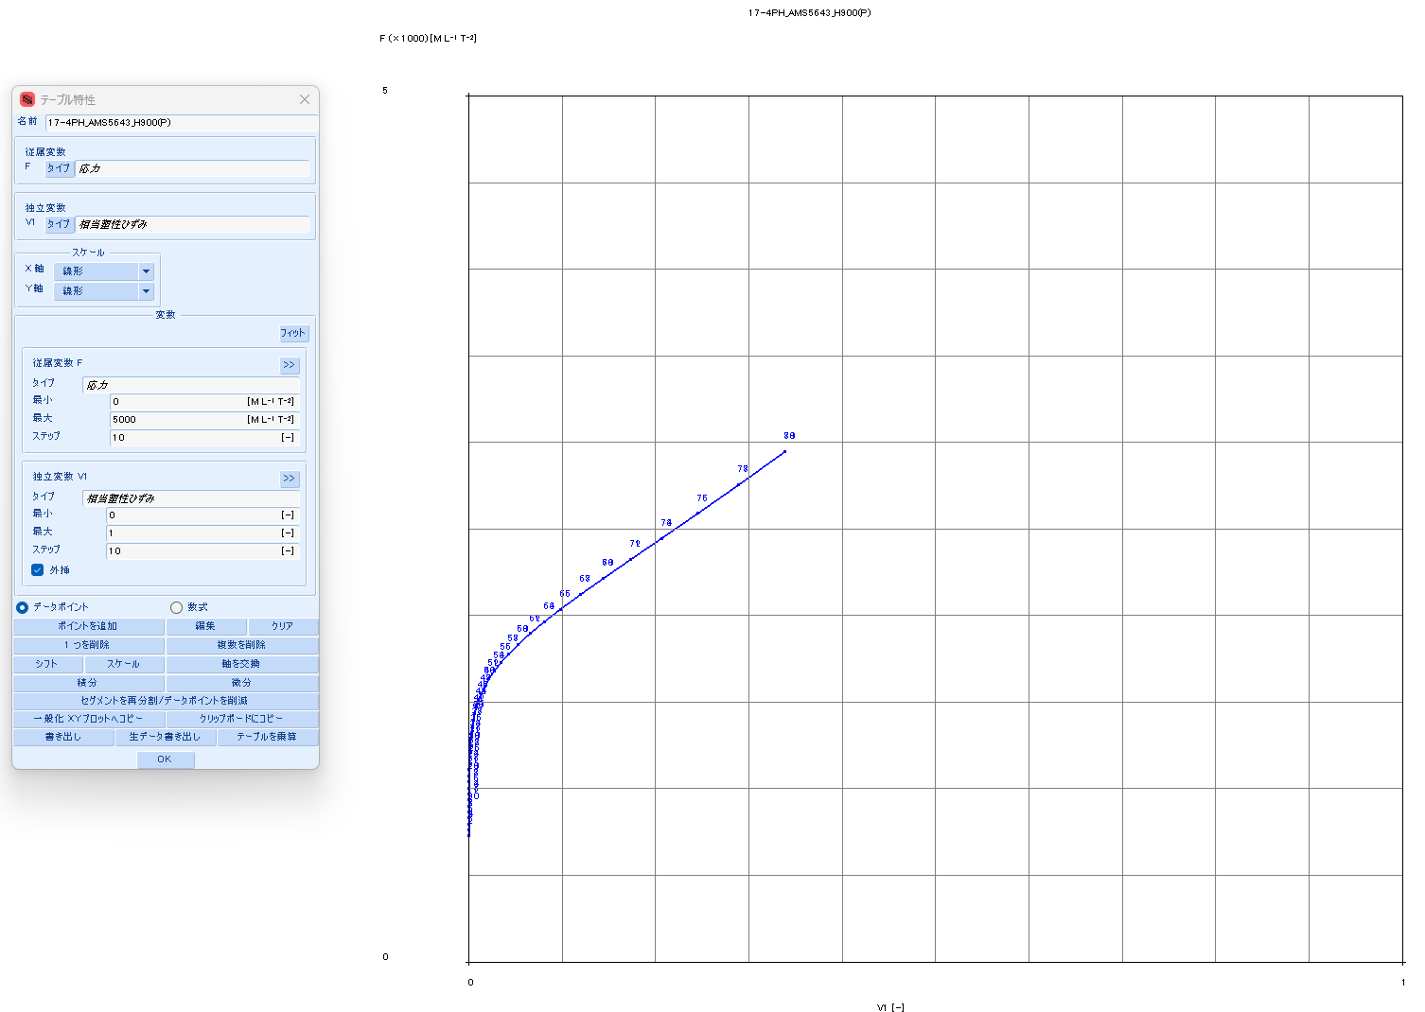
 |  |  | 0.1392 | 270 | 206 | 0.1303 | 308 | 563 | 0.1303 | 0.0108 | 0.1195 | #N/A | #N/A | #N/A | #N/A | #N/A | #N/A | #N/A | #N/A
 |  |  | 0.1684 | 275 | 171 | 0.1556 | 321 | 542 | 0.1556 | 0.0113 | 0.1443 | #N/A | #N/A | #N/A | #N/A | #N/A | #N/A | #N/A | #N/A
 |  |  | 0.2033 | 280 | 143 | 0.1851 | 337 | 530 | 0.1851 | 0.0118 | 0.1733 | #N/A | #N/A | #N/A | #N/A | #N/A | #N/A | #N/A | #N/A
 |  |  | 0.2451 | 285 | 120 | 0.2192 | 355 | 525 | 0.2192 | 0.0125 | 0.2068 | #N/A | #N/A | #N/A | #N/A | #N/A | #N/A | #N/A | #N/A
 |  |  | 0.2949 | 290 | 101 | 0.2584 | 376 | 527 | 0.2584 | 0.0132 | 0.2452 | #N/A | #N/A | #N/A | #N/A | #N/A | #N/A | #N/A | #N/A
 |  |  | 0.3539 | 295 | 85 | 0.3030 | 399 | 536 | 0.3030 | 0.0140 | 0.2890 | #N/A | #N/A | #N/A | #N/A | #N/A | #N/A | #N/A | #N/A
 |  |  | 0.4239 | 300 | 71 | 0.3534 | 427 | 551 | 0.3534 | 0.0150 | 0.3384 | #N/A | #N/A | #N/A | #N/A | #N/A | #N/A | #N/A | #N/A

17-4PH_H925
SS curve, small range
17-4PH_AMS5643_H925
 | parameter |  | R-O line_H925_eng_total strain |  |  | R-O line_H925_true_total strain |  |  |  |  |  | R-O line_H925_true_plastic strain |  |  | table data for fea |  | fea line_H925_total strain
 | E | 28,500 | εeng | σeng | Eeng | εtrue | σtrue | Etrue | εtrue | εelastic | εplastic | εfea | σfea | Efea | εfea | σfea | εfea | σfea | Efea
 | σty | 167 | [-] | [KSI] | [KSI] | [-] | [KSI] | [KSI] | [-] | [-] | [-] | [-] | [KSI] | [KSI] | [-] | [MPa] | [-] | [KSI] | [KSI]
 | K | 0.060% | 0.0000 | 0 | #N/A | 0.0000 | 0 | #N/A | 0.0000 | 0.0000 | 0.0000 | 0.0000 | 115 | #N/A | 0 | 796.099 | 0.000 | 0 | #N/A
 | n | 14 | 0.0002 | 5 | 28,500 | 0.0002 | 5 | 28,508 | 0.0002 | 0.0002 | -0.0000 | 0.0000 | 121 | 11,330,996 | 0.0000004 | 830.86 | 0.004 | 115 | 28,500
 |  |  | 0.0004 | 10 | 28,500 | 0.0004 | 10 | 28,523 | 0.0004 | 0.0004 | -0.0000 | 0.0000 | 126 | 2,266,885 | 0.0000027 | 865.634 | 0.004 | 121 | 28,428
 | F0.70 line |  | 0.0005 | 15 | 28,500 | 0.0005 | 15 | 28,538 | 0.0005 | 0.0005 | -0.0000 | 0.0000 | 131 | 973,644 | 0.0000079 | 900.423 | 0.004 | 126 | 28,146
 | σ | ε | 0.0007 | 20 | 28,500 | 0.0007 | 20 | 28,553 | 0.0007 | 0.0007 | -0.0000 | 0.0000 | 136 | 506,640 | 0.0000178 | 935.23 | 0.005 | 131 | 27,689
 | 0 | 0.00000 | 0.0009 | 25 | 28,500 | 0.0009 | 25 | 28,568 | 0.0009 | 0.0009 | -0.0000 | 0.0000 | 141 | 288,218 | 0.0000353 | 970.057 | 0.005 | 136 | 26,982
 | 999 | 0.05008 | 0.0011 | 30 | 28,500 | 0.0011 | 30 | 28,583 | 0.0011 | 0.0011 | -0.0000 | 0.0001 | 146 | 172,776 | 0.0000646 | 1004.91 | 0.005 | 141 | 25,935
 |  |  | 0.0012 | 35 | 28,500 | 0.0012 | 35 | 28,598 | 0.0012 | 0.0012 | -0.0000 | 0.0001 | 151 | 107,302 | 0.0001118 | 1039.795 | 0.005 | 146 | 24,464
 | F0.85 line |  | 0.0014 | 40 | 28,500 | 0.0014 | 40 | 28,613 | 0.0014 | 0.0014 | -0.0000 | 0.0002 | 156 | 68,421 | 0.0001858 | 1074.726 | 0.005 | 151 | 22,519
 | σ | ε | 0.0016 | 45 | 28,500 | 0.0016 | 45 | 28,628 | 0.0016 | 0.0016 | -0.0000 | 0.0003 | 161 | 44,562 | 0.0002997 | 1109.718 | 0.006 | 156 | 20,119
 | 0 | 0.00000 | 0.0018 | 50 | 28,500 | 0.0018 | 50 | 28,643 | 0.0018 | 0.0018 | -0.0000 | 0.0005 | 166 | 29,550 | 0.0004719 | 1144.798 | 0.006 | 161 | 17,383
 | 999 | 0.04124 | 0.0019 | 55 | 28,500 | 0.0019 | 55 | 28,658 | 0.0019 | 0.0019 | -0.0000 | 0.0007 | 171 | 19,913 | 0.0007283 | 1180.003 | 0.006 | 166 | 14,508
 |  |  | 0.0021 | 60 | 28,500 | 0.0021 | 60 | 28,673 | 0.0021 | 0.0021 | -0.0000 | 0.0011 | 176 | 13,619 | 0.0011051 | 1215.386 | 0.007 | 171 | 11,722
 | formula n(ref.) |  | 0.0023 | 65 | 28,500 | 0.0023 | 65 | 28,688 | 0.0023 | 0.0023 | -0.0000 | 0.0017 | 181 | 9,449 | 0.0016521 | 1251.022 | 0.007 | 176 | 9,215
 | F0.70 | 184 | 0.0025 | 70 | 28,500 | 0.0025 | 70 | 28,702 | 0.0025 | 0.0025 | -0.0000 | 0.0024 | 187 | 6,649 | 0.0024373 | 1287.018 | 0.008 | 181 | 7,096
 | F0.85 | 168 | 0.0026 | 75 | 28,499 | 0.0026 | 75 | 28,717 | 0.0026 | 0.0026 | -0.0000 | 0.0036 | 192 | 4,747 | 0.0035527 | 1323.523 | 0.009 | 187 | 5,391
 | n | 17 | 0.0028 | 80 | 28,498 | 0.0028 | 80 | 28,731 | 0.0028 | 0.0028 | -0.0000 | 0.0051 | 197 | 3,442 | 0.0051212 | 1360.743 | 0.010 | 192 | 4,069
 |  |  | 0.0030 | 85 | 28,496 | 0.0030 | 85 | 28,744 | 0.0030 | 0.0030 | -0.0000 | 0.0073 | 203 | 2,537 | 0.0073061 | 1398.959 | 0.012 | 197 | 3,071
 | ROW# | 28 | 0.0032 | 90 | 28,491 | 0.0032 | 90 | 28,754 | 0.0032 | 0.0032 | -0.0000 | 0.0103 | 209 | 1,904 | 0.0103218 | 1438.553 | 0.014 | 203 | 2,329
 |  |  | 0.0033 | 95 | 28,481 | 0.0033 | 95 | 28,759 | 0.0033 | 0.0033 | -0.0000 | 0.0144 | 215 | 1,459 | 0.0144465 | 1480.043 | 0.018 | 209 | 1,785
 |  |  | 0.0035 | 100 | 28,462 | 0.0035 | 100 | 28,755 | 0.0035 | 0.0035 | -0.0000 | 0.0200 | 221 | 1,143 | 0.0200381 | 1524.121 | 0.022 | 215 | 1,388
 |  |  | 0.0037 | 105 | 28,427 | 0.0037 | 105 | 28,735 | 0.0037 | 0.0037 | -0.0000 | 0.0276 | 228 | 919 | 0.0275505 | 1571.706 | 0.028 | 221 | 1,099
SS curve, large range
 |  |  | 0.0039 | 110 | 28,366 | 0.0039 | 110 | 28,688 | 0.0039 | 0.0039 | -0.0000 | 0.0376 | 236 | 759 | 0.0375516 | 1624.016 | 0.036 | 228 | 890
 |  |  | 0.0040 | 115 | 28,259 | 0.0040 | 115 | 28,595 | 0.0040 | 0.0041 | -0.0000 | 0.0507 | 244 | 645 | 0.0507401 | 1682.646 | 0.046 | 236 | 739
 |  |  | 0.0042 | 120 | 28,078 | 0.0042 | 121 | 28,428 | 0.0042 | 0.0042 | -0.0000 | 0.0680 | 254 | 565 | 0.0679591 | 1749.682 | 0.059 | 244 | 631
 |  |  | 0.0044 | 125 | 27,783 | 0.0044 | 126 | 28,146 | 0.0044 | 0.0044 | -0.0000 | 0.0902 | 265 | 510 | 0.0902022 | 1827.828 | 0.077 | 254 | 554
 |  |  | 0.0046 | 130 | 27,316 | 0.0046 | 131 | 27,689 | 0.0046 | 0.0046 | -0.0000 | 0.1186 | 279 | 474 | 0.1186065 | 1920.573 | 0.100 | 265 | 501
 |  |  | 0.0048 | 135 | 26,600 | 0.0048 | 136 | 26,982 | 0.0048 | 0.0048 | -0.0000 | 0.1544 | 295 | 453 | 0.1544279 | 2032.399 | 0.128 | 279 | 466
 |  |  | 0.0050 | 140 | 25,548 | 0.0050 | 141 | 25,935 | 0.0050 | 0.0049 | 0.0000 | 0.1990 | 315 | 445 | 0.1989916 | 2169.027 | 0.165 | 295 | 446
 |  |  | 0.0052 | 145 | 24,077 | 0.0052 | 146 | 24,464 | 0.0052 | 0.0051 | 0.0000 | 0.2536 | 339 | 448 | 0.2536162 | 2337.729 | 0.210 | 315 | 438
 |  |  | 0.0054 | 150 | 22,136 | 0.0054 | 151 | 22,519 | 0.0054 | 0.0053 | 0.0001 | 0.3195 | 370 | 462 | 0.319512 | 2547.704 | 0.266 | 339 | 441
 |  |  | 0.0056 | 155 | 19,747 | 0.0056 | 156 | 20,119 | 0.0056 | 0.0055 | 0.0002 | 0.3977 | 408 | 488 | 0.3976649 | 2810.536 | 0.332 | 370 | 455
 |  |  | 0.0059 | 160 | 17,026 | 0.0059 | 161 | 17,383 | 0.0059 | 0.0056 | 0.0003 | 0.4887 | 456 | 526 | 0.4887215 | 3140.749 | 0.412 | 408 | 480
 |  |  | 0.0063 | 165 | 14,170 | 0.0063 | 166 | 14,508 | 0.0063 | 0.0058 | 0.0005 | 0.5929 | 516 | 579 | 0.592897 | 3556.479 | 0.505 | 456 | 516
 |  |  | 0.0067 | 170 | 11,405 | 0.0067 | 171 | 11,722 | 0.0067 | 0.0060 | 0.0007 | 0.7099 | 592 | 649 | 0.7099259 | 4080.278 | 0.611 | 516 | 567
 |  |  | 0.0073 | 175 | 8,916 | 0.0073 | 176 | 9,215 | 0.0073 | 0.0062 | 0.0011 | 0.8391 | 687 | 741 | 0.8390658 | 4740.082 | 0.731 | 592 | 635
 |  |  | 0.0080 | 180 | 6,812 | 0.0080 | 181 | 7,096 | 0.0080 | 0.0064 | 0.0016 | 0.9792 | 808 | 860 | 0.9791529 | 5570.369 | 0.863 | 687 | 722
 |  |  | 0.0090 | 185 | 5,119 | 0.0090 | 187 | 5,391 | 0.0090 | 0.0065 | 0.0024 | 1.1287 | 959 | 1,012 | 1.128694 | 6613.535 | 1.008 | 808 | 834
 |  |  | 0.0103 | 190 | 3,806 | 0.0103 | 192 | 4,069 | 0.0103 | 0.0067 | 0.0035 | #N/A | #N/A | #N/A | #N/A | #N/A | 1.162 | 959 | 977
 |  |  | 0.0121 | 195 | 2,813 | 0.0120 | 197 | 3,071 | 0.0120 | 0.0069 | 0.0051 | #N/A | #N/A | #N/A | #N/A | #N/A | #N/A | #N/A | #N/A
 |  |  | 0.0145 | 200 | 2,074 | 0.0144 | 203 | 2,329 | 0.0144 | 0.0071 | 0.0073 | #N/A | #N/A | #N/A | #N/A | #N/A | #N/A | #N/A | #N/A
 |  |  | 0.0178 | 205 | 1,530 | 0.0176 | 209 | 1,785 | 0.0176 | 0.0073 | 0.0103 | #N/A | #N/A | #N/A | #N/A | #N/A | #N/A | #N/A | #N/A
 |  |  | 0.0222 | 210 | 1,131 | 0.0220 | 215 | 1,388 | 0.0220 | 0.0075 | 0.0144 | #N/A | #N/A | #N/A | #N/A | #N/A | #N/A | #N/A | #N/A
 |  |  | 0.0282 | 215 | 839 | 0.0278 | 221 | 1,099 | 0.0278 | 0.0078 | 0.0200 | #N/A | #N/A | #N/A | #N/A | #N/A | #N/A | #N/A | #N/A
 |  |  | 0.0362 | 220 | 625 | 0.0355 | 228 | 890 | 0.0355 | 0.0080 | 0.0275 | #N/A | #N/A | #N/A | #N/A | #N/A | #N/A | #N/A | #N/A
 |  |  | 0.0469 | 225 | 468 | 0.0458 | 236 | 739 | 0.0458 | 0.0083 | 0.0375 | #N/A | #N/A | #N/A | #N/A | #N/A | #N/A | #N/A | #N/A
 |  |  | 0.0611 | 230 | 352 | 0.0593 | 244 | 631 | 0.0593 | 0.0086 | 0.0507 | #N/A | #N/A | #N/A | #N/A | #N/A | #N/A | #N/A | #N/A
 |  |  | 0.0799 | 235 | 266 | 0.0768 | 254 | 554 | 0.0768 | 0.0089 | 0.0679 | #N/A | #N/A | #N/A | #N/A | #N/A | #N/A | #N/A | #N/A
 |  |  | 0.1046 | 240 | 202 | 0.0995 | 265 | 501 | 0.0995 | 0.0093 | 0.0902 | #N/A | #N/A | #N/A | #N/A | #N/A | #N/A | #N/A | #N/A
 |  |  | 0.1370 | 245 | 155 | 0.1284 | 279 | 466 | 0.1284 | 0.0098 | 0.1186 | #N/A | #N/A | #N/A | #N/A | #N/A | #N/A | #N/A | #N/A
 |  |  | 0.1791 | 250 | 119 | 0.1647 | 295 | 446 | 0.1647 | 0.0103 | 0.1544 | #N/A | #N/A | #N/A | #N/A | #N/A | #N/A | #N/A | #N/A
 |  |  | 0.2337 | 255 | 92 | 0.2100 | 315 | 438 | 0.2100 | 0.0110 | 0.1990 | #N/A | #N/A | #N/A | #N/A | #N/A | #N/A | #N/A | #N/A
 |  |  | 0.3041 | 260 | 71 | 0.2655 | 339 | 441 | 0.2655 | 0.0119 | 0.2536 | #N/A | #N/A | #N/A | #N/A | #N/A | #N/A | #N/A | #N/A
 |  |  | 0.3944 | 265 | 55 | 0.3325 | 370 | 455 | 0.3325 | 0.0130 | 0.3195 | #N/A | #N/A | #N/A | #N/A | #N/A | #N/A | #N/A | #N/A
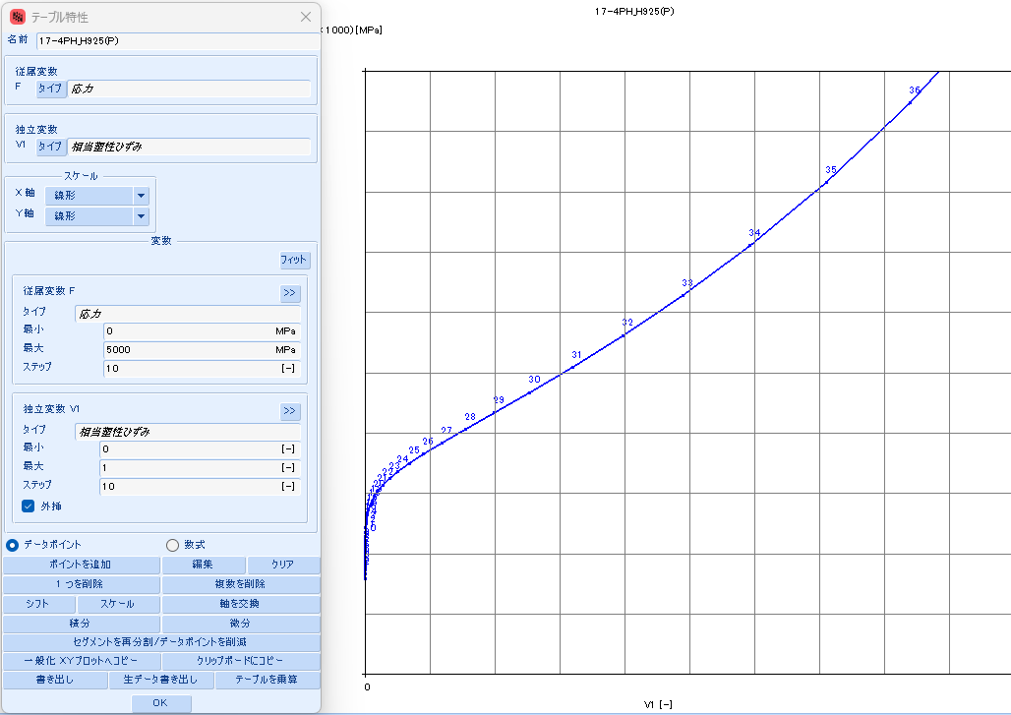
 |  |  | 0.5098 | 270 | 43 | 0.4119 | 408 | 480 | 0.4119 | 0.0143 | 0.3976 | #N/A | #N/A | #N/A | #N/A | #N/A | #N/A | #N/A | #N/A
 |  |  | 0.6565 | 275 | 34 | 0.5047 | 456 | 516 | 0.5047 | 0.0160 | 0.4887 | #N/A | #N/A | #N/A | #N/A | #N/A | #N/A | #N/A | #N/A
 |  |  | 0.8422 | 280 | 27 | 0.6110 | 516 | 567 | 0.6110 | 0.0181 | 0.5929 | #N/A | #N/A | #N/A | #N/A | #N/A | #N/A | #N/A | #N/A
 |  |  | 1.0765 | 285 | 21 | 0.7307 | 592 | 635 | 0.7307 | 0.0208 | 0.7099 | #N/A | #N/A | #N/A | #N/A | #N/A | #N/A | #N/A | #N/A
 |  |  | 1.3707 | 290 | 17 | 0.8632 | 687 | 722 | 0.8632 | 0.0241 | 0.8390 | #N/A | #N/A | #N/A | #N/A | #N/A | #N/A | #N/A | #N/A
 |  |  | 1.7387 | 295 | 14 | 1.0075 | 808 | 834 | 1.0075 | 0.0283 | 0.9791 | #N/A | #N/A | #N/A | #N/A | #N/A | #N/A | #N/A | #N/A
 |  |  | 2.1974 | 300 | 11 | 1.1623 | 959 | 977 | 1.1623 | 0.0337 | 1.1287 | #N/A | #N/A | #N/A | #N/A | #N/A | #N/A | #N/A | #N/A

17-4PH_H1025
SS curve, small range
17-4PH_AMS5643_H1025
 | parameter |  | R-O line_H1025_eng_total strain |  |  | R-O line_H1025_true_total strain |  |  |  |  |  | R-O line_H1025_true_plastic strain |  |  | table data for fea |  | fea line_H1025_total strain
 | E | 28,500 | εeng | σeng | Eeng | εtrue | σtrue | Etrue | εtrue | εelastic | εplastic | εfea | σfea | Efea | εfea | σfea | εfea | σfea | Efea
 | σty | 145 | [-] | [KSI] | [KSI] | [-] | [KSI] | [KSI] | [-] | [-] | [-] | [-] | [KSI] | [KSI] | [-] | [MPa] | [-] | [KSI] | [KSI]
 | K | 0.008% | 0.0000 | 0 | #N/A | 0.0000 | 0 | #N/A | 0.0000 | 0.0000 | 0.0000 | 0.0000 | 126 | #N/A | 0.0000000 | 865.627 | 0.0000 | 0 | #N/A
 | n | 24 | 0.0002 | 5 | 28,500 | 0.0002 | 5 | 28,508 | 0.0002 | 0.0002 | (0.0000) | 0.0000 | 131 | 4,330,265 | 0.0000012 | 900.412 | 0.0044 | 126 | 28,500
 |  |  | 0.0004 | 10 | 28,500 | 0.0004 | 10 | 28,523 | 0.0004 | 0.0004 | (0.0000) | 0.0000 | 136 | 834,204 | 0.0000072 | 935.215 | 0.0046 | 131 | 28,314
 | F0.70 line |  | 0.0005 | 15 | 28,500 | 0.0005 | 15 | 28,538 | 0.0005 | 0.0005 | (0.0000) | 0.0000 | 141 | 291,517 | 0.0000245 | 970.041 | 0.0048 | 136 | 27,558
 | σ | ε | 0.0007 | 20 | 28,500 | 0.0007 | 20 | 28,553 | 0.0007 | 0.0007 | (0.0000) | 0.0001 | 146 | 119,166 | 0.0000670 | 1004.907 | 0.0050 | 141 | 25,962
 | 0 | 0.00000 | 0.0009 | 25 | 28,500 | 0.0009 | 25 | 28,568 | 0.0009 | 0.0009 | (0.0000) | 0.0002 | 151 | 52,416 | 0.0001637 | 1039.844 | 0.0052 | 146 | 22,999
 | 999 | 0.05008 | 0.0011 | 30 | 28,500 | 0.0011 | 30 | 28,583 | 0.0011 | 0.0011 | (0.0000) | 0.0004 | 156 | 24,146 | 0.0003744 | 1074.924 | 0.0055 | 151 | 18,462
 |  |  | 0.0012 | 35 | 28,500 | 0.0012 | 35 | 28,598 | 0.0012 | 0.0012 | (0.0000) | 0.0008 | 161 | 11,538 | 0.0008189 | 1110.292 | 0.0058 | 156 | 13,072
 | F0.85 line |  | 0.0014 | 40 | 28,500 | 0.0014 | 40 | 28,613 | 0.0014 | 0.0014 | (0.0000) | 0.0017 | 166 | 5,711 | 0.0017320 | 1146.244 | 0.0065 | 161 | 8,213
 | σ | ε | 0.0016 | 45 | 28,500 | 0.0016 | 45 | 28,628 | 0.0016 | 0.0016 | (0.0000) | 0.0036 | 172 | 2,941 | 0.0035629 | 1183.367 | 0.0076 | 166 | 4,757
 | 0 | 0.00000 | 0.0018 | 50 | 28,500 | 0.0018 | 50 | 28,643 | 0.0018 | 0.0018 | (0.0000) | 0.0072 | 177 | 1,593 | 0.0071520 | 1222.797 | 0.0096 | 172 | 2,666
 | 999 | 0.04124 | 0.0019 | 55 | 28,500 | 0.0019 | 55 | 28,658 | 0.0019 | 0.0019 | (0.0000) | 0.0140 | 184 | 925 | 0.0140337 | 1266.702 | 0.0134 | 177 | 1,509
 |  |  | 0.0021 | 60 | 28,500 | 0.0021 | 60 | 28,673 | 0.0021 | 0.0021 | (0.0000) | 0.0269 | 191 | 590 | 0.0269270 | 1319.134 | 0.0205 | 184 | 896
 | formula n(ref.) |  | 0.0023 | 65 | 28,500 | 0.0023 | 65 | 28,688 | 0.0023 | 0.0023 | (0.0000) | 0.0505 | 201 | 421 | 0.0504689 | 1387.542 | 0.0336 | 191 | 578
 | F0.70 | 168 | 0.0025 | 70 | 28,500 | 0.0025 | 70 | 28,703 | 0.0025 | 0.0025 | (0.0000) | 0.0921 | 215 | 341 | 0.0921417 | 1485.394 | 0.0575 | 201 | 415
 | F0.85 | 160 | 0.0026 | 75 | 28,500 | 0.0026 | 75 | 28,718 | 0.0026 | 0.0026 | (0.0000) | 0.1630 | 237 | 309 | 0.1630385 | 1636.672 | 0.0997 | 215 | 337
 | n | 31 | 0.0028 | 80 | 28,500 | 0.0028 | 80 | 28,733 | 0.0028 | 0.0028 | (0.0000) | 0.2775 | 273 | 313 | 0.2775306 | 1883.450 | 0.1714 | 237 | 306
 |  |  | 0.0030 | 85 | 28,500 | 0.0030 | 85 | 28,748 | 0.0030 | 0.0030 | (0.0000) | 0.4505 | 333 | 348 | 0.4504851 | 2298.530 | 0.2871 | 273 | 309
 | ROW# | 30 | 0.0032 | 90 | 28,500 | 0.0032 | 90 | 28,763 | 0.0032 | 0.0032 | (0.0000) | 0.6918 | 436 | 425 | 0.6917625 | 3006.207 | 0.4622 | 333 | 344
 |  |  | 0.0033 | 95 | 28,500 | 0.0033 | 95 | 28,778 | 0.0033 | 0.0033 | (0.0000) | 1.0008 | 611 | 568 | 1.0008308 | 4216.029 | 0.7071 | 436 | 419
 |  |  | 0.0035 | 100 | 28,499 | 0.0035 | 100 | 28,792 | 0.0035 | 0.0035 | (0.0000) | 1.3659 | 910 | 819 | 1.3658727 | 6277.031 | 1.0223 | 611 | 557
 |  |  | 0.0037 | 105 | 28,496 | 0.0037 | 105 | 28,804 | 0.0037 | 0.0037 | (0.0000) | 1.7679 | 1416 | 1,258 | 1.7679447 | 9763.908 | 1.3978 | 910 | 796
SS curve, large range
 |  |  | 0.0039 | 110 | 28,488 | 0.0039 | 110 | 28,812 | 0.0039 | 0.0039 | (0.0000) | 2.1861 | 2264 | 2,029 | 2.1860568 | 15612.549 | 1.8176 | 1416 | 1,205
 |  |  | 0.0040 | 115 | 28,467 | 0.0040 | 115 | 28,805 | 0.0040 | 0.0041 | (0.0000) | 2.5995 | 3674 | 3,409 | 2.5995011 | 25331.041 | 2.2655 | 2264 | 1,894
 |  |  | 0.0042 | 120 | 28,412 | 0.0042 | 121 | 28,764 | 0.0042 | 0.0042 | (0.0000) | 2.9869 | 5994 | 5,988 | 2.9869265 | 41325.081 | 2.7284 | 3674 | 3,045
 |  |  | 0.0044 | 125 | 28,271 | 0.0044 | 126 | 28,638 | 0.0044 | 0.0044 | (0.0000) | 3.3232 | 9775 | 11,246 | 3.3231565 | 67395.246 | 3.1972 | 5994 | 4,948
 |  |  | 0.0046 | 130 | 27,935 | 0.0046 | 131 | 28,314 | 0.0046 | 0.0046 | (0.0000) | 3.5744 | 15880 | 24,301 | 3.5743916 | 109490.237 | 3.6661 | 9775 | 8,064
 |  |  | 0.0048 | 135 | 27,172 | 0.0047 | 136 | 27,558 | 0.0047 | 0.0048 | (0.0000) | 3.6916 | 25648 | 83,313 | 3.6916368 | 176838.304 | 4.1316 | 15880 | 13,117
 |  |  | 0.0049 | 140 | 25,575 | 0.0049 | 141 | 25,962 | 0.0049 | 0.0049 | (0.0000) | 3.6016 | 41137 | (171,940) | 3.6015513 | 283633.035 | 4.5916 | 25648 | 21,236
 |  |  | 0.0052 | 145 | 22,627 | 0.0052 | 146 | 22,999 | 0.0052 | 0.0051 | 0.0000 | 3.1934 | 65488 | (59,661) | 3.1933975 | 451525.694 | 5.0450 | 41137 | 34,163
 |  |  | 0.0054 | 150 | 18,121 | 0.0054 | 151 | 18,462 | 0.0054 | 0.0053 | 0.0001 | 2.3002 | 103453 | (42,504) | 2.3002023 | 713282.530 | 5.4912 | 65488 | 54,566
 |  |  | 0.0058 | 155 | 12,774 | 0.0058 | 156 | 13,072 | 0.0058 | 0.0055 | 0.0003 | 0.6715 | 162169 | (36,051) | 0.6715043 | 1118113.138 | 5.9301 | 103453 | 86,500
 |  |  | 0.0065 | 160 | 7,957 | 0.0064 | 161 | 8,213 | 0.0064 | 0.0057 | 0.0008 | (2.0660) | 252276 | (32,916) | (2.0659607) | 1739379.735 | 6.3616 | 162169 | 136,073
 |  |  | 0.0076 | 165 | 4,530 | 0.0075 | 166 | 4,757 | 0.0075 | 0.0058 | 0.0017 | (6.4647) | 389524 | (31,202) | (6.4646941) | 2685676.991 | 6.7858 | 252276 | 212,423
 |  |  | 0.0096 | 170 | 2,454 | 0.0096 | 172 | 2,666 | 0.0096 | 0.0060 | 0.0035 | (13.3370) | 597070 | (30,200) | (13.3369806) | 4116653.723 | 7.2028 | 389524 | 329,124
 |  |  | 0.0134 | 175 | 1,304 | 0.0133 | 177 | 1,509 | 0.0133 | 0.0062 | 0.0071 | (23.8692) | 908729 | (29,591) | (23.8691691) | 6265465.781 | 7.6128 | 597070 | 506,192
 |  |  | 0.0207 | 180 | 692 | 0.0205 | 184 | 896 | 0.0205 | 0.0064 | 0.0140 | #N/A | #N/A | #N/A | #N/A | #N/A | 8.0160 | 908729 | 772,953
 |  |  | 0.0342 | 185 | 370 | 0.0336 | 191 | 578 | 0.0336 | 0.0067 | 0.0269 | #N/A | #N/A | #N/A | #N/A | #N/A | #N/A | #N/A | #N/A
 |  |  | 0.0592 | 190 | 200 | 0.0575 | 201 | 415 | 0.0575 | 0.0071 | 0.0504 | #N/A | #N/A | #N/A | #N/A | #N/A | #N/A | #N/A | #N/A
 |  |  | 0.1048 | 195 | 110 | 0.0997 | 215 | 337 | 0.0997 | 0.0076 | 0.0921 | #N/A | #N/A | #N/A | #N/A | #N/A | #N/A | #N/A | #N/A
 |  |  | 0.1869 | 200 | 61 | 0.1713 | 237 | 306 | 0.1713 | 0.0083 | 0.1630 | #N/A | #N/A | #N/A | #N/A | #N/A | #N/A | #N/A | #N/A
 |  |  | 0.3325 | 205 | 34 | 0.2871 | 273 | 309 | 0.2871 | 0.0096 | 0.2775 | #N/A | #N/A | #N/A | #N/A | #N/A | #N/A | #N/A | #N/A
 |  |  | 0.5875 | 210 | 20 | 0.4622 | 333 | 344 | 0.4622 | 0.0117 | 0.4505 | #N/A | #N/A | #N/A | #N/A | #N/A | #N/A | #N/A | #N/A
 |  |  | 1.0280 | 215 | 11 | 0.7070 | 436 | 419 | 0.7070 | 0.0153 | 0.6917 | #N/A | #N/A | #N/A | #N/A | #N/A | #N/A | #N/A | #N/A
 |  |  | 1.7795 | 220 | 7 | 1.0223 | 611 | 557 | 1.0223 | 0.0215 | 1.0008 | #N/A | #N/A | #N/A | #N/A | #N/A | #N/A | #N/A | #N/A
 |  |  | 3.0462 | 225 | 4 | 1.3978 | 910 | 796 | 1.3978 | 0.0319 | 1.3658 | #N/A | #N/A | #N/A | #N/A | #N/A | #N/A | #N/A | #N/A
 |  |  | 5.1571 | 230 | 2 | 1.8176 | 1416 | 1,205 | 1.8176 | 0.0497 | 1.7679 | #N/A | #N/A | #N/A | #N/A | #N/A | #N/A | #N/A | #N/A
 |  |  | 8.6358 | 235 | 1 | 2.2655 | 2264 | 1,894 | 2.2655 | 0.0795 | 2.1860 | #N/A | #N/A | #N/A | #N/A | #N/A | #N/A | #N/A | #N/A
 |  |  | 14.3081 | 240 | 1 | 2.7284 | 3674 | 3,045 | 2.7284 | 0.1289 | 2.5995 | #N/A | #N/A | #N/A | #N/A | #N/A | #N/A | #N/A | #N/A
 |  |  | 23.4641 | 245 | 1 | 3.1972 | 5994 | 4,948 | 3.1972 | 0.2103 | 2.9869 | #N/A | #N/A | #N/A | #N/A | #N/A | #N/A | #N/A | #N/A
 |  |  | 38.0994 | 250 | 0 | 3.6661 | 9775 | 8,064 | 3.6661 | 0.3430 | 3.3231 | #N/A | #N/A | #N/A | #N/A | #N/A | #N/A | #N/A | #N/A
 |  |  | 61.2753 | 255 | 0 | 4.1316 | 15880 | 13,117 | 4.1316 | 0.5572 | 3.5744 | #N/A | #N/A | #N/A | #N/A | #N/A | #N/A | #N/A | #N/A
 |  |  | 97.6470 | 260 | 0 | 4.5915 | 25648 | 21,236 | 4.5915 | 0.8999 | 3.6916 | #N/A | #N/A | #N/A | #N/A | #N/A | #N/A | #N/A | #N/A
 |  |  | 154.2358 | 265 | 0 | 5.0449 | 41137 | 34,163 | 5.0449 | 1.4434 | 3.6015 | #N/A | #N/A | #N/A | #N/A | #N/A | #N/A | #N/A | #N/A
 |  |  | 241.5490 | 270 | 0 | 5.4912 | 65488 | 54,566 | 5.4912 | 2.2978 | 3.1934 | #N/A | #N/A | #N/A | #N/A | #N/A | #N/A | #N/A | #N/A
 |  |  | 375.1922 | 275 | 0 | 5.9301 | 103453 | 86,500 | 5.9301 | 3.6299 | 2.3002 | #N/A | #N/A | #N/A | #N/A | #N/A | #N/A | #N/A | #N/A
 |  |  | 578.1733 | 280 | 0 | 6.3616 | 162169 | 136,073 | 6.3616 | 5.6901 | 0.6715 | #N/A | #N/A | #N/A | #N/A | #N/A | #N/A | #N/A | #N/A
 |  |  | 884.1776 | 285 | 0 | 6.7858 | 252276 | 212,423 | 6.7858 | 8.8518 | (2.0660) | #N/A | #N/A | #N/A | #N/A | #N/A | #N/A | #N/A | #N/A
 |  |  | 1342.1875 | 290 | 0 | 7.2028 | 389524 | 139,349 | 7.2028 | 13.6675 | (6.4647) | #N/A | #N/A | #N/A | #N/A | #N/A | #N/A | #N/A | #N/A
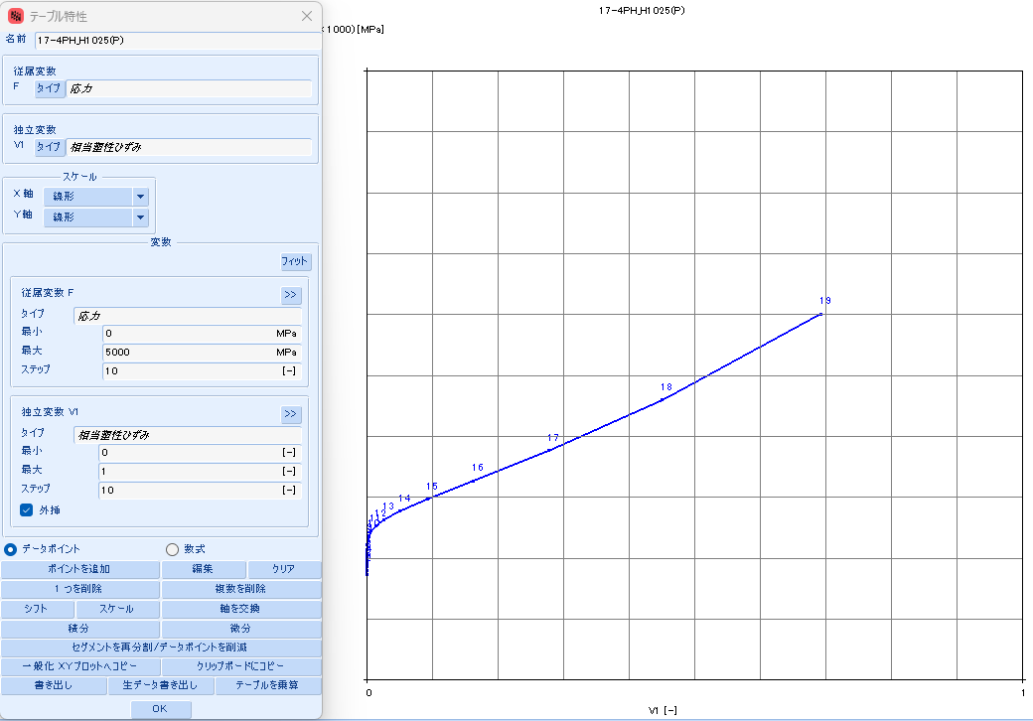
 |  |  | 2022.9658 | 295 | 0 | 7.6128 | 597070 | 506,192 | 7.6128 | 20.9498 | (13.3370) | #N/A | #N/A | #N/A | #N/A | #N/A | #N/A | #N/A | #N/A
 |  |  | 3028.0954 | 300 | 0 | 8.0160 | 908729 | 772,953 | 8.0160 | 31.8852 | (23.8692) | #N/A | #N/A | #N/A | #N/A | #N/A | #N/A | #N/A | #N/A

17-4PH_H1075
SS curve, small range
17-4PH_AMS5643_H1075
 | parameter |  | R-O line_H1075_eng_total strain |  |  | R-O line_H1075_true_total strain |  |  |  |  |  | R-O line_H1075_true_plastic strain |  |  | table data for fea |  | fea line_H1075_total strain
 | E | 28,500 | εeng | σeng | Eeng | εtrue | σtrue | Etrue | εtrue | εelastic | εplastic | εfea | σfea | Efea | εfea | σfea | εfea | σfea | Efea
 | σty | 143 | [-] | [KSI] | [KSI] | [-] | [KSI] | [KSI] | [-] | [-] | [-] | [-] | [KSI] | [KSI] | [-] | [MPa] | [-] | [KSI] | [KSI]
 | K | 0.1450% | 0.0000 | 0 | #N/A | 0.0000 | 0 | #N/A | 0.0000 | 0.0000 | 0.0000 | 0.0000 | 95 | #N/A | 0.0000 | 657.187 | 0.0000 | 0 | #N/A
 | n | 16 | 0.0002 | 5 | 28,500 | 0.0002 | 5 | 28,508 | 0.0002 | 0.0002 | (0.0000) | 0.0000 | 100 | 6,013,079 | 0.0000 | 691.898 | 0.0033 | 95 | 28,500
 |  |  | 0.0004 | 10 | 28,500 | 0.0004 | 10 | 28,523 | 0.0004 | 0.0004 | (0.0000) | 0.0000 | 105 | 1,370,128 | 0.0000 | 726.624 | 0.0035 | 100 | 28,366
 | F0.70 line |  | 0.0005 | 15 | 28,500 | 0.0005 | 15 | 28,538 | 0.0005 | 0.0005 | (0.0000) | 0.0000 | 110 | 538,111 | 0.0000 | 761.367 | 0.0037 | 105 | 27,919
 | σ | ε | 0.0007 | 20 | 28,500 | 0.0007 | 20 | 28,553 | 0.0007 | 0.0007 | (0.0000) | 0.0000 | 115 | 248,127 | 0.0000 | 796.132 | 0.0039 | 110 | 27,066
 | 0 | 0.00000 | 0.0009 | 25 | 28,500 | 0.0009 | 25 | 28,568 | 0.0009 | 0.0009 | (0.0000) | 0.0001 | 121 | 123,838 | 0.0001 | 830.927 | 0.0041 | 115 | 25,564
 | 999 | 0.05008 | 0.0011 | 30 | 28,500 | 0.0011 | 30 | 28,583 | 0.0011 | 0.0011 | (0.0000) | 0.0002 | 126 | 64,959 | 0.0002 | 865.770 | 0.0043 | 121 | 23,168
 |  |  | 0.0012 | 35 | 28,500 | 0.0012 | 35 | 28,598 | 0.0012 | 0.0012 | (0.0000) | 0.0003 | 131 | 35,344 | 0.0003 | 900.690 | 0.0046 | 126 | 19,809
 | F0.85 line |  | 0.0014 | 40 | 28,500 | 0.0014 | 40 | 28,613 | 0.0014 | 0.0014 | (0.0000) | 0.0006 | 136 | 19,818 | 0.0006 | 935.739 | 0.0049 | 131 | 15,778
 | σ | ε | 0.0016 | 45 | 28,500 | 0.0016 | 45 | 28,628 | 0.0016 | 0.0016 | (0.0000) | 0.0010 | 141 | 11,415 | 0.0010 | 971.005 | 0.0053 | 136 | 11,690
 | 0 | 0.00000 | 0.0018 | 50 | 28,500 | 0.0018 | 50 | 28,643 | 0.0018 | 0.0018 | (0.0000) | 0.0018 | 146 | 6,747 | 0.0018 | 1006.637 | 0.0059 | 141 | 8,151
 | 999 | 0.04124 | 0.0019 | 55 | 28,500 | 0.0019 | 55 | 28,658 | 0.0019 | 0.0019 | (0.0000) | 0.0031 | 151 | 4,094 | 0.0031 | 1042.879 | 0.0069 | 146 | 5,455
 |  |  | 0.0021 | 60 | 28,500 | 0.0021 | 60 | 28,673 | 0.0021 | 0.0021 | (0.0000) | 0.0052 | 157 | 2,557 | 0.0052 | 1080.125 | 0.0084 | 151 | 3,580
 | formula n(ref.) |  | 0.0023 | 65 | 28,499 | 0.0023 | 65 | 28,687 | 0.0023 | 0.0023 | (0.0000) | 0.0086 | 162 | 1,651 | 0.0086 | 1119.005 | 0.0107 | 157 | 2,346
 | F0.70 | 125 | 0.0025 | 70 | 28,498 | 0.0025 | 70 | 28,701 | 0.0025 | 0.0025 | (0.0000) | 0.0140 | 168 | 1,108 | 0.0140 | 1160.505 | 0.0143 | 162 | 1,560
 | F0.85 | 114 | 0.0026 | 75 | 28,495 | 0.0026 | 75 | 28,713 | 0.0026 | 0.0026 | (0.0000) | 0.0225 | 175 | 780 | 0.0225 | 1206.149 | 0.0199 | 168 | 1,067
 | n | 17 | 0.0028 | 80 | 28,486 | 0.0028 | 80 | 28,719 | 0.0028 | 0.0028 | (0.0000) | 0.0356 | 182 | 579 | 0.0356 | 1258.267 | 0.0286 | 175 | 759
 |  |  | 0.0030 | 85 | 28,465 | 0.0030 | 85 | 28,712 | 0.0030 | 0.0030 | (0.0000) | 0.0552 | 192 | 457 | 0.0552 | 1320.368 | 0.0420 | 182 | 568
 | ROW# | 24 | 0.0032 | 90 | 28,415 | 0.0032 | 90 | 28,677 | 0.0032 | 0.0032 | (0.0000) | 0.0844 | 203 | 385 | 0.0844 | 1397.686 | 0.0620 | 192 | 450
 |  |  | 0.0033 | 95 | 28,305 | 0.0033 | 95 | 28,582 | 0.0033 | 0.0033 | (0.0000) | 0.1264 | 217 | 345 | 0.1264 | 1497.931 | 0.0915 | 203 | 380
 |  |  | 0.0035 | 100 | 28,075 | 0.0035 | 100 | 28,366 | 0.0035 | 0.0035 | (0.0000) | 0.1857 | 237 | 329 | 0.1857 | 1632.353 | 0.1341 | 217 | 341
 |  |  | 0.0037 | 105 | 27,617 | 0.0037 | 105 | 27,919 | 0.0037 | 0.0037 | (0.0000) | 0.2667 | 264 | 331 | 0.2667 | 1817.198 | 0.1940 | 237 | 325
SS curve, large range
 |  |  | 0.0039 | 110 | 26,755 | 0.0039 | 110 | 27,066 | 0.0039 | 0.0039 | (0.0000) | 0.3737 | 301 | 350 | 0.3737 | 2075.711 | 0.2760 | 264 | 327
 |  |  | 0.0041 | 115 | 25,249 | 0.0041 | 115 | 25,564 | 0.0041 | 0.0041 | 0.0000 | 0.5098 | 354 | 389 | 0.5098 | 2440.856 | 0.3843 | 301 | 346
 |  |  | 0.0043 | 120 | 22,858 | 0.0043 | 121 | 23,168 | 0.0043 | 0.0042 | 0.0001 | 0.6762 | 429 | 452 | 0.6762 | 2958.984 | 0.5222 | 354 | 384
 |  |  | 0.0046 | 125 | 19,513 | 0.0045 | 126 | 19,809 | 0.0045 | 0.0044 | 0.0001 | 0.8715 | 536 | 546 | 0.8715 | 3694.744 | 0.6912 | 429 | 445
 |  |  | 0.0049 | 130 | 15,503 | 0.0049 | 131 | 15,778 | 0.0049 | 0.0046 | 0.0003 | 1.0923 | 687 | 685 | 1.0923 | 4737.615 | 0.8903 | 536 | 536
 |  |  | 0.0053 | 135 | 11,439 | 0.0053 | 136 | 11,690 | 0.0053 | 0.0048 | 0.0005 | 1.3336 | 901 | 886 | 1.3336 | 6210.534 | 1.1164 | 687 | 669
 |  |  | 0.0059 | 140 | 7,923 | 0.0059 | 141 | 8,151 | 0.0059 | 0.0049 | 0.0010 | 1.5893 | 1201 | 1,175 | 1.5893 | 8281.219 | 1.3652 | 901 | 859
 |  |  | 0.0069 | 145 | 5,244 | 0.0069 | 146 | 5,455 | 0.0069 | 0.0051 | 0.0018 | 1.8533 | 1621 | 1,590 | 1.8533 | 11176.951 | 1.6314 | 1201 | 1,128
 |  |  | 0.0084 | 150 | 3,379 | 0.0083 | 151 | 3,580 | 0.0083 | 0.0053 | 0.0030 | 2.1199 | 2205 | 2,191 | 2.1199 | 15203.744 | 1.9102 | 1621 | 1,506
 |  |  | 0.0107 | 155 | 2,151 | 0.0106 | 157 | 2,346 | 0.0106 | 0.0055 | 0.0051 | 2.3834 | 3013 | 3,065 | 2.3834 | 20771.085 | 2.1973 | 2205 | 2,034
 |  |  | 0.0144 | 160 | 1,366 | 0.0143 | 162 | 1,560 | 0.0143 | 0.0057 | 0.0086 | 2.6383 | 4123 | 4,354 | 2.6383 | 28423.674 | 2.4891 | 3013 | 2,767
 |  |  | 0.0201 | 165 | 871 | 0.0199 | 168 | 1,067 | 0.0199 | 0.0059 | 0.0140 | 2.8790 | 5639 | 6,303 | 2.8790 | 38881.969 | 2.7830 | 4123 | 3,777
 |  |  | 0.0290 | 170 | 559 | 0.0286 | 175 | 759 | 0.0286 | 0.0061 | 0.0225 | 3.0991 | 7701 | 9,363 | 3.0991 | 53093.692 | 3.0769 | 5639 | 5,161
 |  |  | 0.0428 | 175 | 362 | 0.0419 | 182 | 568 | 0.0419 | 0.0064 | 0.0355 | 3.2915 | 10486 | 14,483 | 3.2915 | 72298.982 | 3.3693 | 7701 | 7,047
 |  |  | 0.0639 | 180 | 237 | 0.0619 | 192 | 450 | 0.0619 | 0.0067 | 0.0552 | 3.4471 | 14230 | 24,063 | 3.4471 | 98112.423 | 3.6594 | 10486 | 9,603
 |  |  | 0.0958 | 185 | 157 | 0.0915 | 203 | 380 | 0.0915 | 0.0071 | 0.0843 | 3.5548 | 19236 | 46,453 | 3.5548 | 132625.878 | 3.9464 | 14230 | 13,047
 |  |  | 0.1435 | 190 | 105 | 0.1341 | 217 | 341 | 0.1341 | 0.0076 | 0.1264 | 3.6007 | 25895 | 145,008 | 3.6007 | 178536.874 | 4.2298 | 19236 | 17,663
 |  |  | 0.2141 | 195 | 71 | 0.1940 | 237 | 325 | 0.1940 | 0.0083 | 0.1857 | 3.5670 | 34709 | (261,528) | 3.5670 | 239308.233 | 4.5093 | 25895 | 23,819
 |  |  | 0.3178 | 200 | 48 | 0.2760 | 264 | 327 | 0.2760 | 0.0092 | 0.2667 | 3.4311 | 46320 | (85,424) | 3.4311 | 319365.788 | 4.7849 | 34709 | 31,986
 |  |  | 0.4686 | 205 | 33 | 0.3843 | 301 | 346 | 0.3843 | 0.0106 | 0.3737 | 3.1643 | 61546 | (57,060) | 3.1643 | 424342.367 | 5.0564 | 46320 | 42,769
 |  |  | 0.6858 | 210 | 23 | 0.5222 | 354 | 384 | 0.5222 | 0.0124 | 0.5098 | #N/A | #N/A | #N/A | #N/A | #N/A | 5.3238 | 61546 | 56,940
 |  |  | 0.9961 | 215 | 16 | 0.6912 | 429 | 445 | 0.6912 | 0.0151 | 0.6761 | #N/A | #N/A | #N/A | #N/A | #N/A | #N/A | #N/A | #N/A
 |  |  | 1.4358 | 220 | 11 | 0.8903 | 536 | 536 | 0.8903 | 0.0188 | 0.8715 | #N/A | #N/A | #N/A | #N/A | #N/A | #N/A | #N/A | #N/A
 |  |  | 2.0539 | 225 | 8 | 1.1164 | 687 | 669 | 1.1164 | 0.0241 | 1.0923 | #N/A | #N/A | #N/A | #N/A | #N/A | #N/A | #N/A | #N/A
 |  |  | 2.9164 | 230 | 6 | 1.3652 | 901 | 859 | 1.3652 | 0.0316 | 1.3336 | #N/A | #N/A | #N/A | #N/A | #N/A | #N/A | #N/A | #N/A
 |  |  | 4.1110 | 235 | 4 | 1.6314 | 1201 | 1,128 | 1.6314 | 0.0421 | 1.5893 | #N/A | #N/A | #N/A | #N/A | #N/A | #N/A | #N/A | #N/A
 |  |  | 5.7545 | 240 | 3 | 1.9102 | 1621 | 1,506 | 1.9102 | 0.0569 | 1.8533 | #N/A | #N/A | #N/A | #N/A | #N/A | #N/A | #N/A | #N/A
 |  |  | 8.0005 | 245 | 2 | 2.1973 | 2205 | 2,034 | 2.1973 | 0.0774 | 2.1199 | #N/A | #N/A | #N/A | #N/A | #N/A | #N/A | #N/A | #N/A
 |  |  | 11.0504 | 250 | 2 | 2.4891 | 3013 | 2,767 | 2.4891 | 0.1057 | 2.3834 | #N/A | #N/A | #N/A | #N/A | #N/A | #N/A | #N/A | #N/A
 |  |  | 15.1667 | 255 | 1 | 2.7830 | 4123 | 3,777 | 2.7830 | 0.1446 | 2.6383 | #N/A | #N/A | #N/A | #N/A | #N/A | #N/A | #N/A | #N/A
 |  |  | 20.6898 | 260 | 1 | 3.0768 | 5639 | 5,161 | 3.0768 | 0.1979 | 2.8790 | #N/A | #N/A | #N/A | #N/A | #N/A | #N/A | #N/A | #N/A
 |  |  | 28.0588 | 265 | 1 | 3.3693 | 7701 | 7,047 | 3.3693 | 0.2702 | 3.0991 | #N/A | #N/A | #N/A | #N/A | #N/A | #N/A | #N/A | #N/A
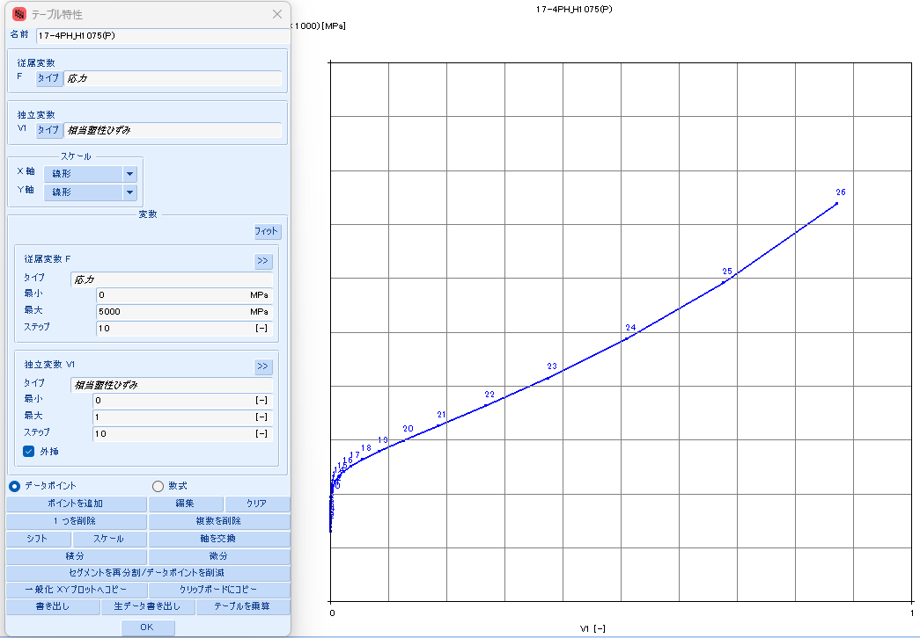
 |  |  | 37.8373 | 270 | 1 | 3.6594 | 10486 | 9,603 | 3.6594 | 0.3679 | 3.2914 | #N/A | #N/A | #N/A | #N/A | #N/A | #N/A | #N/A | #N/A
 |  |  | 50.7454 | 275 | 0 | 3.9463 | 14230 | 13,047 | 3.9463 | 0.4993 | 3.4470 | #N/A | #N/A | #N/A | #N/A | #N/A | #N/A | #N/A | #N/A
 |  |  | 67.6991 | 280 | 0 | 4.2297 | 19236 | 17,663 | 4.2297 | 0.6749 | 3.5548 | #N/A | #N/A | #N/A | #N/A | #N/A | #N/A | #N/A | #N/A
 |  |  | 89.8582 | 285 | 0 | 4.5093 | 25895 | 23,819 | 4.5093 | 0.9086 | 3.6007 | #N/A | #N/A | #N/A | #N/A | #N/A | #N/A | #N/A | #N/A
 |  |  | 118.6852 | 290 | 0 | 4.7849 | 34709 | 31,986 | 4.7849 | 1.2178 | 3.5670 | #N/A | #N/A | #N/A | #N/A | #N/A | #N/A | #N/A | #N/A
 |  |  | 156.0172 | 295 | 0 | 5.0564 | 46320 | 42,769 | 5.0564 | 1.6253 | 3.4311 | #N/A | #N/A | #N/A | #N/A | #N/A | #N/A | #N/A | #N/A
 |  |  | 204.1521 | 300 | 0 | 5.3238 | 61546 | 56,940 | 5.3238 | 2.1595 | 3.1643 | #N/A | #N/A | #N/A | #N/A | #N/A | #N/A | #N/A | #N/A

17-4PH_H1100
SS curve, small range
17-4PH_AMS5643_H1100
 | parameter |  | R-O line_H1100_eng_total strain |  |  | R-O line_H1100_true_total strain |  |  |  |  |  | R-O line_H1100_true_plastic strain |  |  | table data for fea |  | fea line_H1100_total strain
 | E | 28,500 | εeng | σeng | Eeng | εtrue | σtrue | Etrue | εtrue | εelastic | εplastic | εfea | σfea | Efea | εfea | σfea | εfea | σfea | Efea
 | σty | 115 | [-] | [KSI] | [KSI] | [-] | [KSI] | [KSI] | [-] | [-] | [-] | [-] | [KSI] | [KSI] | [-] | [MPa] | [-] | [KSI] | [KSI]
 | K | 0.0080% | 0.0000 | 0 | #N/A | 0.0000 | 0 | #N/A | 0.0000 | 0.0000 | 0.0000 | 0.0000 | 90 | #N/A | 0.0000 | 622.489 | 0.0000 | 0 | #N/A
 | n | 16 | 0.0002 | 5 | 28,500 | 0.0002 | 5 | 28,508 | 0.0002 | 0.0002 | (0.0000) | 0.0000 | 95 | 11,009,820 | 0.0000 | 657.188 | 0.0032 | 90 | 28,500
 |  |  | 0.0004 | 10 | 28,500 | 0.0004 | 10 | 28,523 | 0.0004 | 0.0004 | (0.0000) | 0.0000 | 100 | 1,704,903 | 0.0000 | 691.901 | 0.0033 | 95 | 28,426
 | F0.70 line |  | 0.0005 | 15 | 28,500 | 0.0005 | 15 | 28,538 | 0.0005 | 0.0005 | (0.0000) | 0.0000 | 105 | 618,464 | 0.0000 | 726.630 | 0.0035 | 100 | 28,031
 | σ | ε | 0.0007 | 20 | 28,500 | 0.0007 | 20 | 28,553 | 0.0007 | 0.0007 | (0.0000) | 0.0000 | 110 | 272,839 | 0.0000 | 761.381 | 0.0037 | 105 | 27,245
 | 0 | 0.00000 | 0.0009 | 25 | 28,500 | 0.0009 | 25 | 28,568 | 0.0009 | 0.0009 | (0.0000) | 0.0001 | 115 | 131,714 | 0.0001 | 796.160 | 0.0039 | 110 | 25,805
 | 999 | 0.05008 | 0.0011 | 30 | 28,500 | 0.0011 | 30 | 28,583 | 0.0011 | 0.0011 | (0.0000) | 0.0001 | 121 | 67,167 | 0.0001 | 830.986 | 0.0041 | 115 | 23,430
 |  |  | 0.0012 | 35 | 28,500 | 0.0012 | 35 | 28,598 | 0.0012 | 0.0012 | (0.0000) | 0.0003 | 126 | 35,637 | 0.0003 | 865.887 | 0.0044 | 121 | 20,010
 | F0.85 line |  | 0.0014 | 40 | 28,500 | 0.0014 | 40 | 28,613 | 0.0014 | 0.0014 | (0.0000) | 0.0005 | 131 | 19,529 | 0.0005 | 900.917 | 0.0047 | 126 | 15,836
 | σ | ε | 0.0016 | 45 | 28,500 | 0.0016 | 45 | 28,628 | 0.0016 | 0.0016 | (0.0000) | 0.0010 | 136 | 11,015 | 0.0010 | 936.170 | 0.0051 | 131 | 11,588
 | 0 | 0.00000 | 0.0018 | 50 | 28,500 | 0.0018 | 50 | 28,643 | 0.0018 | 0.0018 | (0.0000) | 0.0018 | 141 | 6,386 | 0.0018 | 971.805 | 0.0058 | 136 | 7,944
 | 999 | 0.04124 | 0.0019 | 55 | 28,500 | 0.0019 | 55 | 28,658 | 0.0019 | 0.0019 | (0.0000) | 0.0032 | 146 | 3,810 | 0.0032 | 1008.090 | 0.0068 | 141 | 5,217
 |  |  | 0.0021 | 60 | 28,500 | 0.0021 | 60 | 28,672 | 0.0021 | 0.0021 | (0.0000) | 0.0055 | 152 | 2,344 | 0.0055 | 1045.465 | 0.0083 | 146 | 3,360
 | formula n(ref.) |  | 0.0023 | 65 | 28,499 | 0.0023 | 65 | 28,687 | 0.0023 | 0.0023 | (0.0000) | 0.0093 | 157 | 1,496 | 0.0093 | 1084.641 | 0.0108 | 152 | 2,166
 | F0.70 | 125 | 0.0025 | 70 | 28,497 | 0.0025 | 70 | 28,700 | 0.0025 | 0.0025 | (0.0000) | 0.0154 | 163 | 997 | 0.0154 | 1126.752 | 0.0148 | 157 | 1,421
 | F0.85 | 114 | 0.0026 | 75 | 28,491 | 0.0026 | 75 | 28,709 | 0.0026 | 0.0026 | (0.0000) | 0.0251 | 170 | 700 | 0.0251 | 1173.576 | 0.0212 | 163 | 963
 | n | 17 | 0.0028 | 80 | 28,475 | 0.0028 | 80 | 28,708 | 0.0028 | 0.0028 | (0.0000) | 0.0402 | 178 | 522 | 0.0402 | 1227.862 | 0.0311 | 170 | 683
 |  |  | 0.0030 | 85 | 28,436 | 0.0030 | 85 | 28,684 | 0.0030 | 0.0030 | (0.0000) | 0.0632 | 188 | 416 | 0.0632 | 1293.808 | 0.0465 | 178 | 512
 | ROW# | 23 | 0.0032 | 90 | 28,347 | 0.0032 | 90 | 28,609 | 0.0032 | 0.0032 | (0.0000) | 0.0975 | 200 | 355 | 0.0975 | 1377.743 | 0.0698 | 188 | 410
 |  |  | 0.0033 | 95 | 28,150 | 0.0033 | 95 | 28,426 | 0.0033 | 0.0033 | (0.0000) | 0.1472 | 216 | 325 | 0.1472 | 1489.098 | 0.1045 | 200 | 351
 |  |  | 0.0035 | 100 | 27,743 | 0.0035 | 100 | 28,031 | 0.0035 | 0.0035 | (0.0000) | 0.2174 | 238 | 316 | 0.2174 | 1641.777 | 0.1548 | 216 | 321
 |  |  | 0.0037 | 105 | 26,947 | 0.0037 | 105 | 27,245 | 0.0037 | 0.0037 | (0.0000) | 0.3130 | 269 | 325 | 0.3130 | 1856.057 | 0.2258 | 238 | 312
SS curve, large range
 |  |  | 0.0039 | 110 | 25,502 | 0.0039 | 110 | 25,805 | 0.0039 | 0.0039 | 0.0000 | 0.4384 | 313 | 353 | 0.4384 | 2161.227 | 0.3225 | 269 | 321
 |  |  | 0.0041 | 115 | 23,132 | 0.0041 | 115 | 23,430 | 0.0041 | 0.0041 | 0.0001 | 0.5960 | 377 | 403 | 0.5960 | 2599.192 | 0.4494 | 313 | 349
 |  |  | 0.0044 | 120 | 19,724 | 0.0044 | 121 | 20,010 | 0.0044 | 0.0042 | 0.0001 | 0.7858 | 468 | 482 | 0.7858 | 3229.377 | 0.6092 | 377 | 397
 |  |  | 0.0047 | 125 | 15,571 | 0.0047 | 126 | 15,836 | 0.0047 | 0.0044 | 0.0003 | 1.0049 | 600 | 600 | 1.0049 | 4135.341 | 0.8022 | 468 | 474
 |  |  | 0.0051 | 130 | 11,348 | 0.0051 | 131 | 11,588 | 0.0051 | 0.0046 | 0.0005 | 1.2483 | 788 | 773 | 1.2483 | 5433.630 | 1.0259 | 600 | 587
 |  |  | 0.0058 | 135 | 7,727 | 0.0058 | 136 | 7,944 | 0.0058 | 0.0048 | 0.0010 | 1.5097 | 1057 | 1,028 | 1.5097 | 7285.550 | 1.2760 | 788 | 753
 |  |  | 0.0068 | 140 | 5,016 | 0.0068 | 141 | 5,217 | 0.0068 | 0.0049 | 0.0018 | 1.7823 | 1438 | 1,398 | 1.7823 | 9912.724 | 1.5468 | 1057 | 992
 |  |  | 0.0084 | 145 | 3,169 | 0.0083 | 146 | 3,360 | 0.0083 | 0.0051 | 0.0032 | 2.0595 | 1975 | 1,939 | 2.0595 | 13617.506 | 1.8327 | 1438 | 1,333
 |  |  | 0.0109 | 150 | 1,979 | 0.0108 | 152 | 2,166 | 0.0108 | 0.0053 | 0.0055 | 2.3350 | 2728 | 2,733 | 2.3350 | 18809.624 | 2.1288 | 1975 | 1,815
 |  |  | 0.0149 | 155 | 1,235 | 0.0148 | 157 | 1,421 | 0.0148 | 0.0055 | 0.0093 | 2.6029 | 3777 | 3,915 | 2.6029 | 26040.742 | 2.4307 | 2728 | 2,494
 |  |  | 0.0214 | 160 | 774 | 0.0212 | 163 | 963 | 0.0212 | 0.0057 | 0.0154 | 2.8570 | 5228 | 5,713 | 2.8570 | 36049.057 | 2.7354 | 3777 | 3,442
 |  |  | 0.0316 | 165 | 490 | 0.0311 | 170 | 683 | 0.0311 | 0.0060 | 0.0251 | 3.0906 | 7225 | 8,548 | 3.0906 | 49816.523 | 3.0404 | 5228 | 4,759
 |  |  | 0.0476 | 170 | 313 | 0.0465 | 178 | 512 | 0.0465 | 0.0062 | 0.0402 | 3.2959 | 9956 | 13,297 | 3.2959 | 68641.938 | 3.3441 | 7225 | 6,576
 |  |  | 0.0723 | 175 | 202 | 0.0698 | 188 | 410 | 0.0698 | 0.0066 | 0.0632 | 3.4635 | 13667 | 22,148 | 3.4635 | 94233.799 | 3.6452 | 9956 | 9,067
 |  |  | 0.1101 | 180 | 132 | 0.1045 | 200 | 351 | 0.1045 | 0.0070 | 0.0975 | 3.5815 | 18685 | 42,537 | 3.5815 | 128827.754 | 3.9431 | 13667 | 12,463
 |  |  | 0.1674 | 185 | 87 | 0.1548 | 216 | 321 | 0.1548 | 0.0076 | 0.1472 | 3.6346 | 25430 | 126,801 | 3.6346 | 175334.477 | 4.2371 | 18685 | 17,066
 |  |  | 0.2533 | 190 | 58 | 0.2257 | 238 | 312 | 0.2257 | 0.0084 | 0.2174 | 3.6037 | 34450 | (291,614) | 3.6037 | 237525.057 | 4.5269 | 25430 | 23,270
 |  |  | 0.3805 | 195 | 39 | 0.3224 | 269 | 321 | 0.3224 | 0.0094 | 0.3130 | 3.4638 | 46450 | (85,784) | 3.4638 | 320262.433 | 4.8125 | 34450 | 31,587
 |  |  | 0.5673 | 200 | 27 | 0.4494 | 313 | 349 | 0.4494 | 0.0110 | 0.4384 | 3.1832 | 62336 | (56,608) | 3.1832 | 429789.171 | 5.0937 | 46450 | 42,679
 |  |  | 0.8389 | 205 | 18 | 0.6092 | 377 | 397 | 0.6092 | 0.0132 | 0.5960 | 2.7213 | 83264 | (45,305) | 2.7213 | 574083.902 | 5.3704 | 62336 | 57,398
 |  |  | 1.2304 | 210 | 13 | 0.8022 | 468 | 474 | 0.8022 | 0.0164 | 0.7857 | 2.0264 | 110707 | (39,495) | 2.0264 | 763301.147 | 5.6428 | 83264 | 76,833
 |  |  | 1.7897 | 215 | 9 | 1.0259 | 600 | 587 | 1.0259 | 0.0210 | 1.0049 | #N/A | #N/A | #N/A | #N/A | #N/A | 5.9109 | 110707 | 102,375
 |  |  | 2.5822 | 220 | 6 | 1.2760 | 788 | 753 | 1.2760 | 0.0277 | 1.2483 | #N/A | #N/A | #N/A | #N/A | #N/A | #N/A | #N/A | #N/A
 |  |  | 3.6964 | 225 | 4 | 1.5468 | 1057 | 992 | 1.5468 | 0.0371 | 1.5097 | #N/A | #N/A | #N/A | #N/A | #N/A | #N/A | #N/A | #N/A
 |  |  | 5.2510 | 230 | 3 | 1.8327 | 1438 | 1,333 | 1.8327 | 0.0504 | 1.7823 | #N/A | #N/A | #N/A | #N/A | #N/A | #N/A | #N/A | #N/A
 |  |  | 7.4045 | 235 | 2 | 2.1288 | 1975 | 1,815 | 2.1288 | 0.0693 | 2.0595 | #N/A | #N/A | #N/A | #N/A | #N/A | #N/A | #N/A | #N/A
 |  |  | 10.3671 | 240 | 2 | 2.4307 | 2728 | 2,494 | 2.4307 | 0.0957 | 2.3350 | #N/A | #N/A | #N/A | #N/A | #N/A | #N/A | #N/A | #N/A
 |  |  | 14.4159 | 245 | 1 | 2.7354 | 3777 | 3,442 | 2.7354 | 0.1325 | 2.6029 | #N/A | #N/A | #N/A | #N/A | #N/A | #N/A | #N/A | #N/A
 |  |  | 19.9139 | 250 | 1 | 3.0404 | 5228 | 4,759 | 3.0404 | 0.1835 | 2.8570 | #N/A | #N/A | #N/A | #N/A | #N/A | #N/A | #N/A | #N/A
 |  |  | 27.3344 | 255 | 1 | 3.3441 | 7225 | 6,576 | 3.3441 | 0.2535 | 3.0906 | #N/A | #N/A | #N/A | #N/A | #N/A | #N/A | #N/A | #N/A
 |  |  | 37.2910 | 260 | 1 | 3.6452 | 9956 | 9,067 | 3.6452 | 0.3493 | 3.2959 | #N/A | #N/A | #N/A | #N/A | #N/A | #N/A | #N/A | #N/A
 |  |  | 50.5753 | 265 | 0 | 3.9430 | 13667 | 12,463 | 3.9430 | 0.4796 | 3.4635 | #N/A | #N/A | #N/A | #N/A | #N/A | #N/A | #N/A | #N/A

 |  |  | 68.2033 | 270 | 0 | 4.2370 | 18685 | 17,066 | 4.2370 | 0.6556 | 3.5814 | #N/A | #N/A | #N/A | #N/A | #N/A | #N/A | #N/A | #N/A
 |  |  | 91.4731 | 275 | 0 | 4.5269 | 25430 | 23,270 | 4.5269 | 0.8923 | 3.6346 | #N/A | #N/A | #N/A | #N/A | #N/A | #N/A | #N/A | #N/A
 |  |  | 122.0360 | 280 | 0 | 4.8125 | 34450 | 31,587 | 4.8125 | 1.2088 | 3.6037 | #N/A | #N/A | #N/A | #N/A | #N/A | #N/A | #N/A | #N/A
 |  |  | 161.9829 | 285 | 0 | 5.0936 | 46450 | 42,679 | 5.0936 | 1.6298 | 3.4638 | #N/A | #N/A | #N/A | #N/A | #N/A | #N/A | #N/A | #N/A
 |  |  | 213.9504 | 290 | 0 | 5.3704 | 62336 | 57,398 | 5.3704 | 2.1872 | 3.1832 | #N/A | #N/A | #N/A | #N/A | #N/A | #N/A | #N/A | #N/A
 |  |  | 281.2502 | 295 | 0 | 5.6428 | 83264 | 76,833 | 5.6428 | 2.9215 | 2.7213 | #N/A | #N/A | #N/A | #N/A | #N/A | #N/A | #N/A | #N/A
 |  |  | 368.0248 | 300 | 0 | 5.9109 | 110707 | 102,375 | 5.9109 | 3.8845 | 2.0264 | #N/A | #N/A | #N/A | #N/A | #N/A | #N/A | #N/A | #N/A

17-4PH_H1150
SS curve, small range
17-4PH_AMS5643_H1150
 | parameter |  | R-O line_H1150_eng_total strain |  |  | R-O line_H1150_true_total strain |  |  |  |  |  | R-O line_H1150_true_plastic strain |  |  | table data for fea |  | fea line_H1150_total strain
 | E | 28,500 | εeng | σeng | Eeng | εtrue | σtrue | Etrue | εtrue | εelastic | εplastic | εfea | σfea | Efea | εfea | σfea | εfea | σfea | Efea
 | σty | 115 | [-] | [KSI] | [KSI] | [-] | [KSI] | [KSI] | [-] | [-] | [-] | [-] | [KSI] | [KSI] | [-] | [MPa] | [-] | [KSI] | [KSI]
 | K | 0.065% | 0.0000 | 0 | #N/A | 0.0000 | 0 | #N/A | 0.0000 | 0.0000 | 0.0000 | 0.0000 | 70 | #N/A | 0.0000 | 483.819 | 0.0000 | 0 | #N/A
 | n | 13 | 0.0002 | 5 | 28,500 | 0.0002 | 5 | 28,508 | 0.0002 | 0.0002 | (0.0000) | 0.0000 | 75 | 35,816,739 | 0.0000 | 518.469 | 0.0025 | 70 | 28,500
 |  |  | 0.0004 | 10 | 28,500 | 0.0004 | 10 | 28,523 | 0.0004 | 0.0004 | (0.0000) | 0.0000 | 80 | 2,719,454 | 0.0000 | 553.132 | 0.0026 | 75 | 28,477
 | F0.70 line |  | 0.0005 | 15 | 28,500 | 0.0005 | 15 | 28,538 | 0.0005 | 0.0005 | (0.0000) | 0.0000 | 85 | 931,508 | 0.0000 | 587.810 | 0.0028 | 80 | 28,204
 | σ | ε | 0.0007 | 20 | 28,500 | 0.0007 | 20 | 28,553 | 0.0007 | 0.0007 | (0.0000) | 0.0000 | 90 | 406,712 | 0.0000 | 622.505 | 0.0030 | 85 | 27,654
 | 0 | 0.00000 | 0.0009 | 25 | 28,500 | 0.0009 | 25 | 28,568 | 0.0009 | 0.0009 | (0.0000) | 0.0000 | 95 | 197,622 | 0.0000 | 657.221 | 0.0032 | 90 | 26,634
 | 999 | 0.05008 | 0.0011 | 30 | 28,500 | 0.0011 | 30 | 28,583 | 0.0011 | 0.0011 | (0.0000) | 0.0001 | 100 | 102,368 | 0.0001 | 691.968 | 0.0034 | 95 | 24,908
 |  |  | 0.0012 | 35 | 28,500 | 0.0012 | 35 | 28,598 | 0.0012 | 0.0012 | (0.0000) | 0.0002 | 105 | 55,495 | 0.0002 | 726.761 | 0.0036 | 100 | 22,293
 | F0.85 line |  | 0.0014 | 40 | 28,500 | 0.0014 | 40 | 28,613 | 0.0014 | 0.0014 | (0.0000) | 0.0003 | 110 | 31,191 | 0.0003 | 761.627 | 0.0039 | 105 | 18,830
 | σ | ε | 0.0016 | 45 | 28,500 | 0.0016 | 45 | 28,627 | 0.0016 | 0.0016 | (0.0000) | 0.0006 | 116 | 18,080 | 0.0006 | 796.612 | 0.0042 | 110 | 14,892
 | 0 | 0.00000 | 0.0018 | 50 | 28,498 | 0.0018 | 50 | 28,641 | 0.0018 | 0.0018 | (0.0000) | 0.0011 | 121 | 10,776 | 0.0011 | 831.790 | 0.0047 | 116 | 11,062
 | 999 | 0.04124 | 0.0019 | 55 | 28,495 | 0.0019 | 55 | 28,653 | 0.0019 | 0.0019 | (0.0000) | 0.0019 | 126 | 6,595 | 0.0019 | 867.281 | 0.0053 | 121 | 7,820
 |  |  | 0.0021 | 60 | 28,485 | 0.0021 | 60 | 28,658 | 0.0021 | 0.0021 | (0.0000) | 0.0031 | 131 | 4,143 | 0.0031 | 903.275 | 0.0063 | 126 | 5,356
 | formula n(ref.) |  | 0.0023 | 65 | 28,459 | 0.0023 | 65 | 28,647 | 0.0023 | 0.0023 | (0.0000) | 0.0051 | 136 | 2,674 | 0.0051 | 940.066 | 0.0077 | 131 | 3,617
 | F0.70 | 125 | 0.0025 | 70 | 28,398 | 0.0025 | 70 | 28,600 | 0.0025 | 0.0025 | (0.0000) | 0.0082 | 142 | 1,778 | 0.0082 | 978.102 | 0.0099 | 136 | 2,445
 | F0.85 | 114 | 0.0026 | 75 | 28,261 | 0.0026 | 75 | 28,477 | 0.0026 | 0.0026 | (0.0000) | 0.0130 | 148 | 1,222 | 0.0130 | 1018.055 | 0.0132 | 142 | 1,674
 | n | 17 | 0.0028 | 80 | 27,974 | 0.0028 | 80 | 28,204 | 0.0028 | 0.0028 | (0.0000) | 0.0201 | 154 | 873 | 0.0201 | 1060.921 | 0.0182 | 148 | 1,172
 |  |  | 0.0030 | 85 | 27,412 | 0.0030 | 85 | 27,654 | 0.0030 | 0.0030 | (0.0000) | 0.0306 | 161 | 651 | 0.0306 | 1108.151 | 0.0255 | 154 | 847
 | ROW# | 19 | 0.0032 | 90 | 26,383 | 0.0032 | 90 | 26,634 | 0.0032 | 0.0032 | 0.0000 | 0.0459 | 169 | 509 | 0.0459 | 1161.840 | 0.0363 | 161 | 636
 |  |  | 0.0034 | 95 | 24,653 | 0.0034 | 95 | 24,908 | 0.0034 | 0.0033 | 0.0000 | 0.0677 | 178 | 420 | 0.0677 | 1224.970 | 0.0518 | 169 | 500
 |  |  | 0.0036 | 100 | 22,041 | 0.0036 | 100 | 22,293 | 0.0036 | 0.0035 | 0.0001 | 0.0983 | 189 | 365 | 0.0983 | 1301.744 | 0.0740 | 178 | 414
 |  |  | 0.0039 | 105 | 18,587 | 0.0039 | 105 | 18,830 | 0.0039 | 0.0037 | 0.0002 | 0.1402 | 203 | 333 | 0.1402 | 1398.024 | 0.1049 | 189 | 360
SS curve, large range
 |  |  | 0.0042 | 110 | 14,665 | 0.0042 | 110 | 14,892 | 0.0042 | 0.0039 | 0.0003 | 0.1963 | 221 | 320 | 0.1963 | 1521.903 | 0.1473 | 203 | 330
 |  |  | 0.0047 | 115 | 10,852 | 0.0047 | 116 | 11,062 | 0.0047 | 0.0041 | 0.0006 | 0.2695 | 244 | 322 | 0.2695 | 1684.460 | 0.2040 | 221 | 317
 |  |  | 0.0053 | 120 | 7,625 | 0.0053 | 121 | 7,820 | 0.0053 | 0.0042 | 0.0011 | 0.3625 | 276 | 337 | 0.3625 | 1900.722 | 0.2781 | 244 | 318
 |  |  | 0.0063 | 125 | 5,172 | 0.0063 | 126 | 5,356 | 0.0063 | 0.0044 | 0.0019 | 0.4772 | 318 | 367 | 0.4772 | 2190.908 | 0.3722 | 276 | 333
 |  |  | 0.0078 | 130 | 3,440 | 0.0077 | 131 | 3,617 | 0.0077 | 0.0046 | 0.0031 | 0.6141 | 374 | 414 | 0.6141 | 2582.014 | 0.4883 | 318 | 362
 |  |  | 0.0100 | 135 | 2,271 | 0.0099 | 136 | 2,445 | 0.0099 | 0.0048 | 0.0051 | 0.7727 | 451 | 483 | 0.7727 | 3109.814 | 0.6273 | 374 | 408
 |  |  | 0.0133 | 140 | 1,500 | 0.0132 | 142 | 1,674 | 0.0132 | 0.0050 | 0.0082 | 0.9511 | 554 | 579 | 0.9511 | 3821.389 | 0.7886 | 451 | 475
 |  |  | 0.0183 | 145 | 996 | 0.0182 | 148 | 1,172 | 0.0182 | 0.0052 | 0.0130 | 1.1461 | 693 | 711 | 1.1461 | 4778.281 | 0.9705 | 554 | 567
 |  |  | 0.0258 | 150 | 666 | 0.0255 | 154 | 847 | 0.0255 | 0.0054 | 0.0201 | 1.3543 | 879 | 893 | 1.3543 | 6060.433 | 1.1704 | 693 | 694
 |  |  | 0.0369 | 155 | 450 | 0.0363 | 161 | 636 | 0.0363 | 0.0056 | 0.0306 | 1.5718 | 1127 | 1,141 | 1.5718 | 7771.056 | 1.3852 | 879 | 866
 |  |  | 0.0532 | 160 | 307 | 0.0518 | 169 | 500 | 0.0518 | 0.0059 | 0.0459 | 1.7947 | 1457 | 1,478 | 1.7947 | 10042.633 | 1.6113 | 1127 | 1,097
 |  |  | 0.0768 | 165 | 212 | 0.0740 | 178 | 414 | 0.0740 | 0.0062 | 0.0677 | 2.0194 | 1892 | 1,937 | 2.0194 | 13044.286 | 1.8458 | 1457 | 1,405
 |  |  | 0.1106 | 170 | 148 | 0.1049 | 189 | 360 | 0.1049 | 0.0066 | 0.0983 | 2.2426 | 2464 | 2,565 | 2.2426 | 16990.766 | 2.0858 | 1892 | 1,814
 |  |  | 0.1587 | 175 | 104 | 0.1473 | 203 | 330 | 0.1473 | 0.0071 | 0.1402 | 2.4610 | 3213 | 3,428 | 2.4610 | 22153.382 | 2.3290 | 2464 | 2,353
 |  |  | 0.2263 | 180 | 74 | 0.2040 | 221 | 317 | 0.2040 | 0.0077 | 0.1963 | 2.6715 | 4188 | 4,630 | 2.6715 | 28873.240 | 2.5737 | 3213 | 3,060
 |  |  | 0.3206 | 185 | 53 | 0.2781 | 244 | 318 | 0.2781 | 0.0086 | 0.2695 | 2.8709 | 5450 | 6,331 | 2.8709 | 37577.199 | 2.8185 | 4188 | 3,983
 |  |  | 0.4509 | 190 | 38 | 0.3722 | 276 | 333 | 0.3722 | 0.0097 | 0.3625 | 3.0557 | 7077 | 8,808 | 3.0557 | 48797.045 | 3.0621 | 5450 | 5,181
 |  |  | 0.6296 | 195 | 28 | 0.4883 | 318 | 362 | 0.4883 | 0.0111 | 0.4772 | 3.2219 | 9165 | 12,562 | 3.2219 | 63192.441 | 3.3040 | 7077 | 6,728
 |  |  | 0.8724 | 200 | 21 | 0.6272 | 374 | 408 | 0.6272 | 0.0131 | 0.6141 | 3.3650 | 11832 | 18,632 | 3.3650 | 81578.297 | 3.5435 | 9165 | 8,719
 |  |  | 1.2002 | 205 | 15 | 0.7885 | 451 | 475 | 0.7885 | 0.0158 | 0.7727 | 3.4797 | 15223 | 29,572 | 3.4797 | 104957.308 | 3.7801 | 11832 | 11,267
 |  |  | 1.6393 | 210 | 11 | 0.9705 | 554 | 567 | 0.9705 | 0.0194 | 0.9511 | 3.5594 | 19516 | 53,811 | 3.5594 | 134558.507 | 4.0138 | 15223 | 14,513
 |  |  | 2.2234 | 215 | 9 | 1.1704 | 693 | 694 | 1.1704 | 0.0243 | 1.1461 | 3.5966 | 24929 | 145,642 | 3.5966 | 171882.797 | 4.2442 | 19516 | 18,632
 |  |  | 2.9954 | 220 | 6 | 1.3851 | 879 | 866 | 1.3851 | 0.0308 | 1.3543 | 3.5818 | 31728 | (459,741) | 3.5818 | 218756.576 | 4.4713 | 24929 | 23,836
 |  |  | 4.0093 | 225 | 5 | 1.6113 | 1127 | 1,097 | 1.6113 | 0.0395 | 1.5718 | 3.5038 | 40233 | (109,001) | 3.5038 | 277394.691 | 4.6951 | 31728 | 30,384
 |  |  | 5.3329 | 230 | 4 | 1.8458 | 1457 | 1,405 | 1.8458 | 0.0511 | 1.7946 | 3.3489 | 50832 | (68,442) | 3.3489 | 350474.161 | 4.9155 | 40233 | 38,590
 |  |  | 7.0507 | 235 | 3 | 2.0858 | 1892 | 1,814 | 2.0858 | 0.0664 | 2.0194 | #N/A | #N/A | #N/A | #N/A | #N/A | 5.1325 | 50832 | 48,836
 |  |  | 9.2679 | 240 | 2 | 2.3290 | 2464 | 2,353 | 2.3290 | 0.0865 | 2.2426 | #N/A | #N/A | #N/A | #N/A | #N/A | #N/A | #N/A | #N/A
 |  |  | 12.1146 | 245 | 2 | 2.5737 | 3213 | 3,060 | 2.5737 | 0.1127 | 2.4610 | #N/A | #N/A | #N/A | #N/A | #N/A | #N/A | #N/A | #N/A
 |  |  | 15.7508 | 250 | 1 | 2.8184 | 4188 | 3,983 | 2.8184 | 0.1469 | 2.6715 | #N/A | #N/A | #N/A | #N/A | #N/A | #N/A | #N/A | #N/A
 |  |  | 20.3730 | 255 | 1 | 3.0621 | 5450 | 5,181 | 3.0621 | 0.1912 | 2.8709 | #N/A | #N/A | #N/A | #N/A | #N/A | #N/A | #N/A | #N/A
 |  |  | 26.2208 | 260 | 1 | 3.3040 | 7077 | 6,728 | 3.3040 | 0.2483 | 3.0557 | #N/A | #N/A | #N/A | #N/A | #N/A | #N/A | #N/A | #N/A
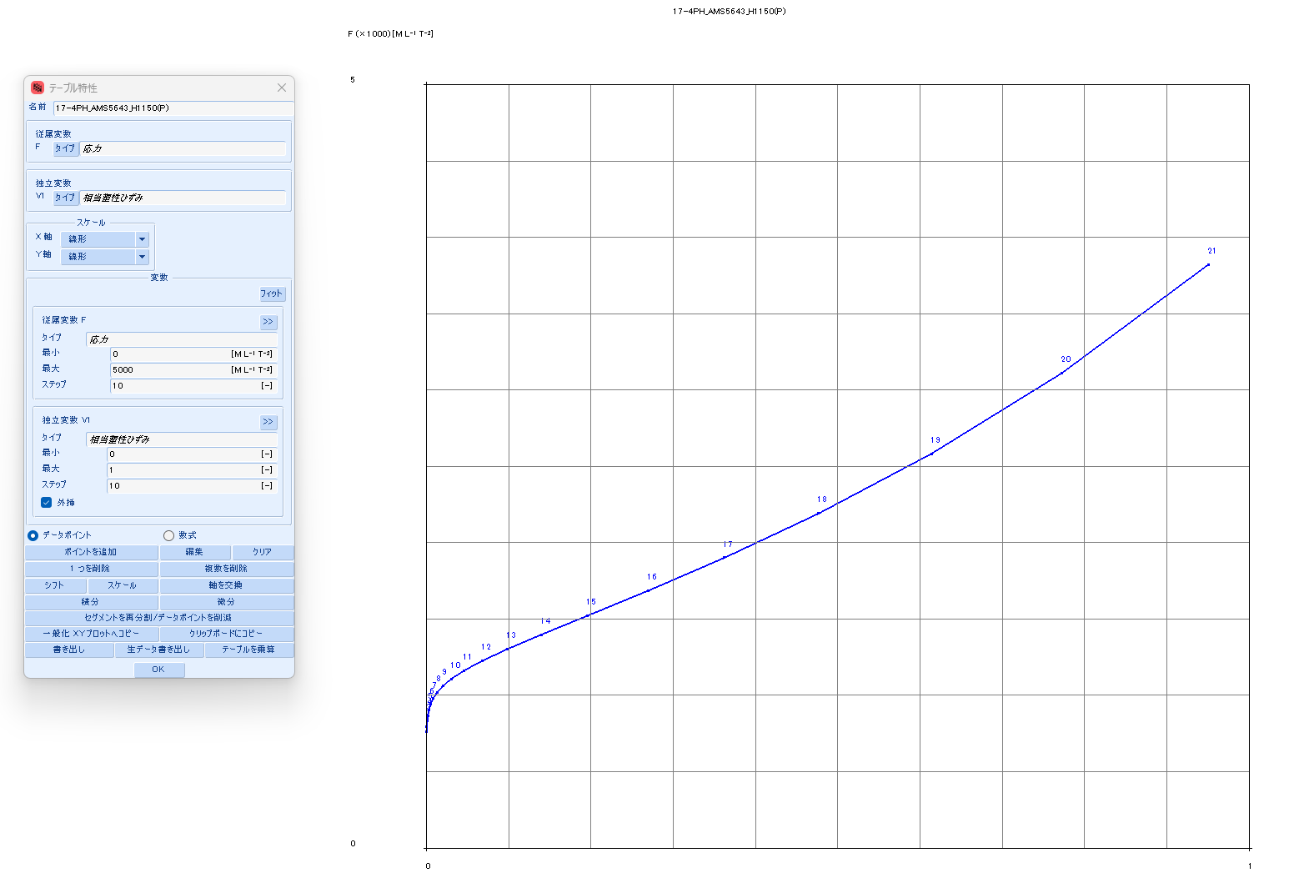
 |  |  | 33.5860 | 265 | 1 | 3.5434 | 9165 | 8,719 | 3.5434 | 0.3216 | 3.2219 | #N/A | #N/A | #N/A | #N/A | #N/A | #N/A | #N/A | #N/A
 |  |  | 42.8220 | 270 | 1 | 3.7801 | 11832 | 11,267 | 3.7801 | 0.4152 | 3.3650 | #N/A | #N/A | #N/A | #N/A | #N/A | #N/A | #N/A | #N/A
 |  |  | 54.3555 | 275 | 0 | 4.0138 | 15223 | 14,513 | 4.0138 | 0.5341 | 3.4796 | #N/A | #N/A | #N/A | #N/A | #N/A | #N/A | #N/A | #N/A
 |  |  | 68.7002 | 280 | 0 | 4.2442 | 19516 | 18,632 | 4.2442 | 0.6848 | 3.5594 | #N/A | #N/A | #N/A | #N/A | #N/A | #N/A | #N/A | #N/A
 |  |  | 86.4719 | 285 | 0 | 4.4713 | 24929 | 23,836 | 4.4713 | 0.8747 | 3.5966 | #N/A | #N/A | #N/A | #N/A | #N/A | #N/A | #N/A | #N/A
 |  |  | 108.4067 | 290 | 0 | 4.6951 | 31728 | 30,384 | 4.6951 | 1.1133 | 3.5818 | #N/A | #N/A | #N/A | #N/A | #N/A | #N/A | #N/A | #N/A
 |  |  | 135.3820 | 295 | 0 | 4.9155 | 40233 | 38,590 | 4.9155 | 1.4117 | 3.5038 | #N/A | #N/A | #N/A | #N/A | #N/A | #N/A | #N/A | #N/A
 |  |  | 168.4399 | 300 | 0 | 5.1325 | 50832 | 48,836 | 5.1325 | 1.7836 | 3.3489 | #N/A | #N/A | #N/A | #N/A | #N/A | #N/A | #N/A | #N/A

A2024_T351
SS curve, small range
2024_T351(P)
 | parameter |  | R-O line_T351_eng_total strain |  |  | R-O line_T351_true_total strain |  |  |  |  |  | R-O line_T351_true_plastic strain |  |  | table data for fea |  | fea line_T351_total strain
 | E | 10,800 | εeng | σeng | Eeng | εtrue | σtrue | Etrue | εtrue | εelastic | εplastic | εfea | σfea | Efea | εfea | σfea | εfea | σfea | Efea
 | σty | 55 | [-] | [KSI] | [KSI] | [-] | [KSI] | [KSI] | [-] | [-] | [-] | [-] | [KSI] | [KSI] | [-] | [MPa] | [-] | [KSI] | [KSI]
 | K | 0.140% | 0.0000 | 0 | #N/A | 0.0000 | 0 | #N/A | 0.0000 | 0.0000 | 0.0000 | 0.0000 | 48 | #N/A | 0.0000 | 332.420 | 0.0000 | 0 | #N/A
 | n | 50 | 0.0002 | 2 | 10,800 | 0.0002 | 2 | 10,803 | 0.0002 | 0.0002 | (0.0000) | 0.0000 | 50 | 260,015 | 0.0000 | 346.338 | 0.0045 | 48 | 10,800
 |  |  | 0.0004 | 4 | 10,800 | 0.0004 | 4 | 10,809 | 0.0004 | 0.0004 | (0.0000) | 0.0001 | 52 | 29,103 | 0.0001 | 360.284 | 0.0047 | 50 | 10,369
 | F0.70 line |  | 0.0006 | 6 | 10,800 | 0.0006 | 6 | 10,815 | 0.0006 | 0.0006 | (0.0000) | 0.0005 | 54 | 4,380 | 0.0005 | 374.387 | 0.0049 | 52 | 7,877
 | σ | ε | 0.0007 | 8 | 10,800 | 0.0007 | 8 | 10,821 | 0.0007 | 0.0007 | (0.0000) | 0.0034 | 56 | 766 | 0.0034 | 389.439 | 0.0056 | 54 | 3,116
 | 0 | 0.00000 | 0.0009 | 10 | 10,800 | 0.0009 | 10 | 10,827 | 0.0009 | 0.0009 | (0.0000) | 0.0195 | 59 | 185 | 0.0195 | 410.012 | 0.0086 | 56 | 716
 | 999 | 0.13214 | 0.0011 | 12 | 10,800 | 0.0011 | 12 | 10,833 | 0.0011 | 0.0011 | (0.0000) | 0.1019 | 67 | 90 | 0.1019 | 460.882 | 0.0250 | 59 | 182
 |  |  | 0.0013 | 14 | 10,800 | 0.0013 | 14 | 10,839 | 0.0013 | 0.0013 | (0.0000) | 0.4389 | 97 | 90 | 0.4389 | 668.979 | 0.1081 | 67 | 89
 | F0.85 line |  | 0.0015 | 16 | 10,800 | 0.0015 | 16 | 10,845 | 0.0015 | 0.0015 | (0.0000) | 1.2973 | 239 | 166 | 1.2973 | 1650.835 | 0.4479 | 97 | 89
 | σ | ε | 0.0017 | 18 | 10,800 | 0.0017 | 18 | 10,851 | 0.0017 | 0.0017 | (0.0000) | 2.5368 | 907 | 539 | 2.5368 | 6255.504 | 1.3194 | 239 | 163
 | 0 | 0.00000 | 0.0019 | 20 | 10,800 | 0.0019 | 20 | 10,857 | 0.0019 | 0.0019 | (0.0000) | 3.6919 | 3923 | 2,611 | 3.6919 | 27046.428 | 2.6208 | 907 | 513
 | 999 | 0.10882 | 0.0020 | 22 | 10,800 | 0.0020 | 22 | 10,863 | 0.0020 | 0.0020 | (0.0000) | 3.9193 | 16975 | 57,388 | 3.9193 | 117035.889 | 4.0551 | 3923 | 2,102
 |  |  | 0.0022 | 24 | 10,800 | 0.0022 | 24 | 10,869 | 0.0022 | 0.0022 | (0.0000) | 0.3051 | 71186 | (15,000) | 0.3051 | 490808.921 | 5.4910 | 16975 | 9,089
 | formula n(ref.) |  | 0.0024 | 26 | 10,800 | 0.0024 | 26 | 10,875 | 0.0024 | 0.0024 | (0.0000) | (18.3723) | 287689 | (11,592) | (18.3723) | 1983548.896 | 6.8964 | 71186 | 38,573
 | F0.70 | 125 | 0.0026 | 28 | 10,800 | 0.0026 | 28 | 10,881 | 0.0026 | 0.0026 | (0.0000) | (94.1762) | 1120770 | (10,990) | (94.1762) | 7727438.879 | 8.2656 | 287689 | 158,125
 | F0.85 | 114 | 0.0028 | 30 | 10,800 | 0.0028 | 30 | 10,887 | 0.0028 | 0.0028 | (0.0000) | (379.4061) | 4215280 | (10,849) | (379.4061) | 29063341.564 | 9.5988 | 1120770 | 624,863
 | n | 17 | 0.0030 | 32 | 10,800 | 0.0030 | 32 | 10,893 | 0.0030 | 0.0030 | (0.0000) | (1407.4217) | 15331519 | (10,813) | (1407.4217) | 105707142.710 | 10.8975 | 4215280 | 2,382,730
 |  |  | 0.0031 | 34 | 10,800 | 0.0031 | 34 | 10,899 | 0.0031 | 0.0032 | (0.0000) | (4987.8333) | 54013298 | (10,804) | (4987.8333) | 372408727.522 | 12.1634 | 15331519 | 8,781,453
 | ROW# | 29 | 0.0033 | 36 | 10,800 | 0.0033 | 36 | 10,905 | 0.0033 | 0.0033 | (0.0000) | (17078.2121) | 184602403 | (10,801) | (17078.2121) | 1272789261.961 | 13.3980 | 54013298 | 31,330,744
 |  |  | 0.0035 | 38 | 10,800 | 0.0035 | 38 | 10,911 | 0.0035 | 0.0035 | (0.0000) | (56737.4893) | 612935303 | (10,800) | (56737.4893) | 4226041808.184 | 14.6029 | 184602403 | 108,383,808
 |  |  | 0.0037 | 40 | 10,800 | 0.0037 | 40 | 10,917 | 0.0037 | 0.0037 | (0.0000) | (183293.0488) | 1979747759 | (10,800) | (183293.0488) | 13649885660.526 | 15.7795 | 612935303 | 364,066,265
 |  |  | 0.0039 | 42 | 10,800 | 0.0039 | 42 | 10,923 | 0.0039 | 0.0039 | (0.0000) | (576665.8028) | 6228185638 | (10,800) | (576665.8028) | 42941845207.538 | 16.9289 | 1979747759 | 1,189,074,567
SS curve, large range
 |  |  | 0.0041 | 44 | 10,799 | 0.0041 | 44 | 10,928 | 0.0041 | 0.0041 | (0.0000) | (1769067.0789) | 19106131289 | (10,800) | (1769067.0789) | 131732189764.983 | 18.0526 | 6228185638 | 3,780,950,691
 |  |  | 0.0043 | 46 | 10,790 | 0.0043 | 46 | 10,926 | 0.0043 | 0.0043 | (0.0000) | (5297716.1063) | 57215552398 | (10,800) | (5297716.1063) | 394487502050.691 | 19.1515 | 19106131289 | 11,718,458,911
 |  |  | 0.0044 | 48 | 10,721 | 0.0044 | 48 | 10,862 | 0.0044 | 0.0045 | (0.0000) | (15502512.6576) | 167427366521 | (10,800) | (15502512.6576) | 1154371509592.510 | 20.2268 | 57215552398 | 35,440,395,766
 |  |  | 0.0046 | 50 | 10,227 | 0.0046 | 50 | 10,369 | 0.0046 | 0.0047 | (0.0000) | (44371023.5895) | 479207295719 | (10,800) | (44371023.5895) | 3304019294231.760 | 21.2795 | 167427366521 | 104,697,356,329
 |  |  | 0.0049 | 52 | 7,752 | 0.0049 | 52 | 7,877 | 0.0049 | 0.0048 | 0.0000 | (124328222.3261) | 1342745052984 | (10,800) | (124328222.3261) | 9257904881513.800 | 22.3105 | 479207295719 | 302,415,817,041
 |  |  | 0.0056 | 54 | 3,031 | 0.0055 | 54 | 3,116 | 0.0055 | 0.0050 | 0.0005 | (341333201.6847) | 3686398840750 | (10,800) | (341333201.6847) | 25416835271251.800 | 23.3206 | 1342745052984 | 854,873,303,667
 |  |  | 0.0086 | 56 | 651 | 0.0086 | 56 | 716 | 0.0086 | 0.0052 | 0.0034 | (918903906.3807) | 9924162461954 | (10,800) | (918903906.3807) | 68424718376179.100 | 24.3107 | 3686398840750 | 2,367,012,975,425
 |  |  | 0.0253 | 58 | 120 | 0.0250 | 59 | 182 | 0.0250 | 0.0055 | 0.0195 | (2427554167.0776) | 26217585287765 | (10,800) | (2427554167.0776) | 180763958338673.000 | 25.2816 | 9924162461954 | 6,424,694,655,507
 |  |  | 0.1141 | 60 | 23 | 0.1080 | 67 | 89 | 0.1080 | 0.0062 | 0.1018 | (6297690790.2807) | 68015060828453 | (10,800) | (6297690790.2807) | 468947520797586.000 | 26.2340 | 26217585287765 | 17,107,576,703,189
 |  |  | 0.5650 | 62 | 4 | 0.4479 | 97 | 89 | 0.4479 | 0.0090 | 0.4389 | (16054498643.5690) | 173388585653875 | (10,800) | (16054498643.5690) | 1195472684822910.000 | 27.1686 | 68015060828453 | 44,721,996,696,283
 |  |  | 2.7411 | 64 | 1 | 1.3194 | 239 | 163 | 1.3194 | 0.0222 | 1.2972 | (40242871447.5683) | 434623011946797 | (10,800) | (40242871447.5683) | 2996621357850300.000 | 28.0861 | 173388585653875 | 114,853,919,555,549
 |  |  | 12.7467 | 66 | 0 | 2.6208 | 907 | 513 | 2.6208 | 0.0840 | 2.5368 | (99246962421.6179) | 1071867194476091 | (10,800) | (99246962421.6179) | 7390267057785970.000 | 28.9870 | 434623011946797 | 289,962,368,137,805
 |  |  | 56.6875 | 68 | 0 | 4.0550 | 3923 | 2,102 | 4.0550 | 0.3632 | 3.6918 | (240950180511.9814) | 2602261949861408 | (10,800) | (240950180511.9810) | 17941971601426400.000 | 29.8720 | 1071867194476091 | 720,067,128,102,136
 |  |  | 241.4945 | 70 | 0 | 5.4910 | 16975 | 9,089 | 5.4910 | 1.5717 | 3.9193 | (576172038268.9495) | 6222658013645895 | (10,800) | (576172038268.9490) | 42903733566165200.000 | 30.7416 | 2602261949861408 | 1,759,909,608,530,484
 |  |  | 987.6915 | 72 | 0 | 6.8964 | 71186 | 38,573 | 6.8964 | 6.5913 | 0.3051 | (1357729811632.7050) | 14663481965983528 | (10,800) | (1357729811632.7100) | 101101188919785000.000 | 31.5963 | 6222658013645895 | 4,235,760,247,431,589
 |  |  | 3886.6937 | 74 | 0 | 8.2656 | 287689 | 158,125 | 8.2656 | 26.6379 | (18.3723) | #N/A | #N/A | #N/A | #N/A | #N/A | 32.4367 | 14663481965983528 | 10,044,344,061,183,752
 |  |  | 14745.9712 | 76 | 0 | 9.5988 | 1120770 | 624,863 | 9.5988 | 103.7750 | (94.1762) | #N/A | #N/A | #N/A | #N/A | #N/A | #N/A | #N/A | #N/A
 |  |  | 54041.0469 | 78 | 0 | 10.8975 | 4215280 | 2,382,730 | 10.8975 | 390.3037 | (379.4062) | #N/A | #N/A | #N/A | #N/A | #N/A | #N/A | #N/A | #N/A
 |  |  | 191642.9853 | 80 | 0 | 12.1634 | 15331519 | 8,781,453 | 12.1634 | 1419.5851 | (1407.4217) | #N/A | #N/A | #N/A | #N/A | #N/A | #N/A | #N/A | #N/A
 |  |  | 658697.7579 | 82 | 0 | 13.3980 | 54013298 | 31,330,744 | 13.3980 | 5001.2313 | (4987.8333) | #N/A | #N/A | #N/A | #N/A | #N/A | #N/A | #N/A | #N/A
 |  |  | 2197646.6511 | 84 | 0 | 14.6029 | 184602403 | 108,383,808 | 14.6029 | 17092.8151 | (17078.2122) | #N/A | #N/A | #N/A | #N/A | #N/A | #N/A | #N/A | #N/A
 |  |  | 7127153.6835 | 86 | 0 | 15.7794 | 612935303 | 364,066,265 | 15.7794 | 56753.2688 | (56737.4894) | #N/A | #N/A | #N/A | #N/A | #N/A | #N/A | #N/A | #N/A
 |  |  | 22497132.6278 | 88 | 0 | 16.9289 | 1979747759 | 1,189,074,567 | 16.9289 | 183309.9777 | (183293.0488) | #N/A | #N/A | #N/A | #N/A | #N/A | #N/A | #N/A | #N/A
 |  |  | 69202061.6414 | 90 | 0 | 18.0525 | 6228185638 | 3,780,950,691 | 18.0525 | 576683.8553 | (576665.8028) | #N/A | #N/A | #N/A | #N/A | #N/A | #N/A | #N/A | #N/A
 |  |  | 207675339.0960 | 92 | 0 | 19.1515 | 19106131289 | 11,718,458,911 | 19.1515 | 1769086.2304 | (1769067.0790) | #N/A | #N/A | #N/A | #N/A | #N/A | #N/A | #N/A | #N/A
 |  |  | 608676088.3390 | 94 | 0 | 20.2268 | 57215552398 | 35,440,395,766 | 20.2268 | 5297736.3331 | (5297716.1063) | #N/A | #N/A | #N/A | #N/A | #N/A | #N/A | #N/A | #N/A
 |  |  | 1744035066.9243 | 96 | 0 | 21.2795 | 167427366521 | 104,697,356,329 | 21.2795 | 15502533.9371 | (15502512.6576) | #N/A | #N/A | #N/A | #N/A | #N/A | #N/A | #N/A | #N/A
 |  |  | 4889870363.4799 | 98 | 0 | 22.3104 | 479207295719 | 302,415,817,041 | 22.3104 | 44371045.8999 | (44371023.5895) | #N/A | #N/A | #N/A | #N/A | #N/A | #N/A | #N/A | #N/A
 |  |  | 13427450528.8427 | 100 | 0 | 23.3206 | 1342745052984 | 854,873,303,667 | 23.3206 | 124328245.6467 | (124328222.3261) | #N/A | #N/A | #N/A | #N/A | #N/A | #N/A | #N/A | #N/A
 |  |  | 36141165104.3955 | 102 | 0 | 24.3107 | 3686398840750 | 2,367,012,975,425 | 24.3107 | 341333225.9954 | (341333201.6847) | #N/A | #N/A | #N/A | #N/A | #N/A | #N/A | #N/A | #N/A
 |  |  | 95424639056.2460 | 104 | 0 | 25.2816 | 9924162461954 | 6,424,694,655,507 | 25.2816 | 918903931.6624 | (918903906.3808) | #N/A | #N/A | #N/A | #N/A | #N/A | #N/A | #N/A | #N/A
 |  |  | 247335710260.9373 | 106 | 0 | 26.2340 | 26217585287765 | 17,107,576,703,189 | 26.2340 | 2427554193.3116 | (2427554167.0776) | #N/A | #N/A | #N/A | #N/A | #N/A | #N/A | #N/A | #N/A
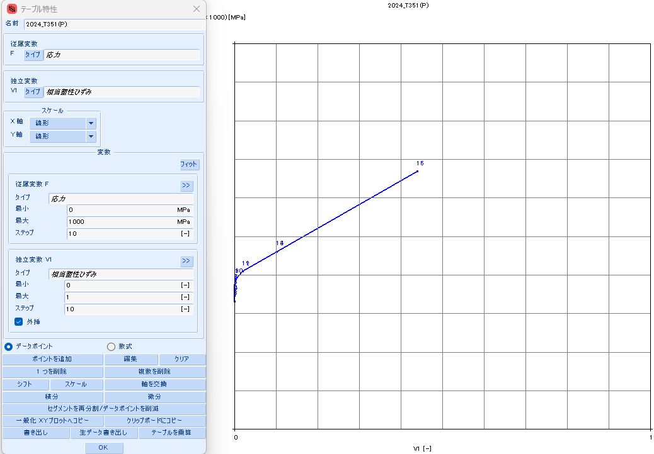
 |  |  | 629769081743.9371 | 108 | 0 | 27.1686 | 68015060828453 | 44,721,996,696,283 | 27.1686 | 6297690817.4494 | (6297690790.2808) | #N/A | #N/A | #N/A | #N/A | #N/A | #N/A | #N/A | #N/A
 |  |  | 1576259869579.6838 | 110 | 0 | 28.0861 | 173388585653875 | 114,853,919,555,549 | 28.0861 | 16054498671.6551 | (16054498643.5690) | #N/A | #N/A | #N/A | #N/A | #N/A | #N/A | #N/A | #N/A
 |  |  | 3880562606666.8340 | 112 | 0 | 28.9870 | 434623011946797 | 289,962,368,137,805 | 28.9870 | 40242871476.5553 | (40242871447.5683) | #N/A | #N/A | #N/A | #N/A | #N/A | #N/A | #N/A | #N/A
 |  |  | 9402343811192.7800 | 114 | 0 | 29.8720 | 1071867194476091 | 720,067,128,102,139 | 29.8720 | 99246962451.4899 | (99246962421.6179) | #N/A | #N/A | #N/A | #N/A | #N/A | #N/A | #N/A | #N/A
 |  |  | 22433292671218.0350 | 116 | 0 | 30.7416 | 2602261949861408 | 1,759,909,608,530,491 | 30.7416 | 240950180542.7230 | (240950180511.9814) | #N/A | #N/A | #N/A | #N/A | #N/A | #N/A | #N/A | #N/A
 |  |  | 52734389946150.6600 | 118 | 0 | 31.5963 | 6222658013645895 | 4,235,760,247,431,571 | 31.5963 | 576172038300.5458 | (576172038268.9495) | #N/A | #N/A | #N/A | #N/A | #N/A | #N/A | #N/A | #N/A
 |  |  | 122195683049861.7300 | 120 | 0 | 32.4366 | 14663481965983528 | 10,044,344,061,183,710 | 32.4366 | 1357729811665.1416 | (1357729811632.7050) | #N/A | #N/A | #N/A | #N/A | #N/A | #N/A | #N/A | #N/A

TOUGHMET3_TX00
SS curve, small range
TOUGHMET3_TX00
 | parameter |  | R-O line_TX00_eng_total strain |  |  | R-O line_TX00_true_total strain |  |  |  |  |  | R-O line_TX00_true_plastic strain |  |  | table data for fea |  | fea line_TX00_total strain
 | E | 20,900 | εeng | σeng | Eeng | εtrue | σtrue | Etrue | εtrue | εelastic | εplastic | εfea | σfea | Efea | εfea | σfea | εfea | σfea | Efea
 | σty | 116 | [-] | [KSI] | [KSI] | [-] | [KSI] | [KSI] | [-] | [-] | [-] | [-] | [KSI] | [KSI] | [-] | [MPa] | [-] | [KSI] | [KSI]
 | K | 0.185% | 0.0000 | 0 | #N/A | 0.0000 | 0 | #N/A | 0.0000 | 0.0000 | 0.0000 | 0.0000 | 80 | #N/A | 0.0000 | 553.693 | 0.0000 | 0 | #N/A
 | n | 18 | 0.0002 | 5 | 20,900 | 0.0002 | 5 | 20,908 | 0.0002 | 0.0002 | (0.0000) | 0.0000 | 85 | 2,981,303 | 0.0000 | 588.442 | 0.0038 | 80 | 20,900
 |  |  | 0.0005 | 10 | 20,900 | 0.0005 | 10 | 20,923 | 0.0005 | 0.0005 | (0.0000) | 0.0000 | 90 | 546,529 | 0.0000 | 623.212 | 0.0041 | 85 | 20,755
 | F0.70 line |  | 0.0007 | 15 | 20,900 | 0.0007 | 15 | 20,938 | 0.0007 | 0.0007 | (0.0000) | 0.0000 | 95 | 179,353 | 0.0000 | 658.013 | 0.0043 | 90 | 20,130
 | σ | ε | 0.0010 | 20 | 20,900 | 0.0010 | 20 | 20,953 | 0.0010 | 0.0010 | (0.0000) | 0.0001 | 100 | 69,245 | 0.0001 | 692.863 | 0.0046 | 95 | 18,719
 | 0 | 0.00000 | 0.0012 | 25 | 20,900 | 0.0012 | 25 | 20,968 | 0.0012 | 0.0012 | (0.0000) | 0.0003 | 106 | 29,044 | 0.0003 | 727.810 | 0.0049 | 100 | 16,054
 | 999 | 0.06828 | 0.0014 | 30 | 20,900 | 0.0014 | 30 | 20,983 | 0.0014 | 0.0014 | (0.0000) | 0.0007 | 111 | 12,902 | 0.0007 | 762.955 | 0.0053 | 106 | 12,154
 |  |  | 0.0017 | 35 | 20,900 | 0.0017 | 35 | 20,998 | 0.0017 | 0.0017 | (0.0000) | 0.0015 | 116 | 6,018 | 0.0015 | 798.515 | 0.0060 | 111 | 7,977
 | F0.85 line |  | 0.0019 | 40 | 20,900 | 0.0019 | 40 | 21,013 | 0.0019 | 0.0019 | (0.0000) | 0.0033 | 121 | 2,947 | 0.0033 | 834.939 | 0.0071 | 116 | 4,672
 | σ | ε | 0.0022 | 45 | 20,900 | 0.0022 | 45 | 21,028 | 0.0022 | 0.0022 | (0.0000) | 0.0070 | 127 | 1,527 | 0.0070 | 873.119 | 0.0091 | 121 | 2,583
 | 0 | 0.00000 | 0.0024 | 50 | 20,900 | 0.0024 | 50 | 21,043 | 0.0024 | 0.0024 | (0.0000) | 0.0141 | 133 | 850 | 0.0141 | 914.787 | 0.0130 | 127 | 1,423
 | 999 | 0.05623 | 0.0026 | 55 | 20,900 | 0.0026 | 55 | 21,058 | 0.0026 | 0.0026 | (0.0000) | 0.0276 | 140 | 520 | 0.0276 | 963.216 | 0.0204 | 133 | 817
 |  |  | 0.0029 | 60 | 20,899 | 0.0029 | 60 | 21,072 | 0.0029 | 0.0029 | (0.0000) | 0.0524 | 149 | 358 | 0.0524 | 1024.441 | 0.0343 | 140 | 507
 | formula n(ref.) |  | 0.0031 | 65 | 20,896 | 0.0031 | 65 | 21,084 | 0.0031 | 0.0031 | (0.0000) | 0.0964 | 161 | 280 | 0.0964 | 1109.345 | 0.0595 | 149 | 352
 | F0.70 | 125 | 0.0033 | 70 | 20,887 | 0.0033 | 70 | 21,089 | 0.0033 | 0.0034 | (0.0000) | 0.1706 | 179 | 250 | 0.1706 | 1237.152 | 0.1040 | 161 | 277
 | F0.85 | 114 | 0.0036 | 75 | 20,855 | 0.0036 | 75 | 21,073 | 0.0036 | 0.0036 | (0.0000) | 0.2890 | 209 | 250 | 0.2890 | 1441.157 | 0.1792 | 179 | 247
 | n | 17 | 0.0038 | 80 | 20,763 | 0.0038 | 80 | 20,995 | 0.0038 | 0.0038 | (0.0000) | 0.4650 | 258 | 278 | 0.4650 | 1777.994 | 0.2990 | 209 | 247
 |  |  | 0.0041 | 85 | 20,509 | 0.0041 | 85 | 20,755 | 0.0041 | 0.0041 | (0.0000) | 0.7060 | 340 | 340 | 0.7060 | 2342.371 | 0.4773 | 258 | 274
 | ROW# | 21 | 0.0043 | 90 | 19,875 | 0.0043 | 90 | 20,130 | 0.0043 | 0.0043 | (0.0000) | 1.0093 | 477 | 453 | 1.0093 | 3290.158 | 0.7222 | 340 | 334
 |  |  | 0.0046 | 95 | 18,461 | 0.0046 | 95 | 18,719 | 0.0046 | 0.0046 | 0.0000 | 1.3623 | 707 | 651 | 1.3623 | 4874.065 | 1.0322 | 477 | 444
 |  |  | 0.0049 | 100 | 15,806 | 0.0049 | 100 | 16,054 | 0.0049 | 0.0048 | 0.0001 | 1.7467 | 1088 | 990 | 1.7467 | 7498.072 | 1.3962 | 707 | 631
 |  |  | 0.0053 | 105 | 11,928 | 0.0053 | 106 | 12,154 | 0.0053 | 0.0051 | 0.0003 | 2.1428 | 1711 | 1,575 | 2.1428 | 11799.416 | 1.7987 | 1088 | 945
SS curve, large range
 |  |  | 0.0060 | 110 | 7,781 | 0.0060 | 111 | 7,977 | 0.0060 | 0.0053 | 0.0007 | 2.5320 | 2722 | 2,598 | 2.5320 | 18770.711 | 2.2247 | 1711 | 1,464
 |  |  | 0.0071 | 115 | 4,500 | 0.0071 | 116 | 4,672 | 0.0071 | 0.0055 | 0.0015 | 2.8954 | 4342 | 4,458 | 2.8954 | 29939.817 | 2.6623 | 2722 | 2,311
 |  |  | 0.0091 | 120 | 2,425 | 0.0091 | 121 | 2,583 | 0.0091 | 0.0058 | 0.0033 | 3.2117 | 6908 | 8,115 | 3.2117 | 47632.059 | 3.1032 | 4342 | 3,674
 |  |  | 0.0131 | 125 | 1,271 | 0.0130 | 127 | 1,423 | 0.0130 | 0.0061 | 0.0069 | 3.4532 | 10928 | 16,640 | 3.4532 | 75348.733 | 3.5422 | 6908 | 5,845
 |  |  | 0.0206 | 130 | 665 | 0.0204 | 133 | 817 | 0.0204 | 0.0063 | 0.0140 | 3.5822 | 17159 | 48,320 | 3.5822 | 118308.401 | 3.9761 | 10928 | 9,264
 |  |  | 0.0348 | 135 | 351 | 0.0342 | 140 | 507 | 0.0342 | 0.0067 | 0.0276 | 3.5441 | 26718 | (250,980) | 3.5441 | 184214.142 | 4.4032 | 17159 | 14,590
 |  |  | 0.0613 | 140 | 189 | 0.0595 | 149 | 352 | 0.0595 | 0.0071 | 0.0524 | 3.2604 | 41239 | (51,180) | 3.2604 | 284331.906 | 4.8225 | 26718 | 22,799
 |  |  | 0.1096 | 145 | 103 | 0.1040 | 161 | 277 | 0.1040 | 0.0077 | 0.0963 | 2.6176 | 63091 | (33,994) | 2.6176 | 434993.982 | 5.2335 | 41239 | 35,326
 |  |  | 0.1962 | 150 | 58 | 0.1792 | 179 | 247 | 0.1792 | 0.0086 | 0.1706 | 1.4528 | 95678 | (27,978) | 1.4528 | 659679.106 | 5.6362 | 63091 | 54,261
 |  |  | 0.3485 | 155 | 33 | 0.2990 | 209 | 247 | 0.2990 | 0.0100 | 0.2890 | (0.4662) | 143858 | (25,108) | (0.4662) | 991869.352 | 6.0307 | 95678 | 82,617
 |  |  | 0.6117 | 160 | 19 | 0.4773 | 258 | 274 | 0.4773 | 0.0123 | 0.4650 | (3.4678) | 214503 | (23,535) | (3.4678) | 1478946.431 | 6.4170 | 143858 | 124,712
 |  |  | 1.0590 | 165 | 11 | 0.7222 | 340 | 334 | 0.7222 | 0.0163 | 0.7060 | (8.0139) | 317266 | (22,605) | (8.0139) | 2187470.048 | 6.7955 | 214503 | 186,673
 |  |  | 1.8070 | 170 | 7 | 1.0321 | 477 | 444 | 1.0321 | 0.0228 | 1.0093 | (14.7484) | 465612 | (22,028) | (14.7484) | 3210282.702 | 7.1663 | 317266 | 277,140
 |  |  | 3.0396 | 175 | 4 | 1.3961 | 707 | 631 | 1.3961 | 0.0338 | 1.3623 | (24.5637) | 678198 | (21,659) | (24.5637) | 4676014.195 | 7.5297 | 465612 | 408,206
 |  |  | 5.0417 | 180 | 2 | 1.7987 | 1088 | 945 | 1.7987 | 0.0520 | 1.7466 | (38.6883) | 980704 | (21,417) | (38.6883) | 6761721.410 | 7.8860 | 678198 | 596,676
 |  |  | 8.2506 | 185 | 2 | 2.2247 | 1711 | 1,464 | 2.2247 | 0.0819 | 2.1428 | (58.8026) | 1408258 | (21,256) | (58.8026) | 9709602.445 | 8.2354 | 980704 | 865,754
 |  |  | 13.3287 | 190 | 1 | 2.6623 | 2722 | 2,311 | 2.6623 | 0.1303 | 2.5320 | (87.1918) | 2008624 | (21,148) | (87.1918) | 13848978.179 | 8.5782 | 1408258 | 1,247,278
 |  |  | 21.2687 | 195 | 1 | 3.1032 | 4342 | 3,674 | 3.1032 | 0.2078 | 2.8954 | (126.9452) | 2846372 | (21,074) | (126.9452) | 19625049.991 | 8.9146 | 2008624 | 1,784,656
 |  |  | 33.5422 | 200 | 0 | 3.5422 | 6908 | 5,845 | 3.5422 | 0.3305 | 3.2116 | (182.2160) | 4008310 | (21,023) | (182.2160) | 27636332.957 | 9.2448 | 2846372 | 2,536,738
 |  |  | 52.3093 | 205 | 0 | 3.9761 | 10928 | 9,264 | 3.9761 | 0.5229 | 3.4532 | (258.5579) | 5610514 | (20,987) | (258.5579) | 38683145.240 | 9.5691 | 4008310 | 3,582,844
 |  |  | 80.7104 | 210 | 0 | 4.4032 | 17159 | 14,590 | 4.4032 | 0.8210 | 3.5822 | (363.3589) | 7807397 | (20,962) | (363.3589) | 53830125.395 | 9.8877 | 5610514 | 5,029,314
 |  |  | 123.2697 | 215 | 0 | 4.8225 | 26718 | 22,799 | 4.8225 | 1.2784 | 3.5441 | (506.3981) | 10803345 | (20,945) | (506.3981) | 74486472.198 | 10.2007 | 7807397 | 7,017,953
 |  |  | 186.4493 | 220 | 0 | 5.2335 | 41239 | 35,326 | 5.2335 | 1.9732 | 3.2604 | (700.5571) | 14867593 | (20,933) | (700.5571) | 102508482.522 | 10.5084 | 10803345 | 9,736,911
 |  |  | 279.4023 | 225 | 0 | 5.6362 | 63091 | 54,261 | 5.6362 | 3.0187 | 2.6175 | #N/A | #N/A | #N/A | #N/A | #N/A | 10.8109 | 14867593 | 13,434,600
 |  |  | 414.9927 | 230 | 0 | 6.0307 | 95678 | 82,617 | 6.0307 | 4.5779 | 1.4528 | #N/A | #N/A | #N/A | #N/A | #N/A | #N/A | #N/A | #N/A
 |  |  | 611.1635 | 235 | 0 | 6.4170 | 143858 | 124,712 | 6.4170 | 6.8832 | (0.4662) | #N/A | #N/A | #N/A | #N/A | #N/A | #N/A | #N/A | #N/A
 |  |  | 892.7623 | 240 | 0 | 6.7954 | 214503 | 186,673 | 6.7954 | 10.2633 | (3.4679) | #N/A | #N/A | #N/A | #N/A | #N/A | #N/A | #N/A | #N/A
 |  |  | 1293.9616 | 245 | 0 | 7.1662 | 317266 | 277,140 | 7.1662 | 15.1802 | (8.0139) | #N/A | #N/A | #N/A | #N/A | #N/A | #N/A | #N/A | #N/A
 |  |  | 1861.4478 | 250 | 0 | 7.5296 | 465612 | 408,206 | 7.5296 | 22.2781 | (14.7484) | #N/A | #N/A | #N/A | #N/A | #N/A | #N/A | #N/A | #N/A
 |  |  | 2658.6010 | 255 | 0 | 7.8859 | 678198 | 596,676 | 7.8859 | 32.4497 | (24.5637) | #N/A | #N/A | #N/A | #N/A | #N/A | #N/A | #N/A | #N/A
 |  |  | 3770.9400 | 260 | 0 | 8.2353 | 980704 | 865,754 | 8.2353 | 46.9237 | (38.6883) | #N/A | #N/A | #N/A | #N/A | #N/A | #N/A | #N/A | #N/A
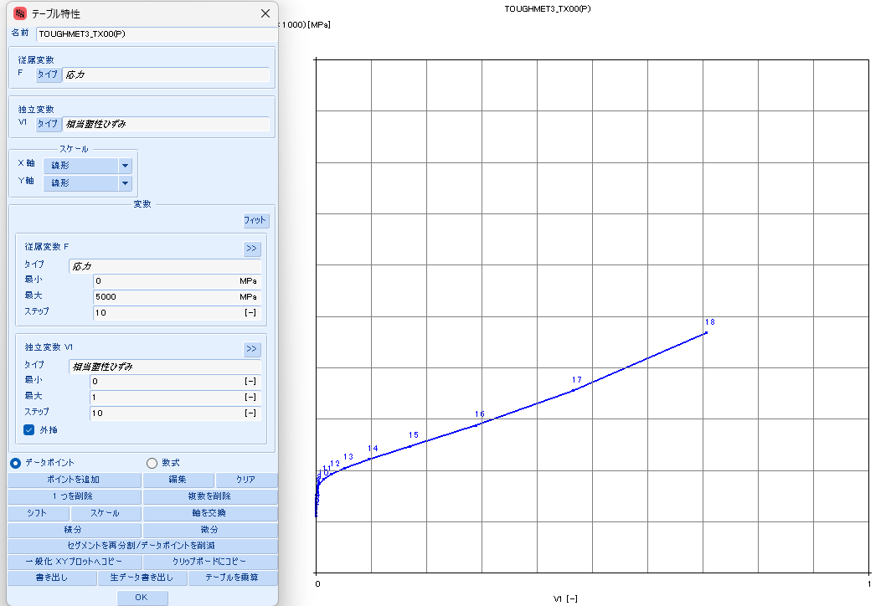
 |  |  | 5313.1820 | 265 | 0 | 8.5781 | 1408258 | 1,247,278 | 8.5781 | 67.3808 | (58.8026) | #N/A | #N/A | #N/A | #N/A | #N/A | #N/A | #N/A | #N/A
 |  |  | 7438.3469 | 270 | 0 | 8.9145 | 2008624 | 1,784,656 | 8.9145 | 96.1064 | (87.1919) | #N/A | #N/A | #N/A | #N/A | #N/A | #N/A | #N/A | #N/A
 |  |  | 10349.4427 | 275 | 0 | 9.2448 | 2846372 | 2,536,738 | 9.2448 | 136.1900 | (126.9453) | #N/A | #N/A | #N/A | #N/A | #N/A | #N/A | #N/A | #N/A
 |  |  | 14314.3916 | 280 | 0 | 9.5691 | 4008310 | 3,582,844 | 9.5691 | 191.7852 | (182.2161) | #N/A | #N/A | #N/A | #N/A | #N/A | #N/A | #N/A | #N/A
 |  |  | 19685.0129 | 285 | 0 | 9.8877 | 5610514 | 5,029,314 | 9.8877 | 268.4456 | (258.5580) | #N/A | #N/A | #N/A | #N/A | #N/A | #N/A | #N/A | #N/A
 |  |  | 26921.0570 | 290 | 0 | 10.2007 | 7807397 | 7,017,953 | 10.2007 | 373.5596 | (363.3589) | #N/A | #N/A | #N/A | #N/A | #N/A | #N/A | #N/A | #N/A
 |  |  | 36620.5091 | 295 | 0 | 10.5084 | 10803345 | 9,736,911 | 10.5084 | 516.9065 | (506.3981) | #N/A | #N/A | #N/A | #N/A | #N/A | #N/A | #N/A | #N/A
 |  |  | 49557.6419 | 300 | 0 | 10.8109 | 14867593 | 13,434,600 | 10.8109 | 711.3681 | (700.5572) | #N/A | #N/A | #N/A | #N/A | #N/A | #N/A | #N/A | #N/A

410_H700
SS curve, small range
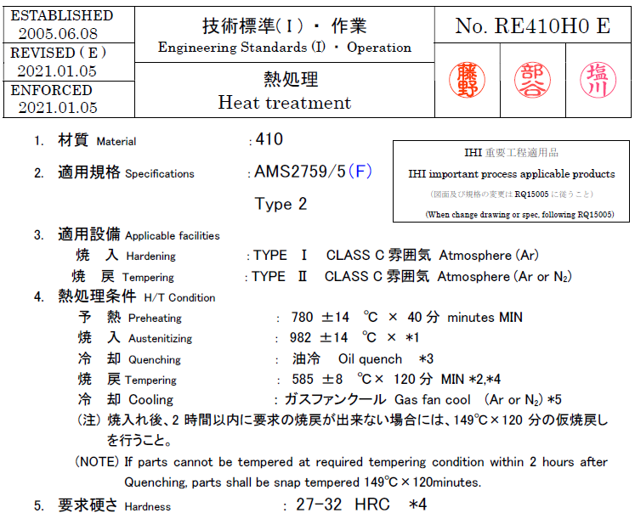
410_H1121
 | parameter |  | R-O line_H1121_eng_total strain |  |  | R-O line_H1121_true_total strain |  |  |  |  |  | R-O line_H1121_true_plastic strain |  |  | table data for fea |  | fea line_H1121_total strain
 | E | 29,000 | εeng | σeng | Eeng | εtrue | σtrue | Etrue | εtrue | εelastic | εplastic | εfea | σfea | Efea | εfea | σfea | εfea | σfea | Efea
 | σty | 82 | [-] | [KSI] | [KSI] | [-] | [KSI] | [KSI] | [-] | [-] | [-] | [-] | [KSI] | [KSI] | [-] | [MPa] | [-] | [KSI] | [KSI]
 | K | 0.025% | 0.0000 | 0 | #N/A | 0.0000 | 0 | #N/A | 0.0000 | 0.0000 | 0.0000 | 0.0000 | 30 | #N/A | 0.0000 | 207.057 | 0.0000 | 0 | #N/A
 | n | 7 | 0.0002 | 5 | 29,000 | 0.0002 | 5 | 29,008 | 0.0002 | 0.0002 | (0.0000) | (0.0000) | 35 | (32,405,057) | (0.0000) | 241.608 | 0.0010 | 30 | 29,000
 |  |  | 0.0003 | 10 | 29,000 | 0.0003 | 10 | 29,022 | 0.0003 | 0.0003 | (0.0000) | 0.0000 | 40 | 15,361,831 | 0.0000 | 276.171 | 0.0012 | 35 | 29,026
 | F0.70 line |  | 0.0005 | 15 | 29,000 | 0.0005 | 15 | 29,037 | 0.0005 | 0.0005 | (0.0000) | 0.0000 | 45 | 3,743,597 | 0.0000 | 310.747 | 0.0014 | 40 | 28,945
 | σ | ε | 0.0007 | 20 | 28,998 | 0.0007 | 20 | 29,051 | 0.0007 | 0.0007 | (0.0000) | 0.0000 | 50 | 1,555,368 | 0.0000 | 345.335 | 0.0016 | 45 | 28,777
 | 0 | 0.00000 | 0.0009 | 25 | 28,992 | 0.0009 | 25 | 29,059 | 0.0009 | 0.0009 | (0.0000) | 0.0000 | 55 | 776,106 | 0.0000 | 379.937 | 0.0017 | 50 | 28,469
 | 999 | 0.04921 | 0.0010 | 30 | 28,973 | 0.0010 | 30 | 29,056 | 0.0010 | 0.0010 | (0.0000) | 0.0000 | 60 | 428,294 | 0.0000 | 414.553 | 0.0019 | 55 | 27,955
 |  |  | 0.0012 | 35 | 28,929 | 0.0012 | 35 | 29,026 | 0.0012 | 0.0012 | (0.0000) | 0.0000 | 65 | 252,795 | 0.0000 | 449.186 | 0.0021 | 60 | 27,161
 | F0.85 line |  | 0.0014 | 40 | 28,833 | 0.0014 | 40 | 28,945 | 0.0014 | 0.0014 | (0.0000) | 0.0001 | 70 | 156,841 | 0.0001 | 483.838 | 0.0023 | 65 | 26,016
 | σ | ε | 0.0016 | 45 | 28,650 | 0.0016 | 45 | 28,777 | 0.0016 | 0.0016 | 0.0000 | 0.0001 | 75 | 101,222 | 0.0001 | 518.514 | 0.0025 | 70 | 24,475
 | 0 | 0.00000 | 0.0017 | 50 | 28,328 | 0.0017 | 50 | 28,469 | 0.0017 | 0.0017 | 0.0000 | 0.0002 | 80 | 67,484 | 0.0002 | 553.218 | 0.0027 | 75 | 22,542
 | 999 | 0.04053 | 0.0019 | 55 | 27,801 | 0.0019 | 55 | 27,955 | 0.0019 | 0.0019 | 0.0000 | 0.0003 | 85 | 46,247 | 0.0003 | 587.961 | 0.0030 | 80 | 20,284
 |  |  | 0.0021 | 60 | 26,995 | 0.0021 | 60 | 27,161 | 0.0021 | 0.0021 | 0.0000 | 0.0005 | 90 | 32,459 | 0.0005 | 622.752 | 0.0032 | 85 | 17,823
 | formula n(ref.) |  | 0.0023 | 65 | 25,839 | 0.0023 | 65 | 26,016 | 0.0023 | 0.0022 | 0.0000 | 0.0007 | 95 | 23,266 | 0.0007 | 657.607 | 0.0036 | 90 | 15,316
 | F0.70 | 125 | 0.0025 | 70 | 24,291 | 0.0025 | 70 | 24,475 | 0.0025 | 0.0024 | 0.0001 | 0.0010 | 100 | 16,993 | 0.0010 | 692.545 | 0.0040 | 95 | 12,909
 | F0.85 | 114 | 0.0027 | 75 | 22,352 | 0.0027 | 75 | 22,542 | 0.0027 | 0.0026 | 0.0001 | 0.0014 | 106 | 12,624 | 0.0014 | 727.593 | 0.0044 | 100 | 10,714
 | n | 17 | 0.0030 | 80 | 20,091 | 0.0030 | 80 | 20,284 | 0.0030 | 0.0028 | 0.0002 | 0.0019 | 111 | 9,527 | 0.0019 | 762.783 | 0.0050 | 106 | 8,795
 |  |  | 0.0033 | 85 | 17,631 | 0.0032 | 85 | 17,823 | 0.0032 | 0.0029 | 0.0003 | 0.0026 | 116 | 7,294 | 0.0026 | 798.157 | 0.0057 | 111 | 7,171
 | ROW# | 11 | 0.0036 | 90 | 15,125 | 0.0036 | 90 | 15,316 | 0.0036 | 0.0031 | 0.0005 | 0.0035 | 121 | 5,662 | 0.0035 | 833.768 | 0.0066 | 116 | 5,828
 |  |  | 0.0040 | 95 | 12,720 | 0.0040 | 95 | 12,909 | 0.0040 | 0.0033 | 0.0007 | 0.0047 | 126 | 4,452 | 0.0047 | 869.681 | 0.0077 | 121 | 4,737
 |  |  | 0.0045 | 100 | 10,528 | 0.0044 | 100 | 10,714 | 0.0044 | 0.0035 | 0.0010 | 0.0062 | 131 | 3,545 | 0.0062 | 905.977 | 0.0091 | 126 | 3,859
 |  |  | 0.0050 | 105 | 8,611 | 0.0050 | 106 | 8,795 | 0.0050 | 0.0036 | 0.0014 | 0.0081 | 137 | 2,857 | 0.0081 | 942.754 | 0.0107 | 131 | 3,159
SS curve, large range
 |  |  | 0.0057 | 110 | 6,987 | 0.0057 | 111 | 7,171 | 0.0057 | 0.0038 | 0.0019 | 0.0104 | 142 | 2,331 | 0.0104 | 980.131 | 0.0128 | 137 | 2,601
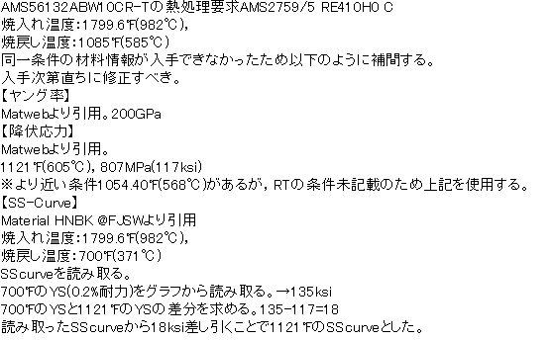
 |  |  | 0.0066 | 115 | 5,645 | 0.0066 | 116 | 5,828 | 0.0066 | 0.0040 | 0.0026 | 0.0133 | 148 | 1,924 | 0.0133 | 1018.250 | 0.0153 | 142 | 2,157
 |  |  | 0.0077 | 120 | 4,553 | 0.0077 | 121 | 4,737 | 0.0077 | 0.0042 | 0.0035 | 0.0168 | 153 | 1,608 | 0.0168 | 1057.285 | 0.0183 | 148 | 1,804
 |  |  | 0.0091 | 125 | 3,674 | 0.0091 | 126 | 3,859 | 0.0091 | 0.0043 | 0.0047 | 0.0211 | 159 | 1,360 | 0.0211 | 1097.436 | 0.0221 | 153 | 1,523
 |  |  | 0.0108 | 130 | 2,971 | 0.0107 | 131 | 3,159 | 0.0107 | 0.0045 | 0.0062 | 0.0262 | 165 | 1,165 | 0.0262 | 1138.946 | 0.0265 | 159 | 1,299
 |  |  | 0.0129 | 135 | 2,409 | 0.0128 | 137 | 2,601 | 0.0128 | 0.0047 | 0.0081 | 0.0324 | 171 | 1,010 | 0.0324 | 1182.095 | 0.0319 | 165 | 1,120
 |  |  | 0.0154 | 140 | 1,962 | 0.0153 | 142 | 2,157 | 0.0153 | 0.0049 | 0.0104 | 0.0398 | 178 | 887 | 0.0398 | 1227.214 | 0.0383 | 171 | 976
 |  |  | 0.0185 | 145 | 1,605 | 0.0183 | 148 | 1,804 | 0.0183 | 0.0051 | 0.0133 | 0.0485 | 185 | 789 | 0.0485 | 1274.687 | 0.0459 | 178 | 860
 |  |  | 0.0223 | 150 | 1,318 | 0.0221 | 153 | 1,523 | 0.0221 | 0.0053 | 0.0168 | 0.0588 | 192 | 711 | 0.0588 | 1324.958 | 0.0549 | 185 | 768
 |  |  | 0.0269 | 155 | 1,089 | 0.0265 | 159 | 1,299 | 0.0265 | 0.0055 | 0.0211 | 0.0708 | 200 | 649 | 0.0708 | 1378.539 | 0.0654 | 192 | 694
 |  |  | 0.0324 | 160 | 903 | 0.0319 | 165 | 1,120 | 0.0319 | 0.0057 | 0.0262 | 0.0847 | 208 | 600 | 0.0847 | 1436.020 | 0.0777 | 200 | 635
 |  |  | 0.0391 | 165 | 753 | 0.0383 | 171 | 976 | 0.0383 | 0.0059 | 0.0324 | 0.1007 | 217 | 562 | 0.1007 | 1498.076 | 0.0918 | 208 | 588
 |  |  | 0.0470 | 170 | 630 | 0.0459 | 178 | 860 | 0.0459 | 0.0061 | 0.0398 | 0.1190 | 227 | 533 | 0.1190 | 1565.474 | 0.1082 | 217 | 551
 |  |  | 0.0564 | 175 | 530 | 0.0549 | 185 | 768 | 0.0549 | 0.0064 | 0.0485 | 0.1399 | 238 | 511 | 0.1399 | 1639.089 | 0.1269 | 227 | 523
 |  |  | 0.0676 | 180 | 448 | 0.0654 | 192 | 694 | 0.0654 | 0.0066 | 0.0588 | 0.1636 | 249 | 496 | 0.1636 | 1719.911 | 0.1481 | 238 | 502
 |  |  | 0.0808 | 185 | 380 | 0.0777 | 200 | 635 | 0.0777 | 0.0069 | 0.0708 | 0.1901 | 262 | 487 | 0.1901 | 1809.060 | 0.1722 | 249 | 488
 |  |  | 0.0962 | 190 | 324 | 0.0918 | 208 | 588 | 0.0918 | 0.0072 | 0.0847 | 0.2198 | 277 | 483 | 0.2198 | 1907.795 | 0.1992 | 262 | 479
 |  |  | 0.1142 | 195 | 277 | 0.1082 | 217 | 551 | 0.1082 | 0.0075 | 0.1007 | 0.2527 | 293 | 484 | 0.2527 | 2017.531 | 0.2293 | 277 | 475
 |  |  | 0.1353 | 200 | 238 | 0.1269 | 227 | 523 | 0.1269 | 0.0078 | 0.1190 | 0.2890 | 310 | 489 | 0.2890 | 2139.855 | 0.2628 | 293 | 476
 |  |  | 0.1597 | 205 | 205 | 0.1481 | 238 | 502 | 0.1481 | 0.0082 | 0.1399 | 0.3287 | 330 | 499 | 0.3287 | 2276.538 | 0.2997 | 310 | 481
 |  |  | 0.1879 | 210 | 177 | 0.1722 | 249 | 488 | 0.1722 | 0.0086 | 0.1636 | 0.3719 | 352 | 513 | 0.3719 | 2429.555 | 0.3401 | 330 | 491
 |  |  | 0.2204 | 215 | 154 | 0.1992 | 262 | 479 | 0.1992 | 0.0090 | 0.1901 | 0.4187 | 377 | 532 | 0.4187 | 2601.104 | 0.3841 | 352 | 504
 |  |  | 0.2577 | 220 | 134 | 0.2293 | 277 | 475 | 0.2293 | 0.0095 | 0.2198 | 0.4689 | 405 | 556 | 0.4689 | 2793.622 | 0.4317 | 377 | 523
 |  |  | 0.3005 | 225 | 117 | 0.2628 | 293 | 476 | 0.2628 | 0.0101 | 0.2527 | 0.5226 | 437 | 584 | 0.5226 | 3009.809 | 0.4829 | 405 | 545
 |  |  | 0.3494 | 230 | 102 | 0.2997 | 310 | 481 | 0.2997 | 0.0107 | 0.2890 | 0.5795 | 472 | 618 | 0.5795 | 3252.649 | 0.5376 | 437 | 573
 |  |  | 0.4050 | 235 | 90 | 0.3401 | 330 | 491 | 0.3401 | 0.0114 | 0.3287 | 0.6396 | 511 | 658 | 0.6396 | 3525.433 | 0.5958 | 472 | 605
 |  |  | 0.4682 | 240 | 79 | 0.3841 | 352 | 504 | 0.3841 | 0.0122 | 0.3719 | 0.7027 | 556 | 704 | 0.7027 | 3831.783 | 0.6573 | 511 | 643
 |  |  | 0.5398 | 245 | 70 | 0.4317 | 377 | 523 | 0.4317 | 0.0130 | 0.4187 | 0.7686 | 606 | 757 | 0.7686 | 4175.680 | 0.7219 | 556 | 687
 |  |  | 0.6207 | 250 | 62 | 0.4829 | 405 | 545 | 0.4829 | 0.0140 | 0.4689 | 0.8370 | 662 | 818 | 0.8370 | 4561.493 | 0.7895 | 606 | 738
 |  |  | 0.7119 | 255 | 55 | 0.5376 | 437 | 573 | 0.5376 | 0.0151 | 0.5226 | 0.9078 | 724 | 887 | 0.9078 | 4994.003 | 0.8599 | 662 | 795
 |  |  | 0.8144 | 260 | 49 | 0.5958 | 472 | 605 | 0.5958 | 0.0163 | 0.5795 | 0.9805 | 795 | 966 | 0.9805 | 5478.440 | 0.9327 | 724 | 861
 |  |  | 0.9295 | 265 | 43 | 0.6573 | 511 | 643 | 0.6573 | 0.0176 | 0.6396 | 1.0551 | 873 | 1,055 | 1.0551 | 6020.513 | 1.0079 | 795 | 934
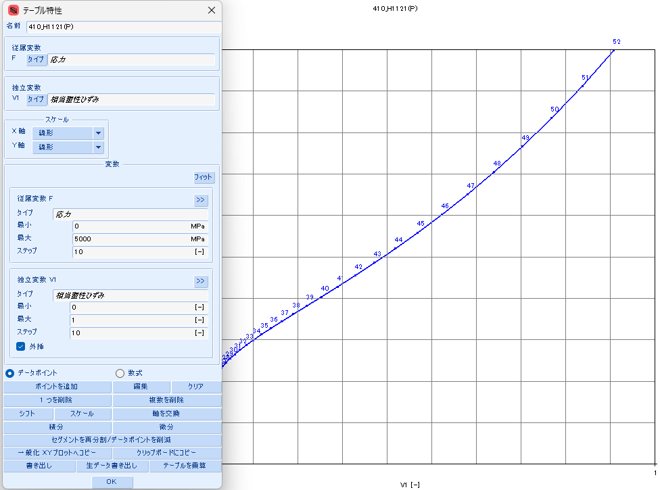
 |  |  | 1.0583 | 270 | 39 | 0.7219 | 556 | 687 | 0.7219 | 0.0192 | 0.7027 | 1.1311 | 961 | 1,155 | 1.1311 | 6626.444 | 1.0852 | 873 | 1,018
 |  |  | 1.2023 | 275 | 35 | 0.7895 | 606 | 738 | 0.7895 | 0.0209 | 0.7686 | #N/A | #N/A | #N/A | #N/A | #N/A | 1.1643 | 961 | 1,111
 |  |  | 1.3628 | 280 | 31 | 0.8599 | 662 | 795 | 0.8599 | 0.0228 | 0.8370 | #N/A | #N/A | #N/A | #N/A | #N/A | #N/A | #N/A | #N/A
 |  |  | 1.5415 | 285 | 28 | 0.9327 | 724 | 861 | 0.9327 | 0.0250 | 0.9078 | #N/A | #N/A | #N/A | #N/A | #N/A | #N/A | #N/A | #N/A
 |  |  | 1.7399 | 290 | 25 | 1.0079 | 795 | 934 | 1.0079 | 0.0274 | 0.9805 | #N/A | #N/A | #N/A | #N/A | #N/A | #N/A | #N/A | #N/A
 |  |  | 1.9600 | 295 | 23 | 1.0852 | 873 | 1,018 | 1.0852 | 0.0301 | 1.0551 | #N/A | #N/A | #N/A | #N/A | #N/A | #N/A | #N/A | #N/A
 |  |  | 2.2036 | 300 | 21 | 1.1643 | 961 | 1,111 | 1.1643 | 0.0331 | 1.1311 | #N/A | #N/A | #N/A | #N/A | #N/A | #N/A | #N/A | #N/A

